Title Sheet
Note: The data and information in this document is reflective of a hypothetical situation and client. This document is to be used for KPMG Virtual Internship purposes only.

 | KPMG Virtual Internship
 | Sprocket Central Pty Ltd Data Set

 | To view the datasets, click on the yellow tabs/sheets at the bottom of this file
 | Click on the sheets are named "CustomerDemographic", "CustomerAddress", "Transactions" and "NewCustomerList"

 | Module 1 Task | Module 2 Task | Module 3 Task
 | Your task is to take a look at the following datasets provided by Sprocket Central Pty Ltd and identify all data quality issues. Once you've had a look at these datasets, draft an email to the client identifying all data quality issues. | Create a PowerPoint presentation wihch outlines the approach we will be taking to identify which of the 1000 customers Sprocket Central Pty Ltd should target, based on this dataset. Explain the three phases: Data Exploration; Model Development and Interpretation. | Please develop a dashboard that we can present to the client at our next meeting. Display your data summary and results of the analysis in a dashboard (see tools/references for assistance). Specifically, your presentation should specify who Sprocket Central Pty Ltd' should be targeting out of the new 1000 customer list.

 | Return to the virtual internship here:
 | https://www.insidesherpa.com/virtual-internships/theme/m7W4GMqeT3bh9Nb2c/KPMG-Data-Analytics-Virtual-Internship

 | © 2018 KPMG, an Australian partnership and a member firm of the KPMG network of independent member firms affiliated with KPMG International Cooperative (“KPMG International”), a Swiss entity. All rights reserved.

 | Need some help getting started, or new to excel/data?
 | Here is a warm up task with this dataset

 | Warm up task:
 | 1) Look over the datasets provided by Sprocket Central Pty Ltd (you can navigate through sheets by clicking the tabs at the bottom).
 | 2) Go to the 'CustomerDemographic' dataset
 | 3) Select entire dataset by clicking cell in the uppermost top left hand corner (see picture below)

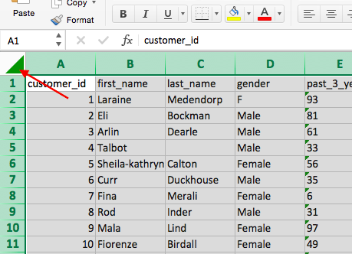

 | 4) Once you've selected the entire dataset, click 'Data' in the top bar of the sheet and click 'Filter' (see picture below). Once you click this, you'll notice that arrows appear in each cell in the top row. If you click the arrows, this creates a pop-up which allows you to only select certain values. Make sure you understand how to use the 'Filter' tool properly as this will be your main tool for analysis in the later modules.

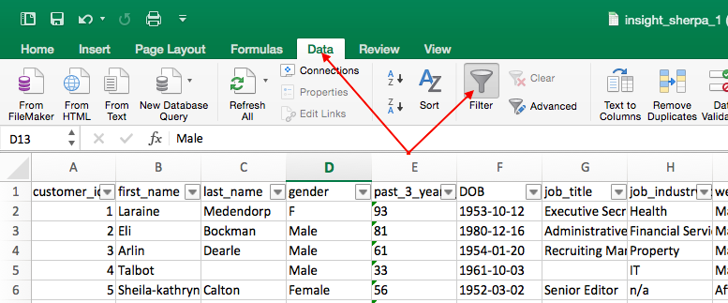

 | 5) Go to the 'DOB' column and click the filter arrow. This should bring up a pop-up which allows you to sort your data. Click 'Ascending' and this should sort your data-set from least to most recent from top to bottom (by date of birth). Once you do this, your data set should look exactly the same as the picture below

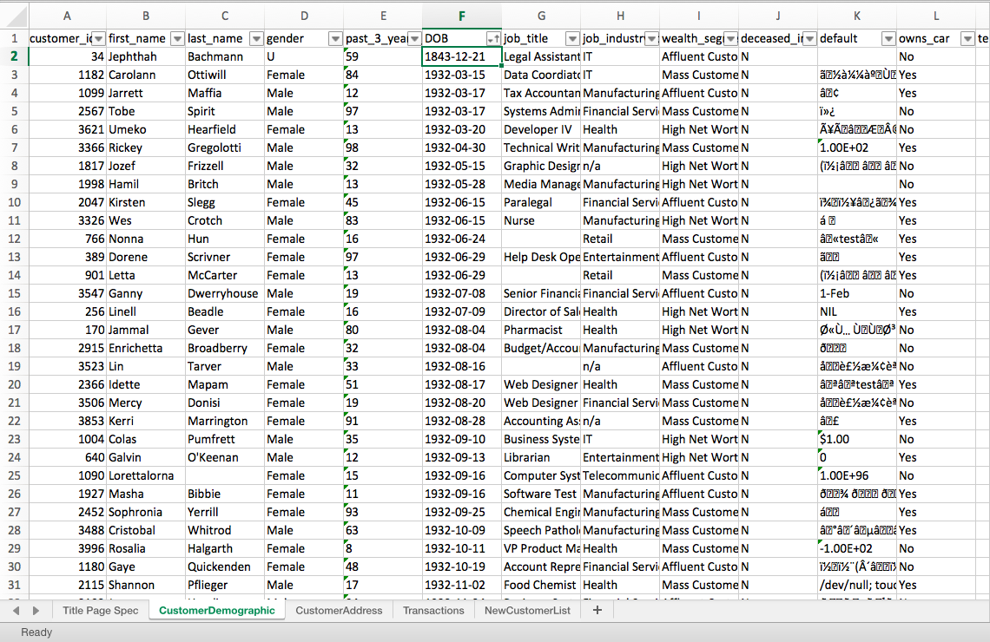

 | 6) Now do you notice anything strange about the data? If you have a look at the first customer (Jephthah Bachmann, you'll notice that they were born in 1843, meaning that they are 175 years old! This is obviously an error in the data so it would be something you'd include in the email to the client.

 | 7) For the rest of this Module 1 task, it is up to you to look through the client datasets and identify problems like in the example above with the DOB. We recommend you dot point everything you find in a Word Document before drafting your email. It is also really important that you use the 'Data Quality Framework Table' (you can find this back in the module page in the 'Resources' section). Note that the parameters and criteria provided to you is vague because this is reflective of what happens in the real world. We encourage you to use other sources like Google and Youtube to help you with this task. Even if you're unsure about the quality of your final email, just give it a go, submit the task and you'll get to see model work which is an actual email that a KPMG Data Analyst has submitted!

Dashboard
`

KPMG VIRTUAL INTERNSHIP REPORT

Total sum of brand list price
 | Total
Giant Bicycles | $4,091,668.7
Norco Bicycles | $2,657,419.1
OHM Cycles | $2,993,420.3
Solex | $4,496,577.6
Trek Bicycles | $3,539,512.4
WeareA2B | $4,163,083.6

Order status of product line
 | Total
Approved | 420
Cancelled | 3
Approved | 3932
Cancelled | 38
Approved | 14048
Cancelled | 128
Approved | 1225
Cancelled | 9
Total Customers
Top Brand

3427
SOLEX

Top brands
 | Total
Giant Bicycles | 3312
Norco Bicycles | 2910
OHM Cycles | 3043
Solex | 4253
Trek Bicycles | 2990
WeareA2B | 3295

Standard cost of product size
 | Total
large | 2207280.44
medium | 5584933.615
small | 3219183.72
Avg list price of product class
 | Total
high | 1091.7230103
low | 927.57739204
medium | 1150.2228352

Sheet3
Total sum of brand list price
Row Labels | Sum of list_price
Giant Bicycles | $4,091,668.7
Norco Bicycles | $2,657,419.1
OHM Cycles | $2,993,420.3
Solex | $4,496,577.6
Trek Bicycles | $3,539,512.4
WeareA2B | $4,163,083.6
Grand Total | $21,941,681.7

Standard cost of product size

Row Labels | Sum of standard_cost
large | 2207280.44
medium | 5584933.615
small | 3219183.72
Grand Total | 11011397.775

Order status of product line
Row Labels | Count of product_line
Mountain | 423
Approved | 420
Cancelled | 3
Road | 3970
Approved | 3932
Cancelled | 38
Standard | 14176 |  | Row Labels | Count of customer_id
Approved | 14048 |  | Giant Bicycles | 3312
Cancelled | 128 |  | Norco Bicycles | 2910
Touring | 1234 |  | OHM Cycles | 3043
Approved | 1225 |  | Solex | 4253
Cancelled | 9 |  | Trek Bicycles | 2990
Grand Total | 19803 |  | WeareA2B | 3295
 |  |  | Grand Total | 19803

Avg list price of product class

 | Row Labels | Average of list_price
 | high | 1091.7230103
 | low | 927.57739204
 | medium | 1150.2228352
 | Grand Total | 1107.997866

