Charts
Row Labels | Count of Churn
Month-to-month | 3875
Two year | 1695
One year | 1473
Grand Total | 7043

Row Labels | Count of Churn
Credit card (automatic) | 1522
Bank transfer (automatic) | 1544
Mailed check | 1612
Electronic check | 2365
Grand Total | 7043

Row Labels | Count of Churn
No | 1526
DSL | 2421
Fiber optic | 3096
Grand Total | 7043

Count of Churn
7043

Row Labels | Count of Customer ID
Female | 3488
Male | 3555
Grand Total | 7043

Dashboard
Customer Behaviour & Business Performance Analysis

=
=
Total Customer
Total Customer
7043
7043

Churn by Contract Type
 | Total
Month-to-month | 3875
Two year | 1695
One year | 1473
Churn by Payment Method
 | Total
Credit card (automatic) | 1522
Bank transfer (automatic) | 1544
Mailed check | 1612
Electronic check | 2365
Churn by Internet Service
 | Total
No | 1526
DSL | 2421
Fiber optic | 3096

Overall Churn Distribution
 | Total
Total | 7043
Gender Distribution
 | Total
Female | 3488
Male | 3555

Correlation Heatmap
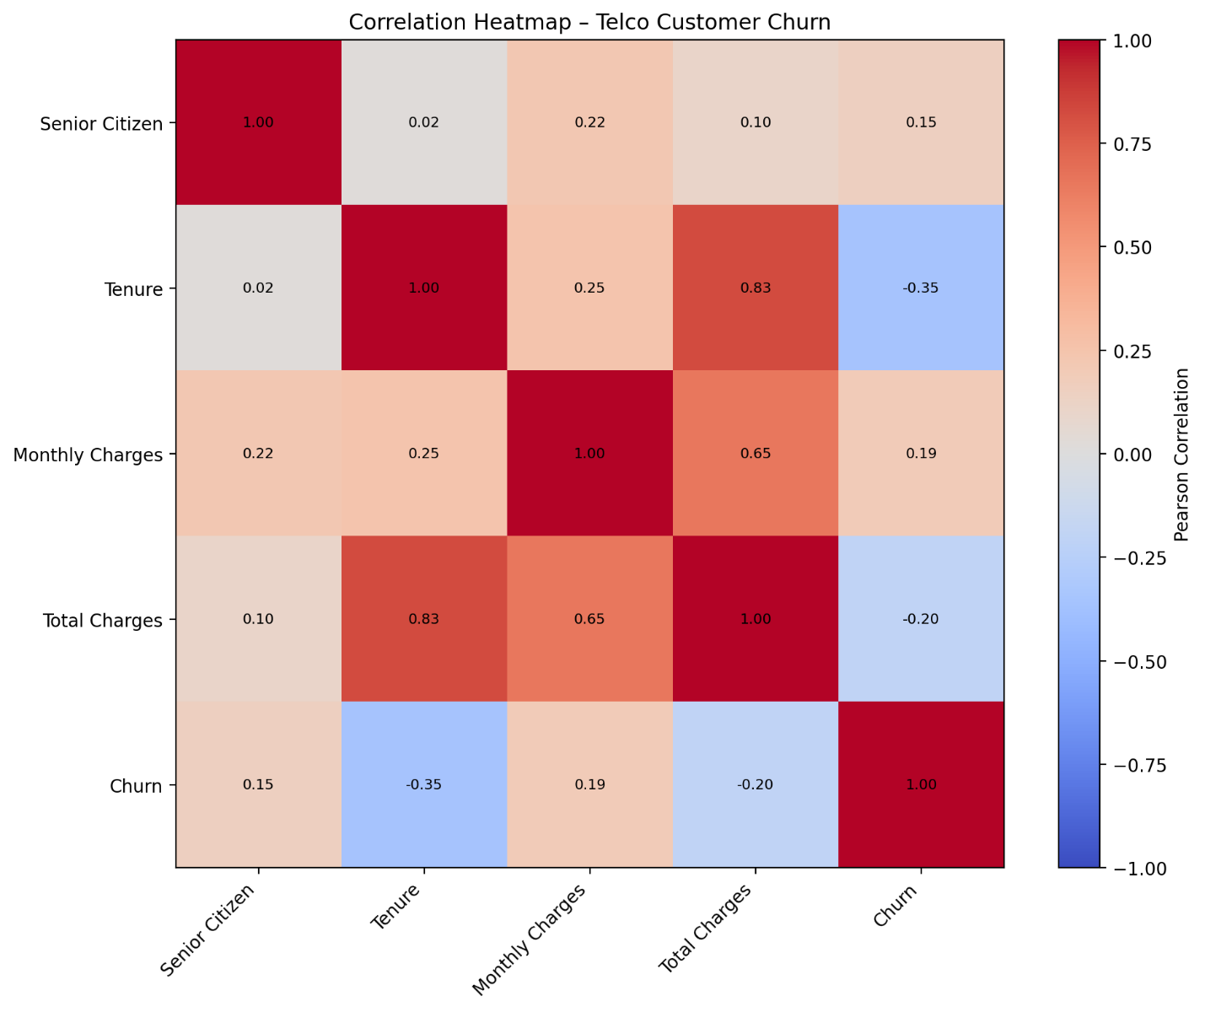

Key observations
Tenure ↔ Total Charges: strong positive correlation (0.83)
Monthly Charges ↔ Total Charges: moderate positive correlation (0.65)
Tenure ↔ Churn: moderate negative correlation (-0.35), suggesting longer-tenured customers are less likely to churn.
Monthly Charges ↔ Churn: weak positive correlation (0.19).
Senior Citizen ↔ Churn: weak positive correlation (0.15).

Box Plot
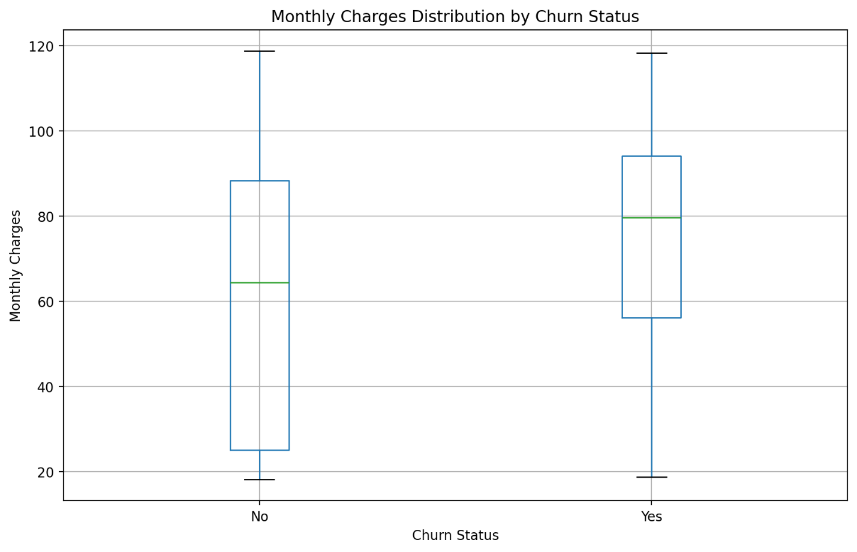

Key takeaway: Customers who churned generally have higher monthly charges than customers who stayed, with a median around 80 versus roughly 65 for non-churned customers.

