Sheet1
Gender Prediction Scores

Fold: 1
Epoch: 1
 | Training Loss | Train Accuracy | Validation Loss | Validation Accuracy
 | 0.1042 | 0.8316 | 0.0536 | 0.9469

 | Precision | recall | f1-score | support
Male | 0.9862 | 0.9495 | 0.9675 | 376
Female | 0.7889 | 0.9342 | 0.8554 | 76

Accuracy |  |  | 0.9469 | 452
Macro avg | 0.8875 | 0.9418 | 0.9115 | 452
Weighted avg | 0.953 | 0.9469 | 0.9486 | 452

Fold: 1
Epoch: 2
 | Training Loss | Train Accuracy | Validation Loss | Validation Accuracy
 | 0.0423 | 0.9457 | 0.0509 | 0.9602

 | Precision | recall | f1-score | support
Male | 0.9891 | 0.9628 | 0.9757 | 376
Female | 0.8372 | 0.9474 | 0.8889 | 76

Accuracy |  |  | 0.9602 | 452
Macro avg | 0.9131 | 0.9551 | 0.9323 | 452
Weighted avg | 0.9635 | 0.9602 | 0.9611 | 452

Fold: 1
Epoch: 3
 | Training Loss | Train Accuracy | Validation Loss | Validation Accuracy
 | 0.0215 | 0.9723 | 0.045 | 0.9712

 | Precision | recall | f1-score | support
Male | 0.9892 | 0.9661 | 0.9826 | 376
Female | 0.8889 | 0.9474 | 0.9172 | 76

Accuracy |  |  | 0.9712 | 452
Macro avg | 0.9391 | 0.9617 | 0.9499 | 452
Weighted avg | 0.9723 | 0.9712 | 0.9716 | 452

Fold: 1
Epoch: 4
 | Training Loss | Train Accuracy | Validation Loss | Validation Accuracy
 | 0.013 | 0.9856 | 0.053 | 0.9712

 | Precision | recall | f1-score | support
Male | 0.9919 | 0.9734 | 0.9826 | 376
Female | 0.8795 | 0.9605 | 0.9182 | 76

Accuracy |  |  | 0.9712 | 452
Macro avg | 0.9397 | 0.967 | 0.9504 | 452
Weighted avg | 0.973 | 0.9712 | 0.9717 | 452

Fold: 1
Epoch: 5
 | Training Loss | Train Accuracy | Validation Loss | Validation Accuracy
 | 0.0122 | 0.9856 | 0.0447 | 0.9779

 | Precision | recall | f1-score | support
Male | 0.9867 | 0.9867 | 0.9826 | 376
Female | 0.9342 | 0.9342 | 0.9342 | 76

Accuracy |  |  | 0.9779 | 452
Macro avg | 0.9605 | 0.9605 | 0.9605 | 452
Weighted avg | 0.9779 | 0.9779 | 0.9779 | 452

Fold: 1
Epoch: 6
 | Training Loss | Train Accuracy | Validation Loss | Validation Accuracy
 | 0.0069 | 0.9934 | 0.0406 | 0.9735

 | Precision | recall | f1-score | support
Male | 0.984 | 0.984 | 0.984 | 376
Female | 0.9211 | 0.9211 | 0.9211 | 76

Accuracy |  |  | 0.9735 | 452
Macro avg | 0.9525 | 0.9525 | 0.9525 | 452
Weighted avg | 0.9735 | 0.9735 | 0.9735 | 452

Fold: 1
Epoch: 7
 | Training Loss | Train Accuracy | Validation Loss | Validation Accuracy
 | 0.0049 | 0.9945 | 0.0431 | 0.9757

 | Precision | recall | f1-score | support
Male | 0.9867 | 0.984 | 0.9854 | 376
Female | 0.9221 | 0.9342 | 0.9281 | 76

Accuracy |  |  | 0.9757 | 452
Macro avg | 0.9544 | 0.9591 | 0.9567 | 452
Weighted avg | 0.9758 | 0.9757 | 0.9757 | 452

Fold: 1
Epoch: 8
 | Training Loss | Train Accuracy | Validation Loss | Validation Accuracy
 | 0.0053 | 0.9934 | 0.0581 | 0.9735

 | Precision | recall | f1-score | support
Male | 0.984 | 0.984 | 0.984 | 376
Female | 0.9211 | 0.9211 | 0.9211 | 76

Accuracy |  |  | 0.9737 | 452
Macro avg | 0.9525 | 0.9525 | 0.9525 | 452
Weighted avg | 0.9735 | 0.9735 | 0.9735 | 452

Fold: 1
Epoch: 9
 | Training Loss | Train Accuracy | Validation Loss | Validation Accuracy
 | 0.0027 | 0.9972 | 0.0695 | 0.9801

 | Precision | recall | f1-score | support
Male | 0.9893 | 0.9867 | 0.988 | 376
Female | 0.9351 | 0.9474 | 0.9412 | 76

Accuracy |  |  | 0.9801 | 452
Macro avg | 0.9622 | 0.967 | 0.9646 | 452
Weighted avg | 0.9802 | 0.9801 | 0.9801 | 452

Fold: 1
Epoch: 10
 | Training Loss | Train Accuracy | Validation Loss | Validation Accuracy
 | 0.005 | 0.9956 | 0.0686 | 0.9757

 | Precision | recall | f1-score | support
Male | 0.9815 | 0.9894 | 0.9854 | 376
Female | 0.9452 | 0.9079 | 0.9262 | 76

Accuracy |  |  | 0.9757 | 452
Macro avg | 0.9634 | 0.9486 | 0.9558 | 452
Weighted avg | 0.9754 | 0.9757 | 0.9755 | 452

Fold: 1
Epoch: 11
 | Training Loss | Train Accuracy | Validation Loss | Validation Accuracy
 | 0.0031 | 0.9978 | 0.0858 | 0.9712

 | Precision | recall | f1-score | support
Male | 0.9789 | 0.9867 | 0.9828 | 376
Female | 0.9315 | 0.8947 | 0.9128 | 76

Accuracy |  |  | 0.9712 | 452
Macro avg | 0.9552 | 0.9407 | 0.9478 | 452
Weighted avg | 0.9709 | 0.9712 | 0.971 | 452

Fold: 1
Epoch: 12
 | Training Loss | Train Accuracy | Validation Loss | Validation Accuracy
 | 0.0012 | 0.9994 | 0.0849 | 0.9712

 | Precision | recall | f1-score | support
Male | 0.9814 | 0.984 | 0.9827 | 376
Female | 0.92 | 0.9079 | 0.9139 | 76

Accuracy |  |  | 0.9712 | 452
Macro avg | 0.9507 | 0.946 | 0.9483 | 452
Weighted avg | 0.9711 | 0.9712 | 0.9712 | 452

Fold: 1
Epoch: 13
 | Training Loss | Train Accuracy | Validation Loss | Validation Accuracy
 | 0.0028 | 0.9961 | 0.0784 | 0.9712

 | Precision | recall | f1-score | support
Male | 0.9814 | 0.984 | 0.9827 | 376
Female | 0.92 | 0.9079 | 0.9139 | 76

Accuracy |  |  | 0.9712 | 452
Macro avg | 0.9507 | 0.946 | 0.9483 | 452
Weighted avg | 0.9711 | 0.9712 | 0.9712 | 452

Fold: 1
Epoch: 14
 | Training Loss | Train Accuracy | Validation Loss | Validation Accuracy
 | 0.0037 | 0.9956 | 0.0735 | 0.9668

 | Precision | recall | f1-score | support
Male | 0.9839 | 0.9761 | 0.98 | 376
Female | 0.8861 | 0.9211 | 0.9032 | 76

Accuracy |  |  | 0.9668 | 452
Macro avg | 0.935 | 0.9486 | 0.9416 | 452
Weighted avg | 0.9675 | 0.9668 | 0.9671 | 452

Fold: 1
Epoch: 15
 | Training Loss | Train Accuracy | Validation Loss | Validation Accuracy
 | 0.0027 | 0.9956 | 0.0725 | 0.9779

 | Precision | recall | f1-score | support
Male | 0.9867 | 0.9867 | 0.9867 | 376
Female | 0.9342 | 0.9342 | 0.9342 | 76

Accuracy |  |  | 0.9779 | 452
Macro avg | 0.9605 | 0.9605 | 0.9605 | 452
Weighted avg | 0.9779 | 0.9779 | 0.9779 | 452

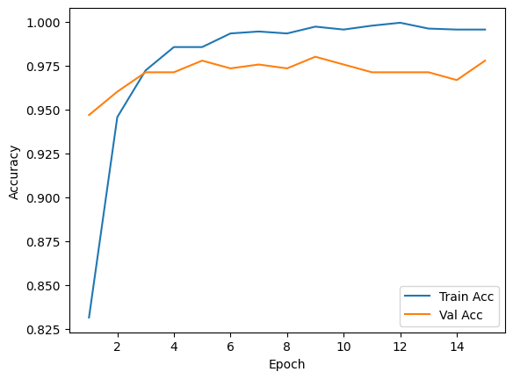
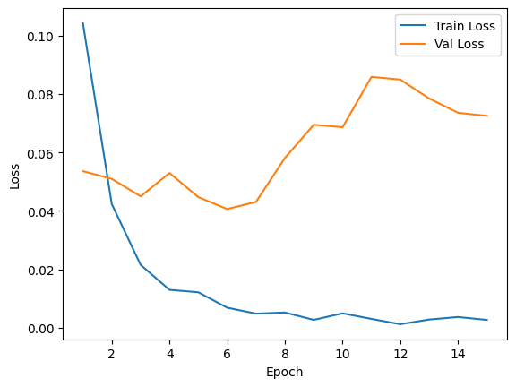

Fold: 2
Epoch: 1
 | Training Loss | Train Accuracy | Validation Loss | Validation Accuracy
 | 0.1133 | 0.8089 | 0.0347 | 0.958

 | Precision | recall | f1-score | support
Male | 0.989 | 0.9601 | 0.9744 | 376
Female | 0.8276 | 0.9474 | 0.8834 | 76

Accuracy |  |  | 0.958 | 452
Macro avg | 0.9083 | 0.9537 | 0.9289 | 452
Weighted avg | 0.9619 | 0.958 | 0.9591 | 452

Fold: 2
Epoch: 2
 | Training Loss | Train Accuracy | Validation Loss | Validation Accuracy
 | 0.0393 | 0.9524 | 0.0231 | 0.9712

 | Precision | recall | f1-score | support
Male | 0.9919 | 0.9734 | 0.9826 | 376
Female | 0.8795 | 0.9605 | 0.9182 | 76

Accuracy |  |  | 0.9712 | 452
Macro avg | 0.9357 | 0.967 | 0.9504 | 452
Weighted avg | 0.973 | 0.9712 | 0.9717 | 452

Fold: 2
Epoch: 3
 | Training Loss | Train Accuracy | Validation Loss | Validation Accuracy
 | 0.0249 | 0.9701 | 0.014 | 0.9867

 | Precision | recall | f1-score | support
Male | 0.992 | 0.992 | 0.992 | 376
Female | 0.9605 | 0.9605 | 0.9605 | 76

Accuracy |  |  | 0.9867 | 452
Macro avg | 0.9763 | 0.9663 | 0.9763 | 452
Weighted avg | 0.9867 | 0.9867 | 0.9867 | 452

Fold: 2
Epoch: 4
 | Training Loss | Train Accuracy | Validation Loss | Validation Accuracy
 | 0.0157 | 0.9773 | 0.0129 | 0.9845

 | Precision | recall | f1-score | support
Male | 0.992 | 0.9894 | 0.9907 | 376
Female | 0.9481 | 0.9605 | 0.9542 | 76

Accuracy |  |  | 0.9845 | 452
Macro avg | 0.97 | 0.9749 | 0.9725 | 452
Weighted avg | 0.9846 | 0.9845 | 0.9846 | 452

Fold: 2
Epoch: 5
 | Training Loss | Train Accuracy | Validation Loss | Validation Accuracy
 | 0.0104 | 0.9861 | 0.0141 | 0.9867

 | Precision | recall | f1-score | support
Male | 0.992 | 0.992 | 0.992 | 376
Female | 0.9605 | 0.9605 | 0.9605 | 76

Accuracy |  |  | 0.9867 | 452
Macro avg | 0.9763 | 0.9763 | 0.9763 | 452
Weighted avg | 0.9867 | 0.9867 | 0.9867 | 452

Fold: 2
Epoch: 6
 | Training Loss | Train Accuracy | Validation Loss | Validation Accuracy
 | 0.0089 | 0.9895 | 0.0143 | 0.9867

 | Precision | recall | f1-score | support
Male | 0.992 | 0.992 | 0.992 | 376
Female | 0.9605 | 0.9605 | 0.9605 | 76

Accuracy |  |  | 0.9867 | 452
Macro avg | 0.9763 | 0.9763 | 0.9763 | 452
Weighted avg | 0.9867 | 0.9867 | 0.9867 | 452

Fold: 2
Epoch: 7
 | Training Loss | Train Accuracy | Validation Loss | Validation Accuracy
 | 0.007 | 0.9906 | 0.0094 | 0.9889

 | Precision | recall | f1-score | support
Male | 0.9947 | 0.992 | 0.9933 | 376
Female | 0.961 | 0.9737 | 0.9673 | 76

Accuracy |  |  | 0.9889 | 452
Macro avg | 0.9779 | 0.9829 | 0.9803 | 452
Weighted avg | 0.989 | 0.9889 | 0.989 | 452

Fold: 2
Epoch: 8
 | Training Loss | Train Accuracy | Validation Loss | Validation Accuracy
 | 0.0087 | 0.9917 | 0.0074 | 0.9934

 | Precision | recall | f1-score | support
Male | 0.9973 | 0.9947 | 0.996 | 376
Female | 0.974 | 0.9868 | 0.9804 | 76

Accuracy |  |  | 0.9934 | 452
Macro avg | 0.9857 | 0.9908 | 0.9882 | 452
Weighted avg | 0.9934 | 0.9934 | 0.9934 | 452

Fold: 2
Epoch: 9
 | Training Loss | Train Accuracy | Validation Loss | Validation Accuracy
 | 0.0038 | 0.995 | 0.0224 | 0.9801

 | Precision | recall | f1-score | support
Male | 0.9791 | 0.9973 | 0.9881 | 376
Female | 0.9855 | 0.8947 | 0.9379 | 76

Accuracy |  |  | 0.9801 | 452
Macro avg | 0.9623 | 0.946 | 0.963 | 452
Weighted avg | 0.9802 | 0.9801 | 0.9797 | 452

Fold: 2
Epoch: 10
 | Training Loss | Train Accuracy | Validation Loss | Validation Accuracy
 | 0.0029 | 0.9978 | 0.0093 | 0.9889

 | Precision | recall | f1-score | support
Male | 0.992 | 0.9947 | 0.9934 | 376
Female | 0.9733 | 0.9605 | 0.9669 | 76

Accuracy |  |  | 0.9889 | 452
Macro avg | 0.9827 | 0.9776 | 0.9801 | 452
Weighted avg | 0.9889 | 0.9889 | 0.9889 | 452

Fold: 2
Epoch: 11
 | Training Loss | Train Accuracy | Validation Loss | Validation Accuracy
 | 0.0033 | 0.9972 | 0.012 | 0.9867

 | Precision | recall | f1-score | support
Male | 0.9868 | 0.9973 | 0.9921 | 376
Female | 0.9861 | 0.9342 | 0.9595 | 76

Accuracy |  |  | 0.9867 | 452
Macro avg | 0.9865 | 0.9658 | 0.9758 | 452
Weighted avg | 0.9867 | 0.9867 | 0.9866 | 452

Fold: 2
Epoch: 12
 | Training Loss | Train Accuracy | Validation Loss | Validation Accuracy
 | 0.0029 | 0.9972 | 0.0134 | 0.9912

 | Precision | recall | f1-score | support
Male | 0.9973 | 0.992 | 0.9947 | 376
Female | 0.9615 | 0.9868 | 0.974 | 76

Accuracy |  |  | 0.9912 | 452
Macro avg | 0.9794 | 0.9894 | 0.9843 | 452
Weighted avg | 0.9913 | 0.9912 | 0.9912 | 452

Fold: 2
Epoch: 13
 | Training Loss | Train Accuracy | Validation Loss | Validation Accuracy
 | 0.0026 | 0.9972 | 0.0183 | 0.9889

 | Precision | recall | f1-score | support
Male | 0.992 | 0.9947 | 0.9934 | 376
Female | 0.9733 | 0.9605 | 0.9669 | 76

Accuracy |  |  | 0.9889 | 452
Macro avg | 0.9827 | 0.9776 | 0.9801 | 452
Weighted avg | 0.9889 | 0.9889 | 0.9889 | 452

Fold: 2
Epoch: 14
 | Training Loss | Train Accuracy | Validation Loss | Validation Accuracy
 | 0.0027 | 0.9961 | 0.0272 | 0.9867

 | Precision | recall | f1-score | support
Male | 0.9868 | 0.9973 | 0.9921 | 376
Female | 0.9861 | 0.9342 | 0.9595 | 76

Accuracy |  |  | 0.9867 | 452
Macro avg | 0.9865 | 0.9658 | 0.9758 | 452
Weighted avg | 0.9867 | 0.9867 | 0.9866 | 452

Fold: 2
Epoch: 15
 | Training Loss | Train Accuracy | Validation Loss | Validation Accuracy
 | 0.002 | 0.9972 | 0.0276 | 0.9889

 | Precision | recall | f1-score | support
Male | 0.9894 | 0.9973 | 0.9934 | 376
Female | 0.9863 | 0.9474 | 0.9664 | 76

Accuracy |  |  | 0.9889 | 452
Macro avg | 0.9879 | 0.9724 | 0.9799 | 452
Weighted avg | 0.9889 | 0.9889 | 0.9888 | 452

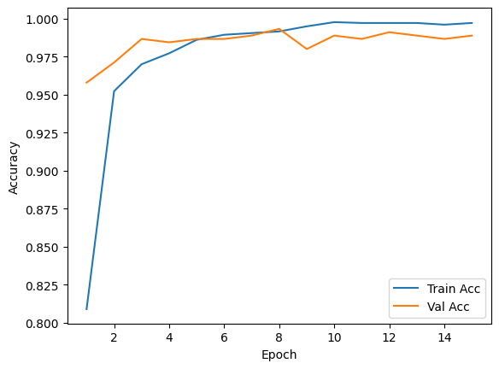
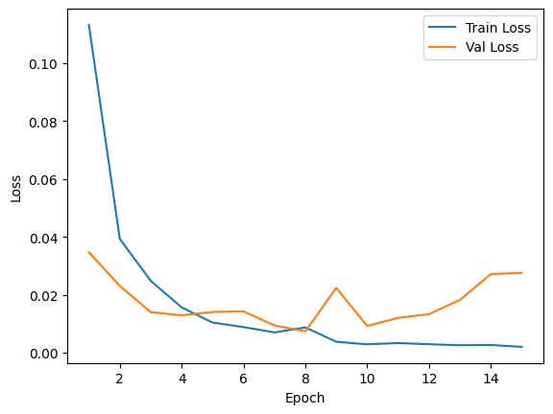

 |  | Final Model
 |  | Fold: 2
 |  | Epoch: 8
 |  | Val. Acc: 99.34%

