Sheet1
 | Face Recognition Scores

Epoch: 1
 | Train Loss | Top-1 Acc | Val Loss | Top-1 Acc | Macro F1
 | 5.3659 | 0.1788 | 3.8888 | 0.3197 | 0.0705

Epoch: 2
 | Train Loss | Top-1 Acc | Val Loss | Top-1 Acc | Macro F1
 | 3.2618 | 0.4214 | 1.8572 | 0.7339 | 0.542

Epoch: 3
 | Train Loss | Top-1 Acc | Val Loss | Top-1 Acc | Macro F1
 | 1.5011 | 0.7995 | 0.4201 | 0.9799 | 0.9174

Epoch: 4
 | Train Loss | Top-1 Acc | Val Loss | Top-1 Acc | Macro F1
 | 0.4903 | 0.9723 | 0.1121 | 0.9935 | 0.9384

Epoch: 5
 | Train Loss | Top-1 Acc | Val Loss | Top-1 Acc | Macro F1
 | 0.1922 | 0.9893 | 0.0489 | 0.9953 | 0.9443

Epoch: 6
 | Train Loss | Top-1 Acc | Val Loss | Top-1 Acc | Macro F1
 | 0.104 | 0.9936 | 0.0295 | 0.9965 | 0.9517

Epoch: 7
 | Train Loss | Top-1 Acc | Val Loss | Top-1 Acc | Macro F1
 | 0.0692 | 0.9948 | 0.018 | 0.9979 | 0.9667

Epoch: 8
 | Train Loss | Top-1 Acc | Val Loss | Top-1 Acc | Macro F1
 | 0.0472 | 0.9958 | 0.0107 | 0.9991 | 0.9847

Epoch: 9
 | Train Loss | Top-1 Acc | Val Loss | Top-1 Acc | Macro F1
 | 0.0327 | 0.9969 | 0.0067 | 0.9998 | 0.997

Epoch: 10
 | Train Loss | Top-1 Acc | Val Loss | Top-1 Acc | Macro F1
 | 0.0231 | 0.9987 | 0.0039 | 0.9998 | 0.9981

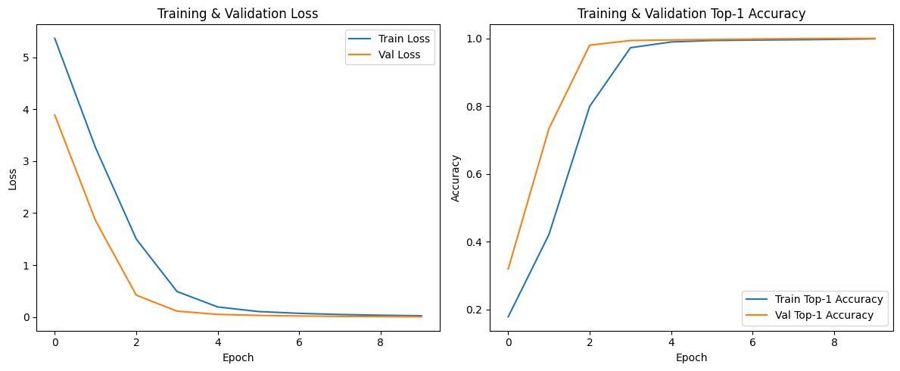

 |  | Final Model
 |  | Epoch: 10
 |  | Val. Acc: 99.98%

