Design & Specifications
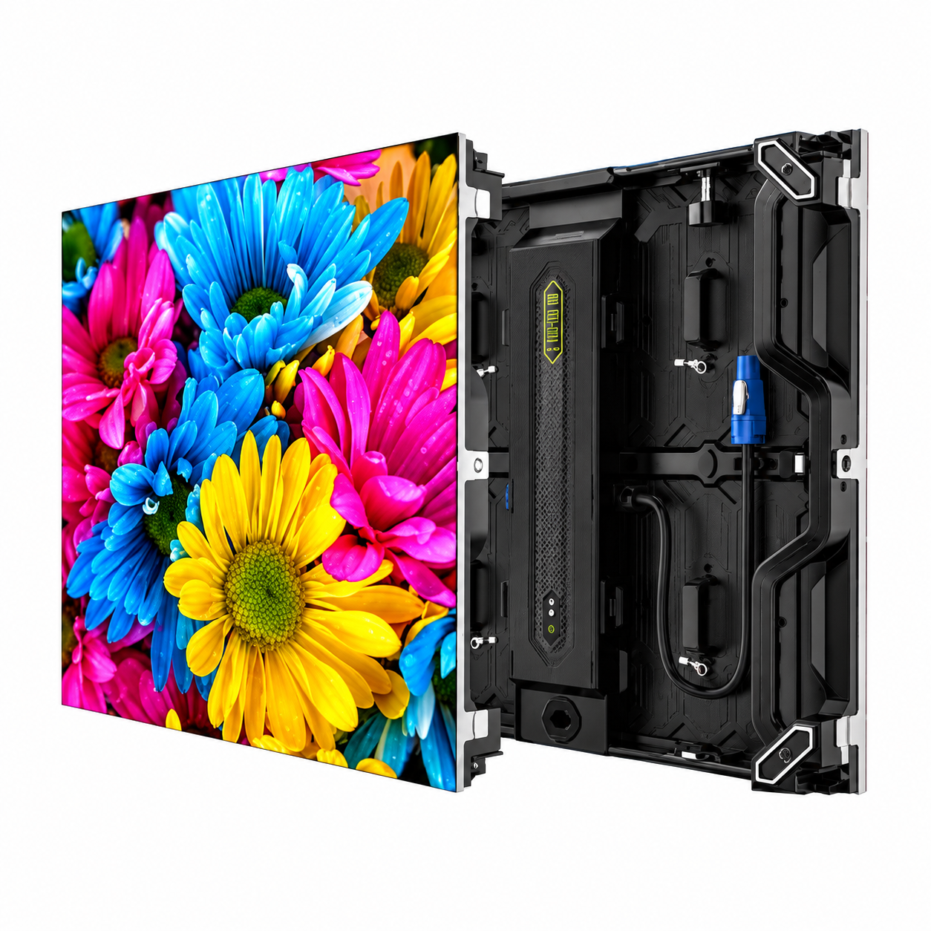
LED rate calculation | Cabinet rate per sq.ft. × screen area
LED base rate | 21,500.00
Screen area (sq.ft.) | 43.594
Mounting structure rate (enter in Quotation!F12)
Installation rate (enter in Quotation!F13)
Controller base rate | 30000
Selected model | PM1.2 / 1.25 COB
Selected cabinet dimensions (mm) | 600 × 337.5 × 38.1
Technology | COB
Cabinet quantity | 20
Columns × rows | 5 × 4
Buildable dimensions (m) | 3.0 × 1.35
Pricing area (sq.ft.) | 43.593837188
Video resolution | 2400 × 1080
Total pixels | 2592000
Controller | PROMARK PMC-2
Controller verification | Supplied model specifications; receiving-card compatibility and port mapping require confirmation
Specification notes | PM1.2 technical table confirms 600 × 337.5 × 38.1 mm, 480 × 270 pixels and 3.6 kg. Technical-table values are used for this cabinet. The feature page separately lists 60 mm / 7.8 kg and is not used for cabinet geometry or weight. User confirmed 480 × 270 native pixels at 1.25 mm pitch for this cabinet, 17 October 2026.
Quotation specification source | User-supplied quotation screenshot for this video wall type. Quotation wording is separate from configured cabinet geometry.
Quotation technical description | Supply of COB Indoor LED video wall (3.000W x 1.350H m = 43.594 sq.feet). Pixel Pitch: 1.2mm. Module Resolution: (WxH): 480x270 Pixels. Pixel density (pixels/sq.m.): 640000 dot/m². Module Size (WxH): W300mmxH168mm. Ingress Protection: IP65. Brightness: 600 cd/m². Contrast Ratio: ≥5000:1. Refresh Rate: 3840Hz. Video Support: 2K, 4K. Life Span (hrs): 100000hrs. Cabinet dimensions (W × H × D): 600 × 337.5 × 38.1 mm.
Controller specification source | HD-VP620A Specification v1.2.pdf
Controller technical description | Supply of LED Wall Controller PROMARK PMC-2, supporting a maximum loading capacity of 3.9 million pixels, with maximum width of 8,192 pixels and maximum height of 4,000 pixels, subject to the total pixel capacity. It features 2 HDMI, 1 DP, 1 DVI and 1 VGA input, together with 6 Gigabit Ethernet outputs. Supports input up to 4096 × 2160 at 60Hz, two 4K windows, 16 scene presets and RS232 control. The unit uses AC 100-240V, 50/60Hz power, consumes 50W and has a 1U chassis. Its operating temperature range is -20°C to 55°C.
Supplied specification reference | PM1.2
Pixel Pitch (mm) | 1.25
Module — Size (mm) | 300 × 168.75
Module Pixels | 240 × 135
Panel Surface | Matte finish
Cabinet — Modules (W×H) | 2 × 2
Cabinet — Resolution (W×H) | 480 × 270
Cabinet — Dimensions (mm) | 600 × 337.5 × 38.1
Maintenance access | Front
Material | Die-casting aluminum
Weight (kg) | 3.6
Pixel density (dot/m²) | 640000
Luminance Uniformity | ≥97%
Viewing angle (°) | ≥160 (H/V)
Color gamut | NTSC coverage ratio ≥105% and DCI-P3 coverage ≥90%
Color temperature (K) | 3000–10000 (adjustable); 9300 K (standard)
White balance brightness (nit) | 600
Contrast (illumination 10 Lux) | ≥5000:1
Peak power consumption (W/m²) | ≤280
Average power consumption (W/m²) | ≤93
Cabinet Input voltage | AC 100–240 V 50/60 Hz
Module Input voltage | DC 4.0 V
Refresh rate (Hz) | ≥3840
Scan mode | 60s
Gray scale | ≥13 bit
Flash memory calibration | Yes
Frame rate | 60 Hz
Drive mode | Common anode
Operating temperature and humidity range | −10°C to +40°C / 10% RH–90% RH
Storage temperature and humidity range | −40°C to +60°C / 10% RH–90% RH
IP protection level | IP65 (Panel surface)

