Sheet6
 | VOLFRAM SYSTEMS INDIA PVT. LTD.
 | www.volfram.in | steam@volfram.in | +91 8378964757
 | Blow Down Saving Calculator

Type of Boiler | PACKAGED SMOKE TUBE BOILER |  | INDEX
Boiler Capacity | 2000 | kg/hr
Average Steam Generation | 2000 | kg/hr
Fuel | COAL
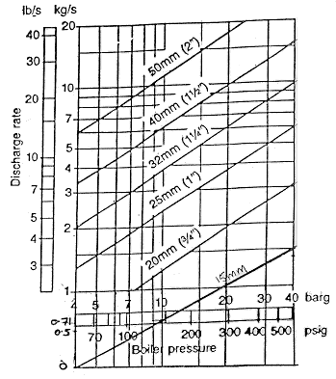
Price of Fuel | 8 | Rs./kg
GCV of Fuel | 5000 | Kcal/kg
Boiler Working Pressure | 12 | bar (g)
Boiler Efficiency | 70 | %
Feed Water TDS | 500 | ppm
Boiler Allowable TDS | 1000 | ppm
Duration of manual Blow Down | 10 | sec.
No. of Manual Blow down per day | 3 | no./day
Water flow through B/D Valve @ boiler Pressure | 6 | kg/s
Heat content in Blow Down @ Boiler Pressure (i.e. temp @ boiler pressure) | 198.28 | Kcal/kg
Operational days per month | 30 | days/month
Operational months per year | 12 | months/year

Required Blow Down for Boiler | 48000.0 | kg/day

Present Manual Blow Down | 180 | kg/day

Excess Blow Down per day | -47820.0 | kg/day

Equivalnt Saving from reduction in Blow down in Rs. | -21673 | Rs./day
 | -650177 | Rs./month
 | -7802125 | Rs./year

 | Input Fields
 | Result

12 Safety Valve
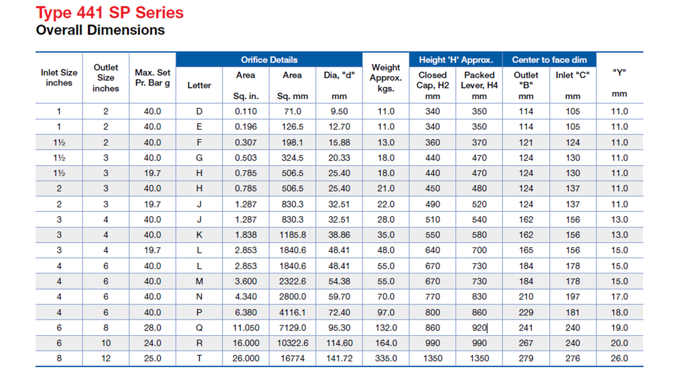
 | SAFETY VALVE ORIFICE CALCULATION

C | Consatnt | 0.38
P | Set Pressure | 4.1 | Bar(G)
E | Required Relief Capacity | 2600.0 | Kg/Hr |  | INDEX
F | Super Heat Correction Factor. 1 is for saturated steam | 1

 | Area Calculation | 1338.2
A | Calculated Throat/ Flow Area | 1338.2 | mm2 | A =(E / (C X (P+1.013)) X F
 |  | 220
D | Calculated Throat/ Flow Diameter | 41 | mm | D = √'(A X4 /3.14)

