Top5
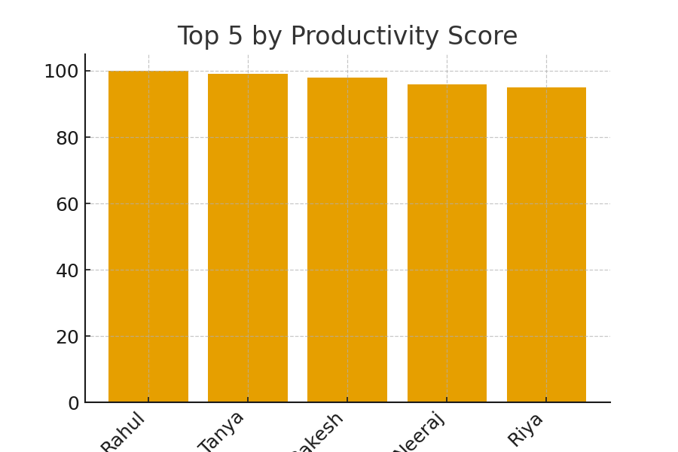
Employee_ID | Name | Department | Productivity_Score
107 | Rahul | IT | 100
125 | Tanya | IT | 99
115 | Rakesh | IT | 98
123 | Neeraj | Marketing | 96
104 | Riya | IT | 95

Correlation
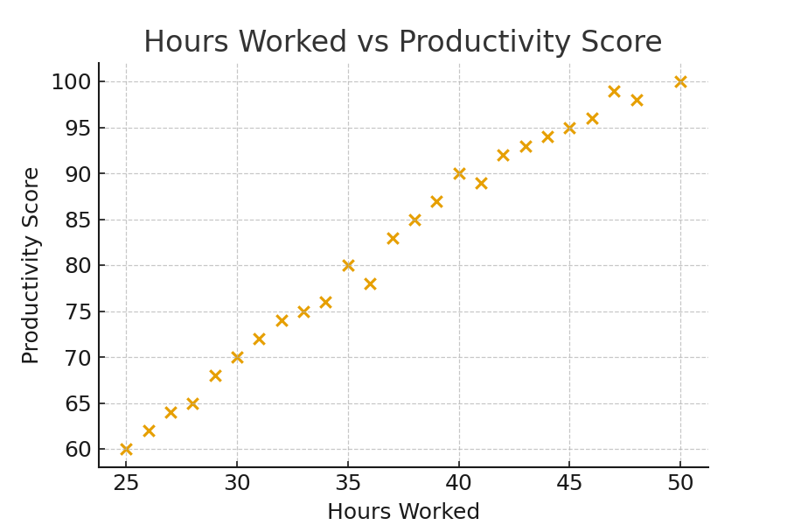
Metric | Correlation with Performance_Rating
Hours_Worked | 0.94623485838
Tasks_Completed | 0.95745537036

