regression
0 | first period 2000-2001__2011-2012 |  |  |  |  | 0 | second period 2012-2013__2023-2024 |  |  |  |  |  | average season 2000-2001__2011-2012 |  |  |  |  |  | average season 2012-2013__2023-2024
season | S.area_km2 | S.line_mean_m | SDI | SCV | All-Average | season | S.area_km2 | S.line_mean_m | SDI | SCV | All-Average | season | S.area_km2 | S.line_mean_m | SDI | SCV |  | season | S.area_km2 | S.line_mean_m | SDI | SCV
2000-10 | 1.7 | 3114.2 | 0.1 | 0.4 | 3063.6 | 2012-10 | 0.0 | 3418.1 | 0.1 | 0.3 | 4179.4 | 2000-2001 | 3063.6 | 2241.3 | 7.2 | 6.0 |  | 2012-2013 | 4179.4 | 2225.5 | 8.9 | 5.9
2000-11 | 101.7 | 2879.6 | 0.7 | 1.6 | 2241.3 | 2012-11 | 292.8 | 2765.1 | 0.7 | 1.0 | 2225.5 | 2001-2002 | 4578.6 | 1835.9 | 10.2 | 7.1 |  | 2013-2014 | 2856.3 | 2134.3 | 6.1 | 4.1
2000-12 | 4434.0 | 1831.2 | 8.4 | 8.8 | 7.2 | 2012-12 | 2926.1 | 1980.2 | 6.3 | 5.1 | 8.9 | 2002-2003 | 5951.2 | 1817.9 | 13.0 | 7.7 |  | 2014-2015 | 2591.3 | 2237.5 | 6.6 | 5.4
2001-01 | 6367.9 | 1670.6 | 16.7 | 13.1 | 6.0 | 2013-01 | 13741.0 | 1367.6 | 26.1 | 19.1 | 5.9 | 2003-2004 | 3292.7 | 2062.9 | 8.0 | 5.0 |  | 2015-2016 | 3178.8 | 2015.7 | 8.0 | 4.4
2001-02 | 5937.0 | 1716.9 | 13.8 | 9.9 |  | 2013-02 | 5737.5 | 1752.9 | 14.4 | 7.2 | 0.0 | 2004-2005 | 5722.7 | 1769.0 | 12.6 | 8.9 |  | 2016-2017 | 3464.2 | 2023.0 | 8.1 | 5.7
2001-03 | 1539.1 | 2235.6 | 3.6 | 2.4 |  | 2013-03 | 2378.9 | 2069.0 | 5.8 | 2.6 | 0.0 | 2005-2006 | 3728.7 | 2171.8 | 9.4 | 5.9 |  | 2017-2018 | 1484.4 | 2246.4 | 3.6 | 2.7
2001-10 | 0.0 |  | 0.1 | 0.3 | 4578.6 | 2013-10 | 0.0 |  | 0.0 | 0.1 | 2856.3 | 2006-2007 | 4501.7 | 2025.0 | 11.6 | 7.0 |  | 2018-2019 | 3578.0 | 2209.2 | 8.8 | 4.3
2001-11 | 2039.2 | 2045.1 | 4.8 | 8.3 | 1835.9 | 2013-11 | 111.3 | 2911.0 | 0.5 | 1.1 | 2134.3 | 2007-2008 | 3588.9 | 1984.0 | 7.9 | 5.3 |  | 2019-2020 | 3929.9 | 2074.5 | 9.2 | 5.7
2001-12 | 3357.0 | 1937.1 | 8.1 | 4.7 | 10.2 | 2013-12 | 9571.0 | 1502.9 | 18.3 | 13.7 | 6.1 | 2008-2009 | 2379.2 | 2128.4 | 5.7 | 3.8 |  | 2020-2021 | 1973.9 | 2168.2 | 4.6 | 3.9
2002-01 | 13520.5 | 1392.3 | 28.8 | 17.0 | 7.1 | 2014-01 | 3652.1 | 1894.4 | 8.4 | 3.8 | 4.1 | 2009-2010 | 1485.1 | 2218.2 | 4.1 | 3.6 |  | 2021-2022 | 4712.4 | 1986.9 | 9.2 | 7.4
2002-02 | 6483.3 | 1672.9 | 14.2 | 10.6 |  | 2014-02 | 2380.8 | 2074.5 | 6.0 | 3.6 | 0.0 | 2010-2011 | 3026.2 | 2141.1 | 6.9 | 3.8 |  | 2022-2023 | 2119.3 | 2434.7 | 5.2 | 3.3
2002-03 | 2071.4 | 2132.2 | 5.1 | 2.0 |  | 2014-03 | 1422.5 | 2288.5 | 3.6 | 2.1 | 0.0 | 2011-2012 | 4880.1 | 1858.0 | 11.4 | 7.2 |  | 2023-2024 | 1934.5 | 2146.3 | 4.9 | 3.3
2002-10 | 0.0 |  | 0.1 | 0.3 | 5951.2 | 2014-10 | 30.7 | 3079.8 | 0.1 | 0.4 | 2591.3 | sum | 46198.8 | 24253.6 | 108.0 | 71.4 |  | sum | 36002.5 | 25902.2 | 83.3 | 56.1
2002-11 | 255.9 | 2764.5 | 0.7 | 1.2 | 1817.9 | 2014-11 | 999.9 | 2410.3 | 3.4 | 4.7 | 2237.5 | average/avg | 3849.9 | 2021.1 | 9.0 | 5.9 |  | average/avg | 3000.2 | 2158.5 | 6.9 | 4.7
2002-12 | 12274.3 | 1415.2 | 22.0 | 20.1 | 13.0 | 2014-12 | 2027.7 | 2152.8 | 5.2 | 3.5 | 6.6
2003-01 | 7468.3 | 1640.9 | 17.9 | 7.9 | 7.7 | 2015-01 | 7169.0 | 1661.4 | 17.1 | 13.7 | 5.4
2003-02 | 9728.0 | 1525.7 | 21.7 | 9.7 |  | 2015-02 | 3423.2 | 1943.6 | 9.1 | 7.6 | 0.0
2003-03 | 5980.5 | 1743.3 | 15.7 | 7.1 |  | 2015-03 | 1897.3 | 2176.9 | 4.6 | 2.3 | 0.0 |  | snow_area_km2 | snowline_mean_m | cor | reg
2003-10 | 0.0 |  | 0.1 | 0.3 | 3292.7 | 2015-10 | 0.0 |  | 0.1 | 0.4 | 3178.8 |  | 0.7 | 2861.6 | r
2003-11 | 262.6 | 2800.2 | 0.8 | 1.3 | 2062.9 | 2015-11 | 734.4 | 2525.3 | 1.8 | 1.7 | 2015.7 |  | 752.4 | 2553.7 | -0.9498139719
2003-12 | 2306.1 | 2043.4 | 5.6 | 5.6 | 8.0 | 2015-12 | 2980.6 | 1974.7 | 7.8 | 7.8 | 8.0 |  | 3052.2 | 2056.8 | R2
2004-01 | 5990.4 | 1755.7 | 15.2 | 5.8 | 5.0 | 2016-01 | 8867.5 | 1569.3 | 22.2 | 9.7 | 4.4 |  | 7883.3 | 1633.9 | 0.90214658123
2004-02 | 9445.6 | 1524.2 | 22.0 | 14.9 |  | 2016-02 | 4673.5 | 1825.2 | 11.4 | 4.5 | 0.0 |  | 8184.5 | 1640.3
2004-03 | 1751.5 | 2191.3 | 4.1 | 1.8 |  | 2016-03 | 1816.9 | 2184.1 | 4.4 | 2.2 | 0.0 |  | 3226.3 | 2042.1
2004-10 | 0.0 |  | 0.0 | 0.1 | 5722.7 | 2016-10 | 0.0 |  | 0.0 | 0.2 | 3464.2
2004-11 | 2368.5 | 2016.9 | 5.3 | 8.2 | 1769.0 | 2016-11 | 125.8 | 2865.3 | 0.3 | 0.4 | 2023.0
2004-12 | 4190.5 | 1863.5 | 9.8 | 6.7 | 12.6 | 2016-12 | 5411.2 | 1745.2 | 11.4 | 12.0 | 8.1
2005-01 | 9710.7 | 1542.8 | 20.5 | 18.0 | 8.9 | 2017-01 | 3789.0 | 1871.3 | 10.1 | 7.4 | 5.7
2005-02 | 15640.9 | 1339.4 | 33.9 | 17.8 |  | 2017-02 | 8899.6 | 1587.6 | 20.5 | 11.0 | 0.0
2005-03 | 2425.5 | 2082.2 | 6.0 | 2.6 |  | 2017-03 | 2559.7 | 2045.5 | 6.3 | 3.1 | 0.0
2005-10 | 6.6 | 2990.8 | 0.1 | 0.3 | 3728.7 | 2017-10 | 0.0 |  | 0.0 | 0.1 | 1484.4
2005-11 | 499.6 | 2616.7 | 1.2 | 1.6 | 2171.8 | 2017-11 | 344.7 | 2584.4 | 1.2 | 2.4 | 2246.4
2005-12 | 1018.6 | 2291.1 | 5.2 | 9.9 | 9.4 | 2017-12 | 2075.4 | 2100.7 | 5.0 | 5.3 | 3.6
2006-01 | 10319.1 | 1517.4 | 23.5 | 12.9 | 5.9 | 2018-01 | 3251.9 | 1987.0 | 7.7 | 5.1 | 2.7
2006-02 | 7655.4 | 1633.6 | 19.6 | 7.7 |  | 2018-02 | 2357.5 | 2090.9 | 5.6 | 2.3 | 0.0
2006-03 | 2873.2 | 1981.3 | 7.0 | 3.0 |  | 2018-03 | 877.1 | 2468.9 | 2.2 | 1.2 | 0.0
2006-10 | 0.6 | 2479.7 | 0.2 | 0.7 | 4501.7 | 2018-10 | 2.3 | 3198.1 | 0.1 | 0.3 | 3578.0
2006-11 | 859.0 | 2425.4 | 2.4 | 3.7 | 2025.0 | 2018-11 | 344.0 | 2725.2 | 1.1 | 1.9 | 2209.2
2006-12 | 1018.8 | 2313.2 | 6.5 | 13.7 | 11.6 | 2018-12 | 3007.1 | 1996.9 | 7.8 | 5.7 | 8.8
2007-01 | 13222.5 | 1394.7 | 30.9 | 10.1 | 7.0 | 2019-01 | 9867.4 | 1539.9 | 22.8 | 11.3 | 4.3
2007-02 | 8703.8 | 1568.6 | 21.4 | 9.7 |  | 2019-02 | 4164.5 | 1887.4 | 10.6 | 3.6 | 0.0 |  |  |  |  | 2000-2012 |  |  | 2012-2024
2007-03 | 3205.2 | 1968.7 | 8.0 | 4.3 |  | 2019-03 | 4082.7 | 1907.9 | 10.6 | 3.3 | 0.0 |  |  |  | season | S.area_km2 | S.line_mean_m | season | S.area_km2 | S.line_mean_m
2007-10 | 0.0 |  | 0.1 | 0.2 | 3588.9 | 2019-10 | 0.0 |  | 0.0 | 0.2 | 3929.9 |  |  |  | 2000-2001 | 3063.6 | 2241.3 | 2012-2013 | 4179.4 | 2225.5
2007-11 | 393.9 | 2530.5 | 1.1 | 2.1 | 1984.0 | 2019-11 | 25.2 | 3070.0 | 0.2 | 0.5 | 2074.5 |  |  |  | 2001-2002 | 4578.6 | 1835.9 | 2013-2014 | 2856.3 | 2134.3
2007-12 | 2107.1 | 2094.0 | 5.4 | 4.2 | 7.9 | 2019-12 | 1907.2 | 2172.8 | 5.1 | 4.3 | 9.2 |  |  |  | 2002-2003 | 5951.2 | 1817.9 | 2014-2015 | 2591.3 | 2237.5
2008-01 | 6639.6 | 1597.4 | 13.7 | 10.1 | 5.3 | 2020-01 | 8879.1 | 1566.1 | 20.7 | 11.1 | 5.7 |  |  |  | 2003-2004 | 3292.7 | 2062.9 | 2015-2016 | 3178.8 | 2015.7
2008-02 | 10474.8 | 1526.3 | 23.0 | 11.8 |  | 2020-02 | 10190.0 | 1510.4 | 22.7 | 15.8 | 0.0 |  |  |  | 2004-2005 | 5722.7 | 1769.0 | 2016-2017 | 3464.2 | 2023.0
2008-03 | 1918.0 | 2171.8 | 4.4 | 3.3 |  | 2020-03 | 2578.1 | 2053.3 | 6.4 | 2.6 | 0.0 |  |  |  | 2005-2006 | 3728.7 | 2171.8 | 2017-2018 | 1484.4 | 2246.4
2008-10 | 0.0 |  | 0.1 | 0.6 | 2379.2 | 2020-10 | 0.0 |  | 0.0 | 0.1 | 1973.9 |  |  |  | 2006-2007 | 4501.7 | 2025.0 | 2018-2019 | 3578.0 | 2209.2
2008-11 | 341.9 | 2721.8 | 0.9 | 0.9 | 2128.4 | 2020-11 | 393.0 | 2682.9 | 1.2 | 2.2 | 2168.2 |  |  |  | 2007-2008 | 3588.9 | 1984.0 | 2019-2020 | 3929.9 | 2074.5
2008-12 | 1272.9 | 2244.8 | 3.0 | 3.6 | 5.7 | 2020-12 | 1685.1 | 2200.8 | 4.5 | 4.0 | 4.6 |  |  |  | 2008-2009 | 2379.2 | 2128.4 | 2020-2021 | 1973.9 | 2168.2
2009-01 | 7468.9 | 1567.7 | 17.7 | 11.0 | 3.8 | 2021-01 | 4510.1 | 1799.2 | 9.2 | 10.2 | 3.9 |  |  |  | 2009-2010 | 1485.1 | 2218.2 | 2021-2022 | 4712.4 | 1986.9
2009-02 | 2647.4 | 2047.1 | 6.3 | 3.5 |  | 2021-02 | 3791.8 | 1894.9 | 9.2 | 5.1 | 0.0 |  |  |  | 2010-2011 | 3026.2 | 2141.1 | 2022-2023 | 2119.3 | 2434.7
2009-03 | 2544.3 | 2060.4 | 6.2 | 3.3 |  | 2021-03 | 1463.6 | 2263.4 | 3.7 | 1.9 | 0.0 |  |  |  | 2011-2012 | 4880.1 | 1858.0 | 2023-2024 | 1934.5 | 2146.3
Snowline/m
2009-10 | 0.0 |  | 0.0 | 0.1 | 1485.1 | 2021-10 | 0.0 |  | 0.0 | 0.2 | 4712.4
2009-11 | 944.9 | 2395.7 | 2.0 | 2.7 | 2218.2 | 2021-11 | 85.3 | 2805.8 | 0.3 | 0.6 | 1986.9
2009-12 | 1951.0 | 2169.9 | 4.7 | 3.3 | 4.1 | 2021-12 | 2659.0 | 2020.8 | 6.1 | 6.7 | 9.2
2010-01 | 2118.9 | 2132.2 | 6.8 | 5.8 | 3.6 | 2022-01 | 17550.0 | 1280.4 | 30.0 | 26.5 | 7.4
2010-02 | 2827.3 | 2021.7 | 8.3 | 6.9 |  | 2022-02 | 5349.5 | 1780.5 | 12.4 | 8.1 | 0.0
2010-03 | 1068.6 | 2371.5 | 3.0 | 2.6 |  | 2022-03 | 2630.7 | 2046.8 | 6.5 | 2.1 | 0.0
2010-10 | 0.0 |  | 0.1 | 0.4 | 3026.2 | 2022-10 | 0.6 | 3350.8 | 0.1 | 0.3 | 2119.3
2010-11 | 23.6 | 3047.6 | 0.1 | 0.1 | 2141.1 | 2022-11 | 165.9 | 2874.4 | 0.6 | 1.3 | 2434.7
2010-12 | 885.6 | 2352.7 | 1.9 | 3.1 | 6.9 | 2022-12 | 846.4 | 2456.9 | 2.4 | 1.9 | 5.2
2011-01 | 6270.0 | 1650.5 | 12.5 | 9.0 | 3.8 | 2023-01 | 1982.8 | 2127.9 | 5.0 | 4.3 | 3.3
2011-02 | 8634.3 | 1571.8 | 21.2 | 7.4 |  | 2023-02 | 7914.8 | 1634.2 | 18.7 | 9.5 | 0.0
2011-03 | 2344.0 | 2082.8 | 5.6 | 2.8 |  | 2023-03 | 1805.2 | 2164.3 | 4.2 | 2.8 | 0.0
2011-10 | 0.0 |  | 0.1 | 0.4 | 4880.1 | 2023-10 | 0.0 |  | 0.1 | 0.4 | 1934.5
2011-11 | 938.0 | 2400.0 | 2.6 | 2.5 | 1858.0 | 2023-11 | 509.7 | 2507.0 | 1.6 | 3.2 | 2146.3
2011-12 | 1811.0 | 2125.1 | 4.4 | 4.5 | 11.4 | 2023-12 | 1200.9 | 2323.2 | 3.1 | 2.9 | 4.9
2012-01 | 5502.3 | 1745.2 | 12.8 | 9.2 | 7.2 | 2024-01 | 4020.0 | 1847.5 | 9.3 | 6.0 | 3.3
2012-02 | 10035.6 | 1536.0 | 24.1 | 9.7 |  | 2024-02 | 3673.5 | 1929.9 | 9.7 | 4.8 | 0.0
2012-03 | 10993.9 | 1483.7 | 24.5 | 17.1 |  | 2024-03 | 2202.8 | 2124.2 | 5.8 | 2.3 | 0.0
sum | 277192.7 | 127706.0 | 648.1 | 428.3 |  | sum | 216014.7 | 138618.2 | 499.7 | 336.6
average | 3849.9 | 2027.1 | 9.0 | 5.9 |  | average | 3000.2 | 2165.9 | 6.9 | 4.7

man-kendall+slope
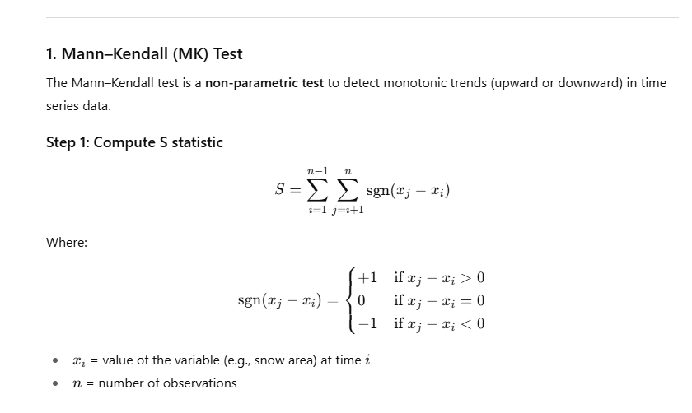
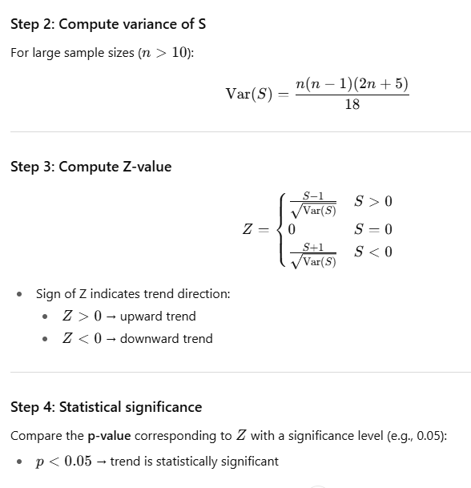
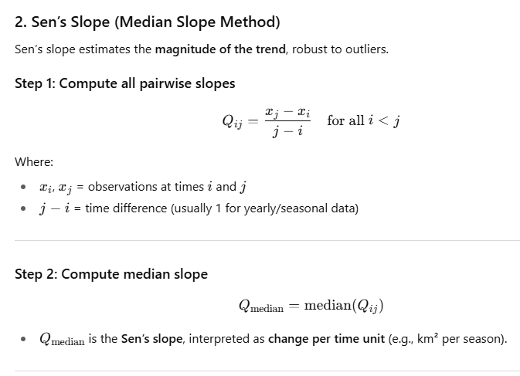
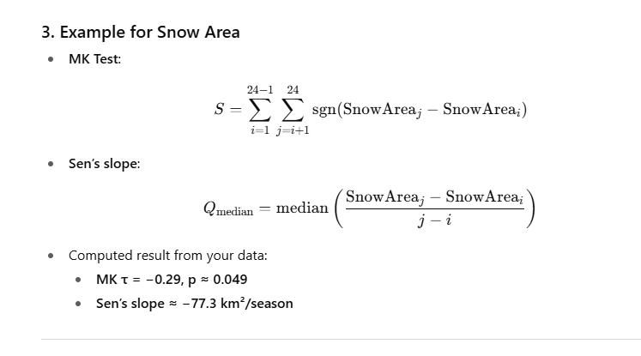
Variable | MK τ | p-value | Sen’s slope
Snow Area (km²) | −0.29 | 0.049 | −77.28 km²/season | it means this
Snow Line (m) | 0.25 | 0.097 | 8.30 m/season
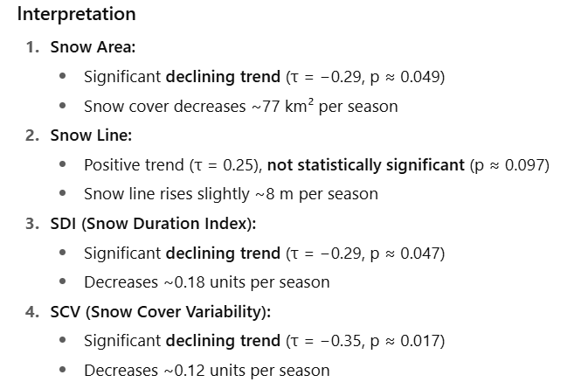
SDI | −0.29 | 0.047 | −0.18 /season
SCV | −0.35 | 0.017 | −0.12 /season

REG
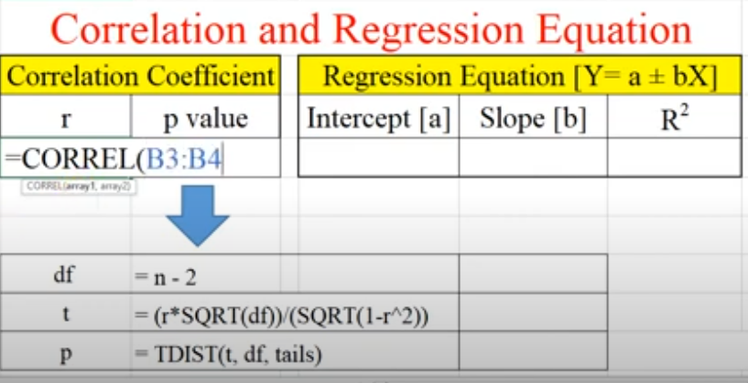
2000-2012 |  | 2012-2024
S.area_km2 | S.line_mean_m | S.area_km2 | S.line_mean_m |  | R | p value | intercept(a) | slpoe(b) | R2
3063.6 | 2241.3 | 4179.4 | 2225.5 | 2000-2012 | -0.87506284479 | 9.6835227933E-05 | 2443.6226313 | -0.10974124276 | 0.76573498233
4578.6 | 1835.9 | 2856.3 | 2134.3 |  |  |  |  |  | 0.76573498233
5951.2 | 1817.9 | 2591.3 | 2237.5 | 2013-2024 |  | y=a±bX | regression equation
3292.7 | 2062.9 | 3178.8 | 2015.7
5722.7 | 1769.0 | 3464.2 | 2023.0 |  | df | يةكسانة n-2 | 10 | ژماره‌ی داتاكان
3728.7 | 2171.8 | 1484.4 | 2246.4 |  | t | -5.7172281518
4501.7 | 2025.0 | 3578.0 | 2209.2 |  | p | 9.6835227933E-05
3588.9 | 1984.0 | 3929.9 | 2074.5
2379.2 | 2128.4 | 1973.9 | 2168.2 |  | t= (r*sqrt(df))/(sqrt(1-r^2))
1485.1 | 2218.2 | 4712.4 | 1986.9 |  | p=TDIST(t,df,tail)
3026.2 | 2141.1 | 2119.3 | 2434.7
4880.1 | 1858.0 | 1934.5 | 2146.3

df | deg of fridom
t
p

 |  |  | result
 |  |  | Interpretation: As snow-covered area increases, the snowline mean elevation tends to decrease significantly, and the relationship is strong and statistically significant.
 |  |  | Mean seasonal snow area: 2000–2012 = 3849.9 km², 2013–2024 = 3000.2 km² → decline = 849.7 km² (≈ 22.1% decrease).

 |  |  | Mean snow-line elevation: 2021.1 m → 2158.5 m → rise = 137.4 m (≈ 6.8% increase).

 |  |  | SDI fell from 9.0 → 6.9 (≈ −23.3%).

 |  |  | SCV fell from 5.9 → 4.7 (≈ −20.3%).

 | average season 2000-2001__2011-2012
season | S.area_km2 | S.line_mean_m | SDI | SCV
2000-2001 | 3063.6 | 2241.3 | 7.2 | 6.0
2001-2002 | 4578.6 | 1835.9 | 10.2 | 7.1
2002-2003 | 5951.2 | 1817.9 | 13.0 | 7.7
2003-2004 | 3292.7 | 2062.9 | 8.0 | 5.0
2004-2005 | 5722.7 | 1769.0 | 12.6 | 8.9
2005-2006 | 3728.7 | 2171.8 | 9.4 | 5.9
2006-2007 | 4501.7 | 2025.0 | 11.6 | 7.0
2007-2008 | 3588.9 | 1984.0 | 7.9 | 5.3
2008-2009 | 2379.2 | 2128.4 | 5.7 | 3.8
2009-2010 | 1485.1 | 2218.2 | 4.1 | 3.6
2010-2011 | 3026.2 | 2141.1 | 6.9 | 3.8
2011-2012 | 4880.1 | 1858.0 | 11.4 | 7.2
sum | 46198.8 | 24253.6 | 108.0 | 71.4
average/avg | 3849.9 | 2021.1 | 9.0 | 5.9

for R
first period 2000-2001 to 2011-2012
season | S.area_km2 | S.line_mean_m | SDI | SCV | second period |  | first period |  |  | first period | second period
2000-10 | 1.7 | 3114.2 | 0.1 | 0.4 | years | S.area_km2 | years | S.area_km2 |  | first period (2000/2001-2011/2012) | second period (2011/2012-2023/2024)
2000-11 | 101.7 | 2879.6 | 0.7 | 1.6 | 2012-2013 | 4179.4 | 2000-2001 | 3063.6 | 1 | 3063.6 | 4179.4
2000-12 | 4434.0 | 1831.2 | 8.4 | 8.8 | 2013-2014 | 2856.3 | 2001-2002 | 4578.6 | 2 | 4578.6 | 2856.3
2001-01 | 6367.9 | 1670.6 | 16.7 | 13.1 | 2014-2015 | 2591.3 | 2002-2003 | 5951.2 | 3 | 5951.2 | 2591.3
2001-02 | 5937.0 | 1716.9 | 13.8 | 9.9 | 2015-2016 | 3178.8 | 2003-2004 | 3292.7 | 4 | 3292.7 | 3178.8
2001-03 | 1539.1 | 2235.6 | 3.6 | 2.4 | 2016-2017 | 3464.2 | 2004-2005 | 5722.7 | 5 | 5722.7 | 3464.2
2001-10 | 0.0 |  | 0.1 | 0.3 | 2017-2018 | 1484.4 | 2005-2006 | 3728.7 | 6 | 3728.7 | 1484.4
2001-11 | 2039.2 | 2045.1 | 4.8 | 8.3 | 2018-2019 | 3578.0 | 2006-2007 | 4501.7 | 7 | 4501.7 | 3578.0
2001-12 | 3357.0 | 1937.1 | 8.1 | 4.7 | 2019-2020 | 3929.9 | 2007-2008 | 3588.9 | 8 | 3588.9 | 3929.9
2002-01 | 13520.5 | 1392.3 | 28.8 | 17.0 | 2020-2021 | 1973.9 | 2008-2009 | 2379.2 | 9 | 2379.2 | 1973.9
2002-02 | 6483.3 | 1672.9 | 14.2 | 10.6 | 2021-2022 | 4712.4 | 2009-2010 | 1485.1 | 10 | 1485.1 | 4712.4
2002-03 | 2071.4 | 2132.2 | 5.1 | 2.0 | 2022-2023 | 2119.3 | 2010-2011 | 3026.2 | 11 | 3026.2 | 2119.3
2002-10 | 0.0 |  | 0.1 | 0.3 | 2023-2024 | 1934.5 | 2011-2012 | 4880.1 | 12 | 4880.1 | 1934.5
2002-11 | 255.9 | 2764.5 | 0.7 | 1.2
2002-12 | 12274.3 | 1415.2 | 22.0 | 20.1
2003-01 | 7468.3 | 1640.9 | 17.9 | 7.9
2003-02 | 9728.0 | 1525.7 | 21.7 | 9.7
2003-03 | 5980.5 | 1743.3 | 15.7 | 7.1
2003-10 | 0.0 |  | 0.1 | 0.3
2003-11 | 262.6 | 2800.2 | 0.8 | 1.3
2003-12 | 2306.1 | 2043.4 | 5.6 | 5.6
2004-01 | 5990.4 | 1755.7 | 15.2 | 5.8
2004-02 | 9445.6 | 1524.2 | 22.0 | 14.9
2004-03 | 1751.5 | 2191.3 | 4.1 | 1.8
2004-10 | 0.0 |  | 0.0 | 0.1
2004-11 | 2368.5 | 2016.9 | 5.3 | 8.2
2004-12 | 4190.5 | 1863.5 | 9.8 | 6.7
2005-01 | 9710.7 | 1542.8 | 20.5 | 18.0
2005-02 | 15640.9 | 1339.4 | 33.9 | 17.8
2005-03 | 2425.5 | 2082.2 | 6.0 | 2.6
2005-10 | 6.6 | 2990.8 | 0.1 | 0.3
2005-11 | 499.6 | 2616.7 | 1.2 | 1.6
2005-12 | 1018.6 | 2291.1 | 5.2 | 9.9
2006-01 | 10319.1 | 1517.4 | 23.5 | 12.9
2006-02 | 7655.4 | 1633.6 | 19.6 | 7.7
2006-03 | 2873.2 | 1981.3 | 7.0 | 3.0
2006-10 | 0.6 | 2479.7 | 0.2 | 0.7
2006-11 | 859.0 | 2425.4 | 2.4 | 3.7
2006-12 | 1018.8 | 2313.2 | 6.5 | 13.7
2007-01 | 13222.5 | 1394.7 | 30.9 | 10.1
2007-02 | 8703.8 | 1568.6 | 21.4 | 9.7
2007-03 | 3205.2 | 1968.7 | 8.0 | 4.3
2007-10 | 0.0 |  | 0.1 | 0.2
2007-11 | 393.9 | 2530.5 | 1.1 | 2.1
2007-12 | 2107.1 | 2094.0 | 5.4 | 4.2
2008-01 | 6639.6 | 1597.4 | 13.7 | 10.1
2008-02 | 10474.8 | 1526.3 | 23.0 | 11.8
2008-03 | 1918.0 | 2171.8 | 4.4 | 3.3
2008-10 | 0.0 |  | 0.1 | 0.6
2008-11 | 341.9 | 2721.8 | 0.9 | 0.9
2008-12 | 1272.9 | 2244.8 | 3.0 | 3.6
2009-01 | 7468.9 | 1567.7 | 17.7 | 11.0
2009-02 | 2647.4 | 2047.1 | 6.3 | 3.5
2009-03 | 2544.3 | 2060.4 | 6.2 | 3.3
2009-10 | 0.0 |  | 0.0 | 0.1
2009-11 | 944.9 | 2395.7 | 2.0 | 2.7
2009-12 | 1951.0 | 2169.9 | 4.7 | 3.3
2010-01 | 2118.9 | 2132.2 | 6.8 | 5.8
2010-02 | 2827.3 | 2021.7 | 8.3 | 6.9
2010-03 | 1068.6 | 2371.5 | 3.0 | 2.6
2010-10 | 0.0 |  | 0.1 | 0.4
2010-11 | 23.6 | 3047.6 | 0.1 | 0.1
2010-12 | 885.6 | 2352.7 | 1.9 | 3.1
2011-01 | 6270.0 | 1650.5 | 12.5 | 9.0
2011-02 | 8634.3 | 1571.8 | 21.2 | 7.4
2011-03 | 2344.0 | 2082.8 | 5.6 | 2.8
2011-10 | 0.0 |  | 0.1 | 0.4
2011-11 | 938.0 | 2400.0 | 2.6 | 2.5
2011-12 | 1811.0 | 2125.1 | 4.4 | 4.5
2012-01 | 5502.3 | 1745.2 | 12.8 | 9.2
2012-02 | 10035.6 | 1536.0 | 24.1 | 9.7
2012-03 | 10993.9 | 1483.7 | 24.5 | 17.1
sum | 277192.7 | 127706.0 | 648.1 | 428.3
average | 3849.9 | 2027.1 | 9.0 | 5.9
 | second period 2012-2013__2023-2024
season | S.area_km2 | S.line_mean_m | SDI | SCV
2012-10 | 0.0 | 3418.1 | 0.1 | 0.3
2012-11 | 292.8 | 2765.1 | 0.7 | 1.0
2012-12 | 2926.1 | 1980.2 | 6.3 | 5.1
2013-01 | 13741.0 | 1367.6 | 26.1 | 19.1
2013-02 | 5737.5 | 1752.9 | 14.4 | 7.2
2013-03 | 2378.9 | 2069.0 | 5.8 | 2.6
2013-10 | 0.0 |  | 0.0 | 0.1
2013-11 | 111.3 | 2911.0 | 0.5 | 1.1
2013-12 | 9571.0 | 1502.9 | 18.3 | 13.7
2014-01 | 3652.1 | 1894.4 | 8.4 | 3.8
2014-02 | 2380.8 | 2074.5 | 6.0 | 3.6
2014-03 | 1422.5 | 2288.5 | 3.6 | 2.1
2014-10 | 30.7 | 3079.8 | 0.1 | 0.4
2014-11 | 999.9 | 2410.3 | 3.4 | 4.7
2014-12 | 2027.7 | 2152.8 | 5.2 | 3.5
2015-01 | 7169.0 | 1661.4 | 17.1 | 13.7
2015-02 | 3423.2 | 1943.6 | 9.1 | 7.6
2015-03 | 1897.3 | 2176.9 | 4.6 | 2.3
2015-10 | 0.0 |  | 0.1 | 0.4
2015-11 | 734.4 | 2525.3 | 1.8 | 1.7
2015-12 | 2980.6 | 1974.7 | 7.8 | 7.8
2016-01 | 8867.5 | 1569.3 | 22.2 | 9.7
2016-02 | 4673.5 | 1825.2 | 11.4 | 4.5
2016-03 | 1816.9 | 2184.1 | 4.4 | 2.2
2016-10 | 0.0 |  | 0.0 | 0.2
2016-11 | 125.8 | 2865.3 | 0.3 | 0.4
2016-12 | 5411.2 | 1745.2 | 11.4 | 12.0
2017-01 | 3789.0 | 1871.3 | 10.1 | 7.4
2017-02 | 8899.6 | 1587.6 | 20.5 | 11.0
2017-03 | 2559.7 | 2045.5 | 6.3 | 3.1
2017-10 | 0.0 |  | 0.0 | 0.1
2017-11 | 344.7 | 2584.4 | 1.2 | 2.4
2017-12 | 2075.4 | 2100.7 | 5.0 | 5.3
2018-01 | 3251.9 | 1987.0 | 7.7 | 5.1
2018-02 | 2357.5 | 2090.9 | 5.6 | 2.3
2018-03 | 877.1 | 2468.9 | 2.2 | 1.2
2018-10 | 2.3 | 3198.1 | 0.1 | 0.3
2018-11 | 344.0 | 2725.2 | 1.1 | 1.9
2018-12 | 3007.1 | 1996.9 | 7.8 | 5.7
2019-01 | 9867.4 | 1539.9 | 22.8 | 11.3
2019-02 | 4164.5 | 1887.4 | 10.6 | 3.6
2019-03 | 4082.7 | 1907.9 | 10.6 | 3.3
2019-10 | 0.0 |  | 0.0 | 0.2
2019-11 | 25.2 | 3070.0 | 0.2 | 0.5
2019-12 | 1907.2 | 2172.8 | 5.1 | 4.3
2020-01 | 8879.1 | 1566.1 | 20.7 | 11.1
2020-02 | 10190.0 | 1510.4 | 22.7 | 15.8
2020-03 | 2578.1 | 2053.3 | 6.4 | 2.6
2020-10 | 0.0 |  | 0.0 | 0.1
2020-11 | 393.0 | 2682.9 | 1.2 | 2.2
2020-12 | 1685.1 | 2200.8 | 4.5 | 4.0
2021-01 | 4510.1 | 1799.2 | 9.2 | 10.2
2021-02 | 3791.8 | 1894.9 | 9.2 | 5.1
2021-03 | 1463.6 | 2263.4 | 3.7 | 1.9
2021-10 | 0.0 |  | 0.0 | 0.2
2021-11 | 85.3 | 2805.8 | 0.3 | 0.6
2021-12 | 2659.0 | 2020.8 | 6.1 | 6.7
2022-01 | 17550.0 | 1280.4 | 30.0 | 26.5
2022-02 | 5349.5 | 1780.5 | 12.4 | 8.1
2022-03 | 2630.7 | 2046.8 | 6.5 | 2.1
2022-10 | 0.6 | 3350.8 | 0.1 | 0.3
2022-11 | 165.9 | 2874.4 | 0.6 | 1.3
2022-12 | 846.4 | 2456.9 | 2.4 | 1.9
2023-01 | 1982.8 | 2127.9 | 5.0 | 4.3
2023-02 | 7914.8 | 1634.2 | 18.7 | 9.5
2023-03 | 1805.2 | 2164.3 | 4.2 | 2.8
2023-10 | 0.0 |  | 0.1 | 0.4
2023-11 | 509.7 | 2507.0 | 1.6 | 3.2
2023-12 | 1200.9 | 2323.2 | 3.1 | 2.9
2024-01 | 4020.0 | 1847.5 | 9.3 | 6.0
2024-02 | 3673.5 | 1929.9 | 9.7 | 4.8
2024-03 | 2202.8 | 2124.2 | 5.8 | 2.3
sum | 216014.7 | 138618.2 | 499.7 | 336.6
average | 3000.2 | 2165.9 | 6.9 | 4.7

