Smiles
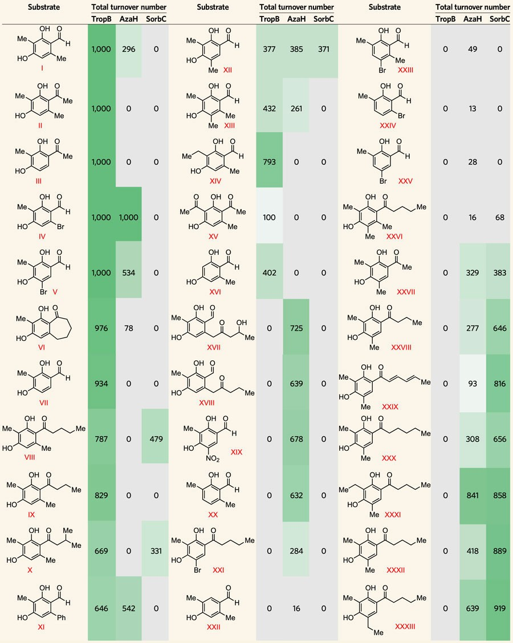
Row No. | Substrate | Smiles | Substrate | Smiles | Substrate | Smiles

1 |  | OC1=C(C([H])=O)C(C)=CC(O)=C1C |  | OC1=C(C([H])=O)C=C(C)C(O)=C1C |  | OC1=C(C([H])=O)C(C)=C(Br)C=C1C
 | S1 (SBDI-004) |  | S14 (SBDII-094)
2 |  | OC1=C(C(C)=O)C(C)=CC(O)=C1C |  | OC1=C(C([H])=O)C(C)=C(C)C(O)=C1C |  | OC1=C(C([H])=O)C(Br)=CC=C1C
 | S2 (SBDI-074) |  | S23 (SBDII-129)
3 |  | OC1=C(C(C)=O)C=CC(O)=C1C |  | OC1=C(C([H])=O)C(C)=CC(O)=C1CC |  | OC1=C(C([H])=O)C=C(Br)C=C1C
 | S17 (SBDII-198) |  | S15 (SBDII-122)
4 |  | OC1=C(C([H])=O)C(Br)=CC(O)=C1C |  | OC1=C(C(C)=O)C(C)=CC(O)=C1C(C)=O |  | OC1=C(C(CCCC)=O)C(C)=C(C)C(O)=C1C

5 |  | OC1=C(C([H])=O)C=C(Br)C(O)=C1C |  | OC1=C(C([H])=O)C(C)=CC(O)=C1 |  | OC1=C(C(C)=O)C=C(C)C(O)=C1C
 | S6 (SBDI-151) |  | S5 (SBDII-156) |  | S8 (SBDII-061)
6 |  | OC1=C2C(CCCCC2=O)=CC(O)=C1C |  | OC1=C(C=O)C(CC(CC(O)C)=O)=CC(O)=C1C |  | OC1=C(C(CCC)=O)C=C(C)C(O)=C1C
 | S20 (SBDII-025) |  |  |  | S13 (SBDIII-064)
7 |  | OC1=C(C(C)=O)C=CC(O)=C1C |  | OC1=C(C=O)C(CC(CCC)=O)=CC(O)=C1C |  | OC1=C(C(/C=C/C=C/C)=O)C=C(C)C(O)=C1C
 |  |  | S38 |  | S10 (SBDII-125)
8 |  | OC1=C(C(CCCC)=O)C(C)=CC(O)=C1C |  | OC1=C(C([H])=O)C=C([N+]([O-])=O)C(O)=C1C |  | OC1=C(C(CCCCC)=O)C=C(C)C(O)=C1C
 | S33 (SBDIII-121) |  | S39 |  | S9 (SBDII-110)
9 |  | OC1=C(C(CCC)=O)C(C)=CC(O)=C1C |  | OC1=C(C([H])=O)C(C)=CC=C1C |  | OC1=C(C(CCCC)=O)C=C(C)C(O)=C1CC
 |  |  | S40 |  | S12 (SBDIII-050)
10 |  | OC1=C(C(CC(C)C)=O)C(C)=CC(O)=C1C |  | OC1=C(C(CCCC)=O)C=C(Br)C(O)=C1C |  | OC1=C(C(CCCC)=O)C=C(C)C(O)=C1C
 | S4 (SBDI-066) |  | S11 (SBDII-142) |  | S3 (SBDII-111)
11 |  | OC1=C(C([H])=O)C(C2=CC=CC=C2)=CC(O)=C1C |  | O=C([H])C1=CC(C)=C(O)C=C1C |  | OC1=C(C(CCCC)=O)C(C)=C(CC)C(O)=C1C
 |  |  | S41

 |  |  |  |  |  |  | From Nat. Chem. 10, 119-125(2018)

