2012
Crimes Reported by Type and Provinces- 2012
Offence | Punjab | Sindh | KP | Balochistan | Islamabad | Railways | G.B | AJK | Pakistan
Murder | 6128 | 3726 | 2958 | 711 | 120 | 6 | 102 | 95 | 13846
Crimes Reported by Type and Provinces- 2012
Attempt to Murder | 7641 | 3732 | 2892 | 583 | 146 | 9 | 163 | 172 | 15338
Kidnapping /Abduction | 15699 | 3077 | 1052 | 386 | 70 | 6 | 32 | 288 | 20610
Dacoity | 2715 | 1341 | 60 | 98 | 22 | 1 | 8 | 12 | 4257
Robbery | 12181 | 4320 | 134 | 160 | 177 | 5 | 26 | 78 | 17081
Burglary | 14740 | 1680 | 500 | 117 | 245 | 0 | 101 | 255 | 17638
Cattle Theft | 8115 | 630 | 118 | 77 | 43 | 0 | 23 | 40 | 9046
Other Theft | 34719 | 2976 | 717 | 332 | 585 | 560 | 71 | 142 | 40102
Others | 292665 | 57206 | 139344 | 5745 | 5699 | 1528 | 1033 | 4509 | 507729
TOTAL RECORDED CRIME | 394603 | 78688 | 147775 | 8209 | 7107 | 2115 | 1559 | 5591 | 645647

2013
Crimes Reported by Type and Provinces- 2013
Crimes Reported by Type and Provinces- 2013
Offence | Punjab | Sindh | KP | Balochistan | Islamabad | Railways | G.B | AJK | Pakistan
Murder | 5969 | 3854 | 3163 | 639 | 131 | 4 | 73 | 104 | 13937
Attempt to Murder | 6935 | 3568 | 3146 | 482 | 203 | 7 | 96 | 211 | 14648
Kidnapping /Abduction | 14527 | 3149 | 1137 | 304 | 112 | 2 | 32 | 288 | 19551
Dacoity | 2479 | 1354 | 66 | 85 | 52 | 2 | 2 | 13 | 4053
Robbery | 12609 | 4045 | 145 | 189 | 288 | 4 | 16 | 67 | 17363
Burglary | 13912 | 1651 | 653 | 156 | 345 | 1 | 95 | 240 | 17053
Cattle Theft | 6968 | 477 | 127 | 68 | 39 | 0 | 24 | 40 | 7743
Other Theft | 32506 | 2837 | 826 | 312 | 667 | 386 | 85 | 132 | 37751
Others | 294503 | 54055 | 133466 | 6402 | 6257 | 1650 | 1172 | 4800 | 502305
TOTAL RECORDED CRIME | 390408 | 74990 | 142729 | 8637 | 8094 | 2056 | 1595 | 5895 | 634404

2014
Crimes Reported by Type and Provinces- 2014
Offence | Punjab | Sindh | KP | Balochistan | Islamabad | Railways | G.B | AJK | Pakistan
Murder | 5953 | 3225 | 3184 | 615 | 144 | 4 | 74 | 77 | 13276
Crimes Reported by Type and Provinces- 2014
Attempt to Murder | 7204 | 3017 | 3281 | 465 | 164 | 6 | 109 | 253 | 14499
Kidnapping /Abduction | 14247 | 2947 | 1277 | 268 | 98 | 5 | 25 | 244 | 19111
Dacoity | 1984 | 1320 | 77 | 67 | 56 | 1 | 7 | 4 | 3516
Robbery | 13808 | 3433 | 199 | 202 | 379 | 3 | 18 | 65 | 18107
Burglary | 14206 | 1387 | 778 | 143 | 384 | 0 | 49 | 203 | 17150
Cattle Theft | 6685 | 504 | 100 | 69 | 27 | 21 | 19 | 34 | 7459
Other Theft | 30178 | 2710 | 1053 | 258 | 580 | 325 | 66 | 118 | 35288
Others | 295353 | 55230 | 127715 | 6761 | 6564 | 1438 | 959 | 4701 | 498721
TOTAL RECORDED CRIME | 389618 | 73773 | 137664 | 8848 | 8396 | 1803 | 1326 | 5699 | 627127

2015
Crimes Reported by Type and Provinces- 2015
Offence | Punjab | Sindh | KP | Balochistan | Islamabad | Railways | G.B | AJK | Pakistan
Murder | 4422 | 1907 | 2496 | 412 | 116 | 3 | 54 | 76 | 9486
Attempt to Murder | 5234 | 2280 | 3008 | 356 | 131 | 7 | 98 | 222 | 11336
Crimes Reported by Type and Provinces- 2015
Kidnapping /Abduction | 13378 | 2963 | 1165 | 246 | 97 | 1 | 35 | 279 | 18164
Dacoity | 1318 | 858 | 50 | 66 | 26 | 1 | 7 | 3 | 2329
Robbery | 11871 | 2595 | 234 | 186 | 209 | 1 | 16 | 52 | 15164
Burglary | 12762 | 1323 | 878 | 162 | 330 | 0 | 56 | 225 | 15736
Cattle Theft | 5837 | 437 | 97 | 53 | 21 | 0 | 22 | 35 | 6502
Other Theft | 27452 | 2615 | 1178 | 248 | 512 | 266 | 60 | 69 | 32400
Others | 300781 | 57652 | 142994 | 7182 | 6340 | 1287 | 1143 | 4803 | 522182
TOTAL RECORDED CRIME | 383055 | 72630 | 152100 | 8911 | 7782 | 1566 | 1491 | 5764 | 633299

2016
Crimes Reported by Type and Provinces- 2016
Offence | Punjab | Sindh | KP | Balochistan | Islamabad | Railways | G.B | AJK | Pakistan
Murder | 3995 | 1445 | 2481 | 382 | 94 | 2 | 67 | 50 | 8516
Attempt to Murder | 4647 | 1955 | 2900 | 340 | 141 | 4 | 84 | 208 | 10279
Kidnapping /Abduction | 13349 | 2891 | 1214 | 215 | 81 | 4 | 32 | 271 | 18057
Dacoity | 825 | 707 | 58 | 30 | 12 | 0 | 4 | 0 | 1636
Robbery | 10078 | 2409 | 206 | 160 | 185 | 1 | 7 | 42 | 13088
Burglary | 11586 | 1472 | 840 | 154 | 297 | 0 | 59 | 164 | 14572
Cattle Theft | 5384 | 419 | 122 | 67 | 29 | 1 | 20 | 26 | 6068
Other Theft | 29674 | 2455 | 1093 | 249 | 489 | 245 | 48 | 67 | 34320
Others | 328610 | 58794 | 163403 | 7051 | 5689 | 1110 | 1226 | 5135 | 571018
Crimes Reported by Type and Provinces- 2016
TOTAL RECORDED CRIME | 408148 | 72547 | 172317 | 8648 | 7017 | 1367 | 1547 | 5963 | 677554

2017
Crimes Reported by Type and Provinces- 2017
Crimes Reported by Type and Provinces- 2017
Offence | Punjab | Sindh | KP | Balochistan | Islamabad | Railways | G.B | AJK | Pakistan
Murder | 3914 | 1409 | 2361 | 325 | 84 | 6 | 61 | 75 | 8235
Attempt to Murder | 4440 | 1644 | 2641 | 333 | 163 | 5 | 94 | 179 | 9499
Kidnapping /Abduction | 13558 | 2927 | 1197 | 248 | 99 | 7 | 48 | 279 | 18363
Dacoity | 602 | 572 | 45 | 38 | 16 | 1 | 4 | 2 | 1280
Robbery | 9385 | 2364 | 276 | 185 | 195 | 4 | 15 | 34 | 12458
Burglary | 11023 | 1344 | 798 | 135 | 253 | 1 | 63 | 216 | 13833
Cattle Theft | 4721 | 383 | 126 | 39 | 22 | 0 | 17 | 34 | 5342
Other Theft | 33053 | 2221 | 882 | 272 | 506 | 234 | 64 | 72 | 37304
Others | 325149 | 57409 | 172504 | 7917 | 5798 | 1270 | 1370 | 6194 | 577611
TOTAL RECORDED CRIME | 405845 | 70273 | 180830 | 9492 | 7136 | 1528 | 1736 | 7085 | 683925

Yearly comparison
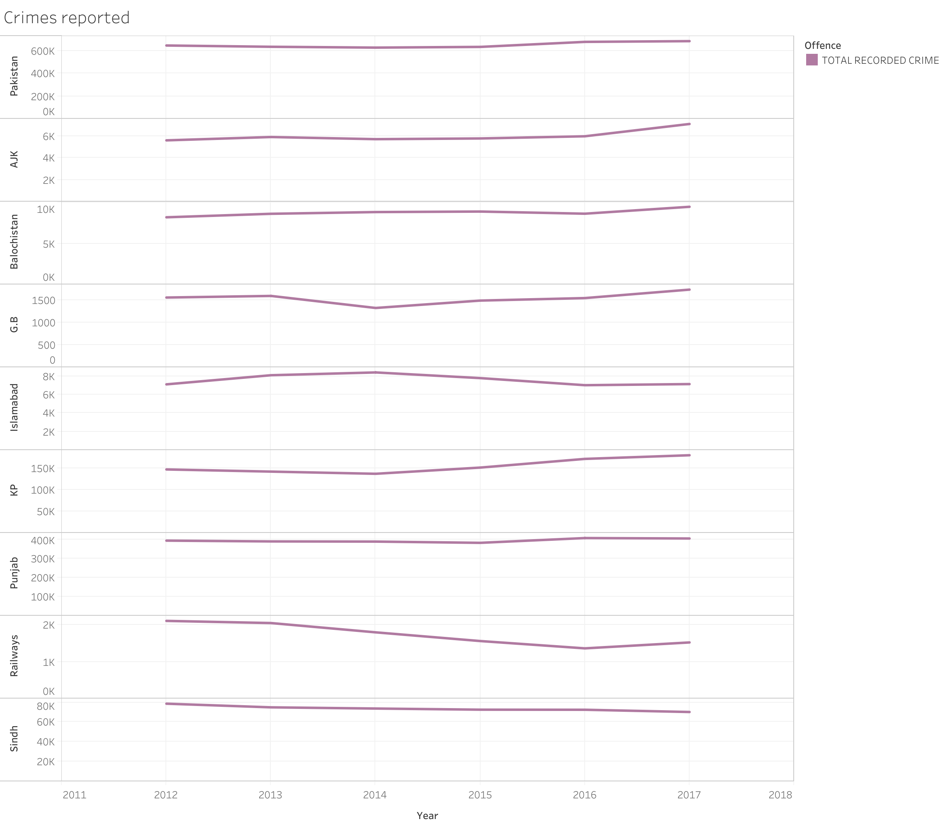
Year | Offence | Punjab | Sindh | KP | Balochistan | Islamabad | Railways | G.B | AJK | Pakistan
2012 | Murder | 6128 | 3726 | 2958 | 711 | 120 | 6 | 102 | 95 | 13846
2012 | Attempt to Murder | 7641 | 3732 | 2892 | 583 | 146 | 9 | 163 | 172 | 15338
2012 | Kidnapping /Abduction | 15699 | 3077 | 1052 | 386 | 70 | 6 | 32 | 288 | 20610
2012 | Dacoity | 2715 | 1341 | 60 | 98 | 22 | 1 | 8 | 12 | 4257
2012 | Robbery | 12181 | 4320 | 134 | 160 | 177 | 5 | 26 | 78 | 17081
2012 | Burglary | 14740 | 1680 | 500 | 117 | 245 | 0 | 101 | 255 | 17638
2012 | Cattle Theft | 8115 | 630 | 118 | 77 | 43 | 0 | 23 | 40 | 9046
2012 | Other Theft | 34719 | 2976 | 717 | 332 | 585 | 560 | 71 | 142 | 40102
2012 | Others | 292665 | 57206 | 139344 | 5745 | 5699 | 1528 | 1033 | 4509 | 507729
2012 | TOTAL RECORDED CRIME | 394603 | 78688 | 147775 | 8209 | 7107 | 2115 | 1559 | 5591 | 645647
2013 | Murder | 5969 | 3854 | 3163 | 639 | 131 | 4 | 73 | 104 | 13937
2013 | Attempt to Murder | 6935 | 3568 | 3146 | 482 | 203 | 7 | 96 | 211 | 14648
2013 | Kidnapping /Abduction | 14527 | 3149 | 1137 | 304 | 112 | 2 | 32 | 288 | 19551
2013 | Dacoity | 2479 | 1354 | 66 | 85 | 52 | 2 | 2 | 13 | 4053
2013 | Robbery | 12609 | 4045 | 145 | 189 | 288 | 4 | 16 | 67 | 17363
2013 | Burglary | 13912 | 1651 | 653 | 156 | 345 | 1 | 95 | 240 | 17053
2013 | Cattle Theft | 6968 | 477 | 127 | 68 | 39 | 0 | 24 | 40 | 7743
2013 | Other Theft | 32506 | 2837 | 826 | 312 | 667 | 386 | 85 | 132 | 37751
2013 | Others | 294503 | 54055 | 133466 | 6402 | 6257 | 1650 | 1172 | 4800 | 502305
2013 | TOTAL RECORDED CRIME | 390408 | 74990 | 142729 | 8637 | 8094 | 2056 | 1595 | 5895 | 634404
2014 | Murder | 5953 | 3225 | 3184 | 615 | 144 | 4 | 74 | 77 | 13276
2014 | Attempt to Murder | 7204 | 3017 | 3281 | 465 | 164 | 6 | 109 | 253 | 14499
2014 | Kidnapping /Abduction | 14247 | 2947 | 1277 | 268 | 98 | 5 | 25 | 244 | 19111
2014 | Dacoity | 1984 | 1320 | 77 | 67 | 56 | 1 | 7 | 4 | 3516
2014 | Robbery | 13808 | 3433 | 199 | 202 | 379 | 3 | 18 | 65 | 18107
2014 | Burglary | 14206 | 1387 | 778 | 143 | 384 | 0 | 49 | 203 | 17150
2014 | Cattle Theft | 6685 | 504 | 100 | 69 | 27 | 21 | 19 | 34 | 7459
2014 | Other Theft | 30178 | 2710 | 1053 | 258 | 580 | 325 | 66 | 118 | 35288
2014 | Others | 295353 | 55230 | 127715 | 6761 | 6564 | 1438 | 959 | 4701 | 498721
2014 | TOTAL RECORDED CRIME | 389618 | 73773 | 137664 | 8848 | 8396 | 1803 | 1326 | 5699 | 627127
2015 | Murder | 4422 | 1907 | 2496 | 412 | 116 | 3 | 54 | 76 | 9486
2015 | Attempt to Murder | 5234 | 2280 | 3008 | 356 | 131 | 7 | 98 | 222 | 11336
2015 | Kidnapping /Abduction | 13378 | 2963 | 1165 | 246 | 97 | 1 | 35 | 279 | 18164
2015 | Dacoity | 1318 | 858 | 50 | 66 | 26 | 1 | 7 | 3 | 2329
2015 | Robbery | 11871 | 2595 | 234 | 186 | 209 | 1 | 16 | 52 | 15164
2015 | Burglary | 12762 | 1323 | 878 | 162 | 330 | 0 | 56 | 225 | 15736
2015 | Cattle Theft | 5837 | 437 | 97 | 53 | 21 | 0 | 22 | 35 | 6502
2015 | Other Theft | 27452 | 2615 | 1178 | 248 | 512 | 266 | 60 | 69 | 32400
2015 | Others | 300781 | 57652 | 142994 | 7182 | 6340 | 1287 | 1143 | 4803 | 522182
2015 | TOTAL RECORDED CRIME | 383055 | 72630 | 152100 | 8911 | 7782 | 1566 | 1491 | 5764 | 633299
2016 | Murder | 3995 | 1445 | 2481 | 382 | 94 | 2 | 67 | 50 | 8516
2016 | Attempt to Murder | 4647 | 1955 | 2900 | 340 | 141 | 4 | 84 | 208 | 10279
2016 | Kidnapping /Abduction | 13349 | 2891 | 1214 | 215 | 81 | 4 | 32 | 271 | 18057
2016 | Dacoity | 825 | 707 | 58 | 30 | 12 | 0 | 4 | 0 | 1636
2016 | Robbery | 10078 | 2409 | 206 | 160 | 185 | 1 | 7 | 42 | 13088
2016 | Burglary | 11586 | 1472 | 840 | 154 | 297 | 0 | 59 | 164 | 14572
2016 | Cattle Theft | 5384 | 419 | 122 | 67 | 29 | 1 | 20 | 26 | 6068
2016 | Other Theft | 29674 | 2455 | 1093 | 249 | 489 | 245 | 48 | 67 | 34320
2016 | Others | 328610 | 58794 | 163403 | 7051 | 5689 | 1110 | 1226 | 5135 | 571018
2016 | TOTAL RECORDED CRIME | 408148 | 72547 | 172317 | 8648 | 7017 | 1367 | 1547 | 5963 | 677554
2017 | Murder | 3914 | 1409 | 2361 | 325 | 84 | 6 | 61 | 75 | 8235
2017 | Attempt to Murder | 4440 | 1644 | 2641 | 333 | 163 | 5 | 94 | 179 | 9499
2017 | Kidnapping /Abduction | 13558 | 2927 | 1197 | 248 | 99 | 7 | 48 | 279 | 18363
2017 | Dacoity | 602 | 572 | 45 | 38 | 16 | 1 | 4 | 2 | 1280
2017 | Robbery | 9385 | 2364 | 276 | 185 | 195 | 4 | 15 | 34 | 12458
2017 | Burglary | 11023 | 1344 | 798 | 135 | 253 | 1 | 63 | 216 | 13833
2017 | Cattle Theft | 4721 | 383 | 126 | 39 | 22 | 0 | 17 | 34 | 5342
2017 | Other Theft | 33053 | 2221 | 882 | 272 | 506 | 234 | 64 | 72 | 37304
2017 | Others | 325149 | 57409 | 172504 | 7917 | 5798 | 1270 | 1370 | 6194 | 577611
2017 | TOTAL RECORDED CRIME | 405845 | 70273 | 180830 | 9492 | 7136 | 1528 | 1736 | 7085 | 683925

