Sheet1
Week 1
Task 1: Write 5 test cases for a login form

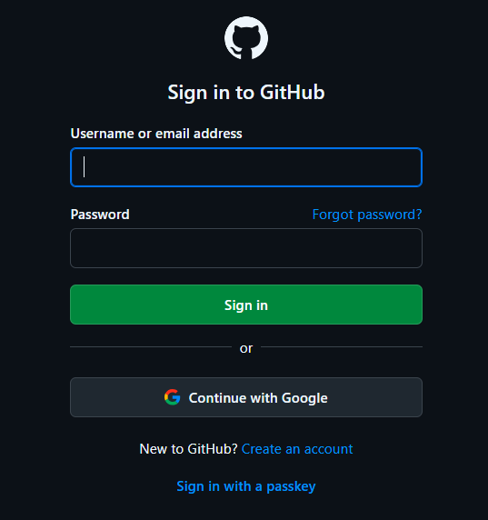

Test Scenario | verify github login functionality
Precondition | User account must be registered on GitHub

Test Case ID | Test Case Title | Test Steps | Test Data | Expected Result (ER) | Actual Result | Priority | Result
T-001 | Verify login with valid username and password. | 1.Navigate to login page 2.Provide a valid username 3.Provide a valid password 4.Click on "Sign in" | Username:standard_user Password:standard_123 | 1.User Successfully Logged in 2. User Successfully redirected to github dashboard. | 1.User Successfully Logged in 2. User Successfully redirected to github dashboard. | High | PASS
T-002 | Verify login with invalid username and valid password. | 1.Navigate to login page 2.Provide a invalid username 3.Provide a valid password 4.Click on "Sign in" | Username:standard_ad Password:standard_123 | 1.User should not be Logged in 2.Pop up will shown to user "Incorrect username or password." | 1.User should not be Logged in 2.Pop up is shown to user "Incorrect username or password." | High | PASS
T-003 | Verify login with valid username and invalid password. | 1.Navigate to login page 2.Provide a valid username 3.Provide a invalid password 4.Click on "Sign in" | Username:standard_user Password:standard_456 | 1.User should not be Logged in 2.Pop up will shown to user "Incorrect username or password." | 1.User should not be Logged in 2.Pop up is shown to user "Incorrect username or password." | High | PASS
T-004 | Verify login with both username and password fields empty. | 1.Navigate to login page 2.Click on "Sign in" | Username: Password: | 1.User should not be Logged in 2.Pop up will shown to user "Please fill out this field". | 1.User should not be Logged in 2.Pop up is shown to user "Please fill out this field". | High | PASS
T-005 | Verify Forget password | 1.Navigate to login page 2.Click on "Forget password" |  | 1.User should be redirected to forget password page. | 1.User is redirected to forget password page. | High | PASS

