Screenshot
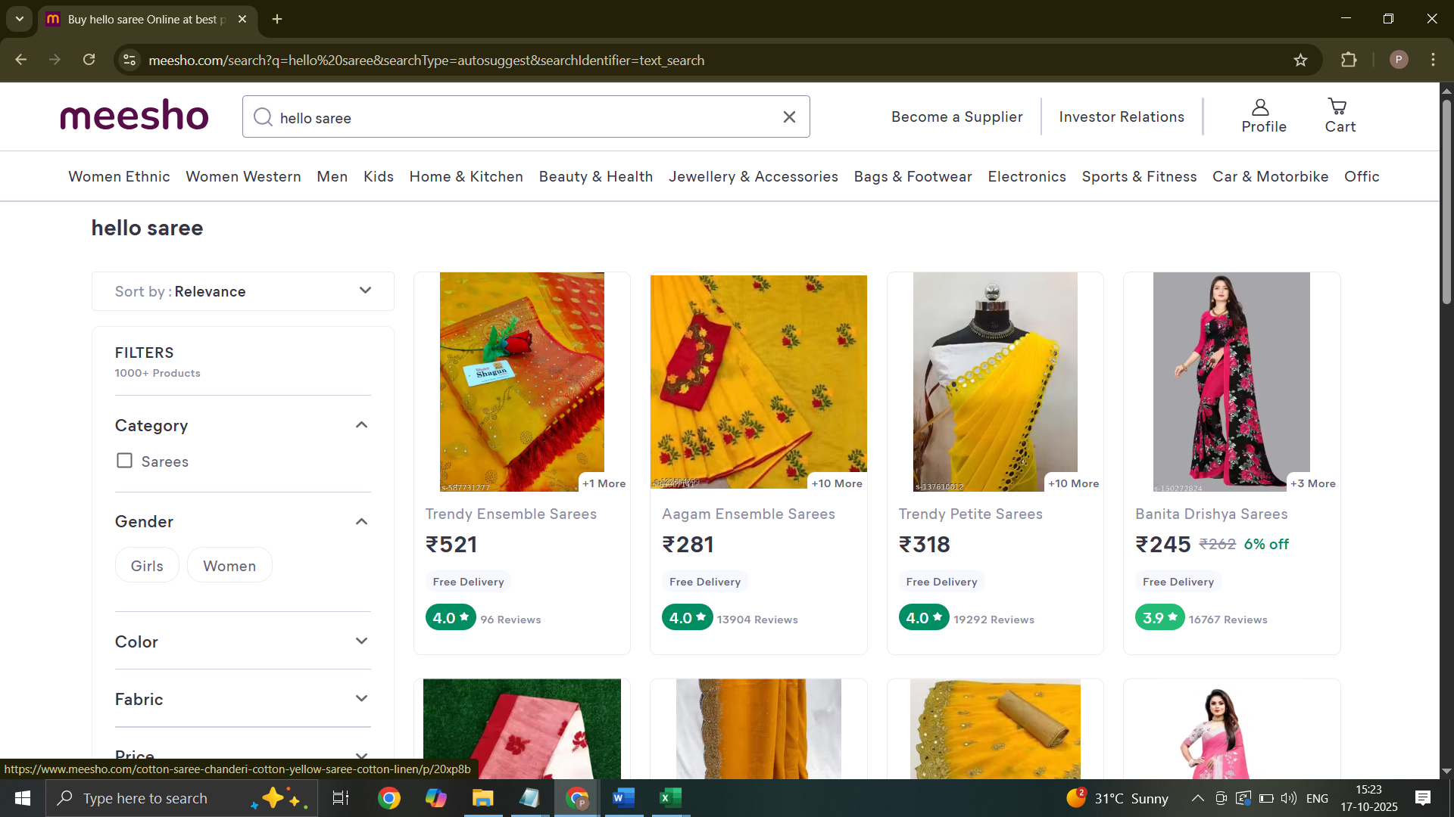
Screenshot Id | Screenshot
SS-101

