Sheet1
Name | Keypoint Scan | Overall Percentage | 1. (Eyes to Nose Flair) to Nose Base |  | 2. (Eyes to Nostril top) to Centre of lips |  | 3. (Eyes to Nose base) to Bottom of lips |  | 4. (Eyes to Centre of lips) to Bottom of Chin |  | 5. (Nose Flair to Bottom of Lips) to Bottom of Chin |  | 6. (Nose Flair to Top of Lips) to Bottom of Chin |  | 7. (Top of Lips to Bottom of lips) to Bottom of Chin |  | 8. (Top of Lips to Centre of lips) to Bottom of Lips |  | 9. (Top of Eyebrows to Top of eyes) to Bottom of eyes |  | 10. (Top of Eyebrows to Top of lips) to Bottom of Chin |  | 11a. (Left Side of Face to Left Side of eyes) to Centre of Left Pupil |  | 11b. (Right Side of Face to Right Side of eyes) to Centre of Right Pupil |  | 12a. (Left Side of Face to Left Side of Iris) to Other Side of Left eye |  | 12b. (Right Side of Face to Right Side of Iris) to Other Side of Right eye |  | 13a. (Left Side of Face to Left Side of Iris) to Centre of Face |  | 13b. (Right Side of Face to Right Side of Iris) to Centre of Face |  | 14a. (Left Side of Face to Side of Left eye) to the Right eye |  | 14b. (Right Side of Face to Side of Right eye) to the Left eye |  | 15a. (Left Side of Face to Centre of Face) to the Right eye |  | 15b. (Right Side of Face to Centre of Face) to the Left eye |  | 16a. (Left Side of Face to Inside Right eye) to Right side of face |  | 16b. (Right Side of Face to Inside Left eye) to Left side of face |  | 17a. (Left Side of Eye to Left Flair of Nose) to Right Flair of Nose |  | 17b. (Right Side of Eye to Right Flair of Nose) to Left Flair of Nose |  | 18a. (Centre of Left Pupil to Top of Nose Flair) to bottom of nose |  | 18b. (Centre of Right Pupil to Top of Nose Flair) to bottom of nose |  | 19a. (Centre of Left Pupil to Centre of Left Nostril) to Centre of Right Nostril |  | 19b. (Centre of Right Pupil to Centre of Right Nostrils) to Centre of Left Nostril |  | 20a. (Inside of Left Eye to Left Nose Bridge) to Right Nose Bridge |  | 20b. (Inside of Right Eye to Right Nose Bridge) to Left Nose Bridge |  | 21a. (Left Side of Mouth to Cupid’s Left bow point of lips) to Cupid’s Right bow point of lips |  | 21b. (Right Side of Mouth to Cupid’s Right bow point of lips) to Cupid’s Left bow point of lips |  | 22. (Bottom of nose to Top of lips) to Bottom of lips |  | 23. Head Height to Head Width
 |  |  | Scan | Rating | Scan | Rating | Scan | Rating | Scan | Rating | Scan | Rating | Scan | Rating | Scan | Rating | Scan | Rating | Scan | Rating | Scan | Rating | Scan | Rating | Scan | Rating | Scan | Rating | Scan | Rating | Scan | Rating | Scan | Rating | Scan | Rating | Scan | Rating | Scan | Rating | Scan | Rating | Scan | Rating | Scan | Rating | Scan | Rating | Scan | Rating | Scan | Rating | Scan | Rating | Scan | Rating | Scan | Rating | Scan | Rating | Scan | Rating | Scan | Rating | Scan | Rating | Scan | Rating | Scan | Rating
15. Azlan [Full Name Censored] | 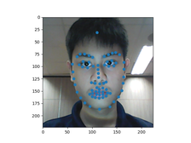 | 78.14625706071834% | 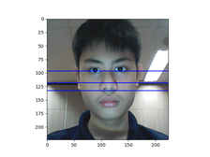 | 92.24037616514106% |  | 82.14628625601699% |  | 85.40295371948854% |  | 90.56025858127997% | 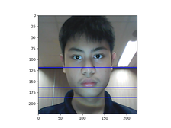 | 77.22144948724574% |  | 90.74399067852939% | 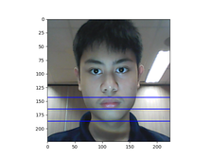 | 70.8890502257808% | 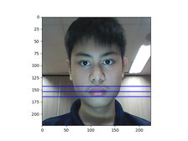 | 63.334123612615855% | 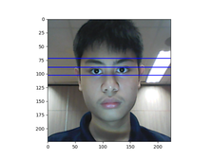 | 73.95585263194408% |  | 99.72561643361321% | 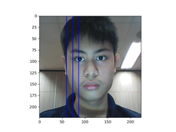 | 72.19632055847137% | 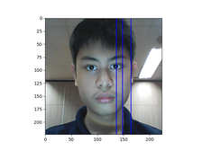 | 87.11634993825339% | 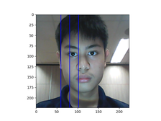 | 68.62613933833971% |  | 86.4204921909742% | 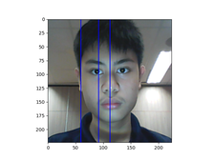 | 98.30884157610146% | 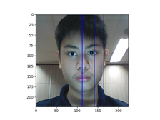 | 59.512272439156824% | 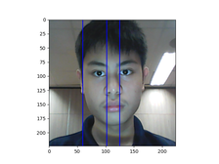 | 88.48388653788032% |  | 94.74174611456012% |  | 89.92083811556368% |  | 85.32722636516657% |  | 97.97147264257026% | 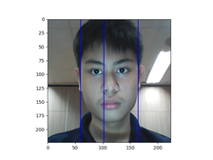 | 92.37923835075567% |  | 75.9277545634001% |  | 65.50464070010563% |  | 82.21016235463293% |  | 87.2771480295427% |  | 23.908558639495283% |  | 58.17789488598834% |  | 66.2119804919902% |  | 54.403691689094124% |  | 77.71057219282864% |  | 80.04860828241078% |  | 46.26356329004718% | 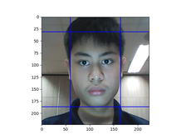 | 92.10338298543765%

