SQL
Tasks
 |  | Final | PlayGround
1 | Write an SQL statement to list all employees with their full names, gender and salary | SELECT concat(e.first_name," ",e.last_name) as full_name, e.gender, s.salary FROM employees e JOIN salaries s ON e.emp_no=s.emp_no ; | SELECT concat(first_name," ",last_name) as full_name, gender FROM employees; SELECT concat(e.first_name," ",e.last_name) as full_name, e.gender, s.salary FROM employees e JOIN salaries s ON e.emp_no=s.emp_no ;
2 | Write an SQL statement to show the title of all employees and their department name. |  | CREATE VIEW emp_with_title AS SELECT e.emp_no, concat(e.first_name," ",e.last_name) as full_name, e.gender, t.title FROM employees e JOIN titles t ON e.emp_no=t.emp_no WHERE to_date="9999-01-01";
 |  |  | CREATE VIEW emp_with_dep AS SELECT de.emp_no, d.dept_no, d.dept_name FROM departments d JOIN dept_emp de ON d.dept_no=de.dept_no;
 |  |  | SELECT DISTINCT ewt.full_name, ewt.title, ewd.dept_name FROM emp_with_dep ewd RIGHT JOIN emp_with_title ewt ON ewd.emp_no=ewt.emp_no;
3 | Write an SQL statement to show the full names and gender who belong to department number 'd004'. |  | SELECT DISTINCT ewt.full_name, ewt.gender FROM emp_with_dep ewd RIGHT JOIN emp_with_title ewt ON ewd.emp_no=ewt.emp_no WHERE ewd.dept_no="d004";
4 | Write an SQL statement to show the all departments and their department’s managers. |  | SELECT ewt.emp_no, ewt.full_name, dm.dept_no FROM emp_with_title ewt JOIN dept_manager dm ON dm.emp_no=ewt.emp_no WHERE dm.to_date="9999-01-01"
5 | Write an SQL statement to show a list of department’s managers who were hired after 1990 |  | CREATE VIEW current_millenial_dept_manager AS SELECT * FROM dept_manager WHERE to_date="9999-01-01" AND from_date<"1990-12-31";
 |  |  | SELECT ewt.full_name FROM emp_with_title ewt JOIN current_millenial_dept_manager dm ON ewt.emp_no=dm.emp_no
6 | Write an SQL statement to change any employee’s date of birth. Assume the employee has just phoned in with his/her last name. | UPDATE employees SET birth_date="1997-07-07" WHERE last_name="Kalloufi"; | UPDATE table SET col1 = exp1 WHERE condition
7 | Write an SQL statement to increase salaries of all employees up to 5.5% who are working from 1997. | UPDATE employees SET birth_date="1997-07-07" WHERE last_name="Kalloufi"; | UPDATE table SET col=exp WHERE condition
 |  |  | SELECT emp_no, salary as old_salary, (salary *115/100) as new_salary, from_date FROM salaries WHERE from_date > "1990-01-01";
 |  | UPDATE salaries SET salary=salary*115/100 WHERE emp_no IN emps_after_1990; | CREATE VIEW emps_after_1990 AS SELECT s.emp_no FROM salaries AS s JOIN employees AS e ON s.emp_no=e.emp_no WHERE e.hire_date>="1990-01-01"
 |  | UPDATE salaries s, employees e SET s.salary=s.salary*1055/1000 WHERE e.hire_date>="1990-01-01" AND e.emp_no=s.emp_no;
8 | Write an SQL statement to delete employee’s record who belongs to department 'd004' and ID is 10015. | DELETE FROM employees e, dept_emp d WHERE e.emp_no=d.emp_no AND e.emp=10015 AND d.dept_no="d003" | DELETE FROM table WHERE condition
9 | Create a database view to list full names of all employees their departments and salaries.
10 | Create a database view to list all departments and their department’s managers, who were hired between 1990 and 2000. |  | create TABLE audit_customer( id int, name varchar(40) NOT NULL, email varchar(40) NOT NULL, city varchar(40) NOT NULL, country varchar(20) NOT NULL, date_of_deletion timestamp, PRIMARY KEY (id) );

 | select @newEmp := max(emp_no)+1 from employees;
 | INSERT INTO employees VALUES (@newEmp,'1970-01-01','Dio','Brando','M','1990-01-01');
 | INSERT INTO titles VALUES (@newEmp,'Chief Invader Officer','1990-01-01','9999-01-01');
 | INSERT INTO salaries VALUES (@newEmp,275000,'1990-01-01','9999-01-01');

 | select @newEmp := max(emp_no)+1 from employees;
 | INSERT INTO employees VALUES (@newEmp,'1990-01-01','Byun','Eunice','F','2000-01-01');
 | INSERT INTO titles VALUES (@newEmp,'Data Analyst','2000-01-01','9999-01-01');
 | INSERT INTO salaries VALUES (@newEmp,90000,'2000-01-01','9999-01-01');

 | Stored Procedure | DELIMITER $$ create PROCEDURE procedureName(param1, param2) BEGIN procedure; END $$ DELIMITER ; | DELIMITER $$ create PROCEDURE procedureName(param1, param2) BEGIN procedure; END $$ DELIMITER ;

 | Call Stored Procedure | call procudureName(param1, param2);

 | Task SP1: create SP to find out customer name by id | DELIMITER $$ create PROCEDURE findNameById (custId INTEGER) BEGIN SELECT name FROM customer WHERE id=custId; END $$ DELIMITER ; | insertNewCustomer(2, "Danielle Fernando", "denden220@gmail.com", "Orlando", "USA");
 | Task SP2: create SP to insert a new customer based on the input param list | DELIMITER $$ create PROCEDURE insertNewCustomer(newId INTEGER, newName VARCHAR(50), newEmail VARCHAR(50), newCity VARCHAR(30), newCountry VARCHAR(20)) BEGIN INSERT INTO customer (id, name, email, city, country) VALUES (newId, newName, newEmail, newCity, newCountry); END $$ DELIMITER ;
 | Task SP3: create SP to update customer’s email and city/country based on input params | DELIMITER $$ create PROCEDURE updateCustomer(newId INTEGER, newName VARCHAR(50), newEmail VARCHAR(50), newCity VARCHAR(30), newCountry VARCHAR(20)) BEGIN UPDATE customer SET name=newName, email=newEmail, city=newCity, country=newCountry WHERE id=newId; END $$ DELIMITER ;
 | Task SP4: add a new employee to a given department with a given starting salary | DELIMITER $$ create PROCEDURE newEmp( _first_name VARCHAR(14), _last_name VARCHAR(16), _birth_date DATE, _gender enum('M', 'F'), _dept_no CHAR(4), _salary INTEGER(11) ) BEGIN ; END $$ DELIMITER ; | DELIMITER $$ create PROCEDURE newEmp( _first_name VARCHAR(14), _last_name VARCHAR(16), _gender enum('M', 'F'), _dept_no CHAR(4), _salary INTEGER(11) ) BEGIN ; END $$ DELIMITER ; | DELIMITER $$ create PROCEDURE newEmp( _first_name VARCHAR(14), _last_name VARCHAR(16), _birth_date DATE, _gender enum('M', 'F'), _dept_no CHAR(4), _salary INTEGER(11) ) BEGIN select @newEmp := max(emp_no)+1 from employees; INSERT INTO employees (emp_no, birth_date, first_name, last_name, gender, hire_date) VALUES ( @newEmp, _birth_date, _first_name, _last_name, _gender, CURDATE()); INSERT INTO dept_emp (emp_no, dept_no, from_date, to_date) VALUES (@newEmp, _dept_no, CURDATE(), "9999-01-01"); INSERT INTO salaries (emp_no, salary, from_date, to_date) VALUES (@newEmp, _salary, CURDATE(), "9999-01-01"); END $$ DELIMITER ; | DELIMITER $$ create PROCEDURE newEmp( _first_name VARCHAR(14), _last_name VARCHAR(16), _birth_date DATE, _gender enum('M', 'F'), _dept_no CHAR(4), _salary INTEGER(11) ) BEGIN select @newEmp := max(emp_no)+1 from employees; INSERT INTO employees (emp_no, birth_date, first_name, last_name, gender, hire_date) VALUES ( @newEmp, _birth_date, _first_name, _last_name, _gender, CURDATE()); INSERT INTO dept_emp (emp_no, dept_no, from_date, to_date) VALUES (@newEmp, _dept_no, CURDATE(), "9999-01-01"); INSERT INTO salaries (emp_no, salary, from_date, to_date) VALUES (@newEmp, _salary, CURDATE(), "9999-01-01"); END $$ DELIMITER ; | DELIMITER $$ create PROCEDURE updateEmpPersonalInfo( _emp_no INTEGER(11), _first_name VARCHAR(14), _last_name VARCHAR(16), _birth_date DATE, _gender enum('M', 'F') ) BEGIN UPDATE employees SET first_name=_first_name, last_name = _last_name, birth_date = _birth_date, gender = _gender WHERE emp_no = _emp_no; END $$ DELIMITER ; | -Add New Employee '-Add Emp_Dept '-Add Salary | UPDATE titles SET from_date=CURDATE() WHERE emp_no=_emp_no AND to_date=( SELECT MAX(to_date) FROM titles WHERE emp_no=_emp_no );
 |  | select @newEmp := max(emp_no)+1 from employees; INSERT INTO employees (emp_no, birth_date, name, first_name, last_name, gender, hire_date) VALUES ( @newEmp, _birth_date, _first_name, _last_name, _gender, CURDATE()); | select @newEmp := max(emp_no)+1 from employees; INSERT INTO employees (emp_no, birth_date, first_name, last_name, gender, hire_date) VALUES (@newEmp, "1995-08-25", "Crysta Venice", "Tapoc", 'F', CURDATE()); |  |  |  | call newEmp( "Danielle", "Fernando", "1993-09-10", 'F', "D005", 60000 );
 |  | INSERT INTO dept_emp (emp_no, dept_no, from_date, to_date) VALUES (@newEmp, _dept_no, CURDATE(), "9999-01-01");
 |  | INSERT INTO dept_emp (emp_no, dept_no, from_date, to_date) VALUES (@newEmp, _dept_no, CURDATE(), "9999-01-01"); | INSERT INTO dept_emp (emp_no, dept_no, from_date, to_date) VALUES (@newEmp, "d420", CURDATE(), "9999-01-01");
 |  | INSERT INTO salaries (emp_no, salary, from_date, to_date) VALUES (@newEmp, _salary, CURDATE(), "9999-01-01"); | INSERT INTO salaries (emp_no, salary, from_date, to_date) VALUES (@newEmp, 120000, CURDATE(), "9999-01-01");

 | Task SP5: promote an employee to department manager | DELIMITER $$ create PROCEDURE unitPromoted( _emp_no INTEGER(11), _dept_no CHAR(4)) BEGIN s1; s2; END $$ DELIMITER ; | DELIMITER $$ create PROCEDURE BEGIN ; END $$ DELIMITER ; | DELIMITER $$ create PROCEDURE unitPromoted( _emp_no INTEGER(11), _dept_no CHAR(4)) BEGIN INSERT INTO dept_manager (emp_no, dept_no, from_date, to_date) VALUES ( _emp_no, _dept_no, CURDATE(), "9999-01-01" ); DELETE FROM dept_emp WHERE emp_no=_emp_no AND dept_no=_dept_no; END $$ DELIMITER ; | -remove from dept_emp -insert into dept_manager -No need to interacct with employee
 |  | INSERT INTO dept_manager (emp_no, dept_no, from_date, to_date) VALUES ( _emp_no, _dept_no, CURDATE(), "9999-01-01" ); | INSERT INTO dept_manager (emp_no, dept_no, from_date, to_date) VALUES ( 10008, "d008", CURDATE(), "9999-01-01" ); |  | DELETE FROM dept_manager WHERE emp_no=10008;
 |  | DELETE FROM dept_emp WHERE emp_no=_emp_no AND dept_no=_dept_no; | DELETE FROM dept_emp WHERE emp_no=10008; |  | INSERT INTO dept_emp (emp_no, dept_no, from_date, to_date) VALUES ( 10008, "d008", CURDATE(), "9999-01-01" );
 | Task SP6: ‘retire’ an employee | DELIMITER $$ create PROCEDURE retire(_emp_no INTEGER(11)) BEGIN DELETE FROM employees WHERE emp_no=_emp_no; END $$ DELIMITER ;
 | Task SP7: change an employee’s title | DELIMITER $$ create PROCEDURE titleChange(_emp_no INTEGER(11), _title VARCHAR(50)) BEGIN s1; s2; END $$ DELIMITER ; |  | - A: Find the latest position of an employee - UPDATE A, SET to_date=CURDATE() - INSERT INTO titles the new pos, from=CURDATE(), to=9999
 | Task SP8: raise the salary of all managers by a given % and other employees by half as much |  | SELECT * FROM titles WHERE emp_no=10007 AND to_date=( SELECT MAX(to_date) FROM titles WHERE emp_no=10007 );
 |  | UPDATE titles SET from_date=CURDATE() WHERE emp_no=_emp_no AND to_date=( SELECT MAX(to_date) FROM titles WHERE emp_no=_emp_no ); | UPDATE titles t1 SET t1.from_date=CURDATE() WHERE t1.emp_no=10007 AND t1.to_date=( SELECT MAX(t2.to_date) FROM titles t2 WHERE t2.emp_no=10007 ); | UPDATE salaries s, employees e SET s.salary=s.salary*1055/1000 WHERE e.hire_date>="1990-01-01" AND e.emp_no=s.emp_no;
 |  | INSERT INTO titles SET (emp_no, title, from_date, to_date) VALUES (_emp_no, _title, CURDATE(), "9999-01-01"); | INSERT INTO titles SET (emp_no, title, from_date, to_date) VALUES (10007, "Super Senior Staff", CURDATE(), "9999-01-01");
 |  | DELIMITER $$ create function func(a int, b int) returns int BEGIN code; return something; END $$ DELIMITER ; | 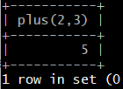 select plus(2,3)

 | Task F1: function to find out max of 2 numbers (use if/else) | DELIMITER $$ create function maximum(a int, b int) returns int BEGIN DECLARE selected int; IF a > b THEN SET selected = a; ELSE SET selected = b; END IF; RETURN selected; END $$ DELIMITER ; | DELIMITER $$ create function maximum2(a int, b int) returns int BEGIN IF a > b THEN return a; ELSE return b; END IF; END $$ DELIMITER ;
 | Task F2: function to calculate sum of 1..n given n | DELIMITER $$ create function iterateSum2(init int) returns int BEGIN DECLARE current int DEFAULT 1; DECLARE sum int DEFAULT 0; WHILE current <= init DO SET sum = sum + current; SET current = current + 1; END WHILE; RETURN sum; END $$ DELIMITER ; | WHILE current <= init DO SET summ = summ + current; SET current = current + 1; END WHILE;
 | Task F3: function to calculate factorial of a given number | DELIMITER $$ create function factorize(init int) returns int BEGIN DECLARE current int DEFAULT 1; DECLARE prod int DEFAULT 1; WHILE current <= init DO SET prod = prod * current; SET current = current + 1; END WHILE; RETURN prod; END $$ DELIMITER ; | DELIMITER $$ create function func(a int, b int) returns int BEGIN code; return something; END $$ DELIMITER ;

 | DELIMITER // | CREATE TRIGGER trigger_name AFTER DELETE ON table_name FOR EACH ROW BEGIN -- variable declarations -- trigger code END;
 | Task T1: create a trigger that executes upon AFTER DELETE (event time) capture the deleted data into an audit table along with the transaction date/time/timestamp
 |  | DELIMITER $$ CREATE TRIGGER cust_onDelete_toAudit AFTER DELETE ON customer FOR EACH ROW BEGIN INSERT INTO audit_customer VALUES (OLD.id, OLD.name, OLD.email, OLD.city, OLD.country, NOW()); END; $$ DELIMITER ;

LuckySeven GamePlan
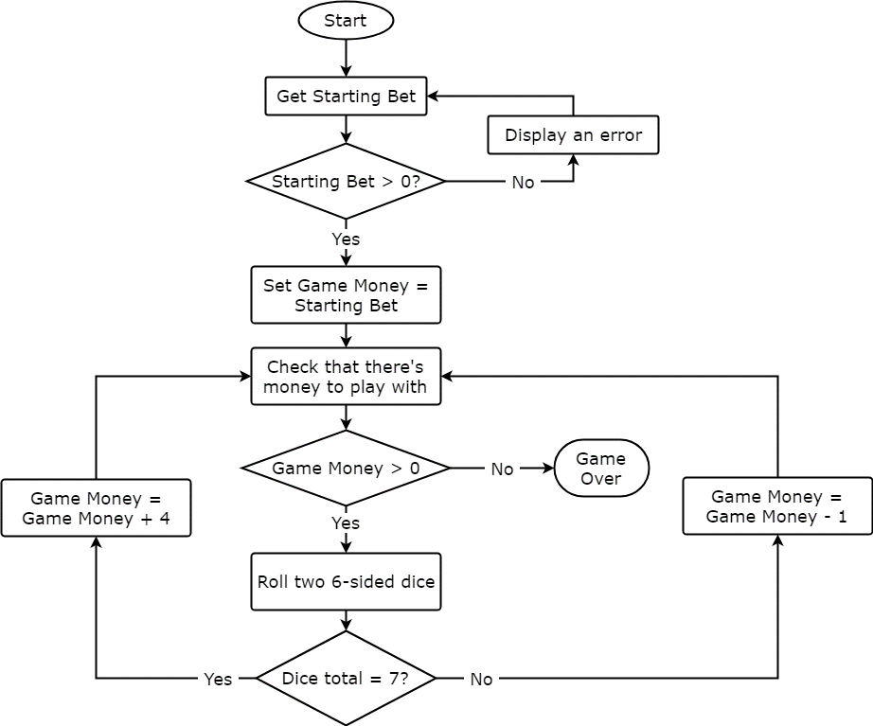
Important Figures | Usage | Objectives | Description
Starting Bet | Process | 1 | Establish LuckySeven logic in JavaScript
Current Cash | Process | 2 | Create the HTML for LuckySeven
Rollcount | Results | 3 | Create the DOM Manipulation to: | a) activate Play()
Peak Cash | Results |  |  | b) display Results()
Rollcount @ Peak | Results

Important Functions
Play()
DisplayResults()

5
5

