Q1
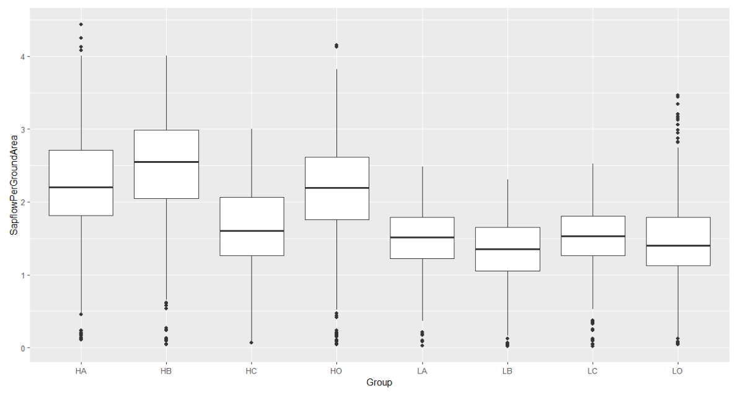
Linear | mixed | model | fit | by | REML. | t-tests | use | Satterthwaite's | method | ['lmerModLmerTest']
Formula: | SapflowPerGroundArea | ~ | Density | * | Geno | + | (1 | | | DOY) | + | (1 | | | Block)
 | Data: | Join

REML | criterion | at | convergence: | 1892.8

Scaled | residuals:
 | Min | 1Q | Median | 3Q | Max
 | -3.0986 | -0.6141 | -0.0433 | 0.6014 | 5.3514

Random | effects:
 | Groups | Name | Variance | Std.Dev.
 | DOY | (Intercept) | 0.346224 | 0.58841
 | Block | (Intercept) | 0.004177 | 0.06463
 | Residual |  | 0.080379 | 0.28351
Number | of | obs: | 3904, | groups: | DOY, | 122; | Block, | 4

Fixed | effects: |  |  |  |  |  |  |  |  | H(0) | L(1)
 | Estimate | Std. Error | df | t | value | Pr(>|t|) |  |  | A(0) | 0 | 0
(Intercept) | 2.20867 | 0.06362 | 36.7578 | 34.719 | < | 2.00E-16 | *** |  | B(1) | 0 | 1
DensityL | -0.74809 | 0.01815 | 3772.00002 | -41.217 | < | 2.00E-16 | *** |  | C(2) | 0 | 2
GenoB | 0.23773 | 0.01815 | 3772.00002 | 13.098 | < | 2.00E-16 | *** |  | O(3) | 0 | 3
GenoC | -0.62508 | 0.01815 | 3772.00002 | -34.44 | < | 2.00E-16 | ***
GenoO | -0.06241 | 0.01815 | 3772.00002 | -3.438 |  | 0.000591 | ***
DensityL:GenoB | -0.36255 | 0.02567 | 3772.00002 | -14.125 | < | 2.00E-16 | ***
DensityL:GenoC | 0.64698 | 0.02567 | 3772.00002 | 25.206 | < | 2.00E-16 | ***
DensityL:GenoO | 0.07131 | 0.02567 | 3772.00002 | 2.778 |  | 0.005492 | **
---
Signif. | codes: | 0 | ‘***’ | 0.001 | ‘**’ | 0.01 | ‘*’ | 0.05 | ‘.’ | 0.1 | ‘ | ’ | 1

Correlation | of | Fixed | Effects:
 | (Intr) | DnstyL | GenoB | GenoC | GenoO | DnL:GB | DnL:GC
DensityL | -0.143
GenoB | -0.143 | 0.5
GenoC | -0.143 | 0.5 | 0.5
GenoO | -0.143 | 0.5 | 0.5 | 0.5
DenstyL:GnB | 0.101 | -0.707 | -0.707 | -0.354 | -0.354
DenstyL:GnC | 0.101 | -0.707 | -0.354 | -0.707 | -0.354 | 0.5
DenstyL:GnO | 0.101 | -0.707 | -0.354 | -0.354 | -0.707 | 0.5 | 0.5

Sheet1
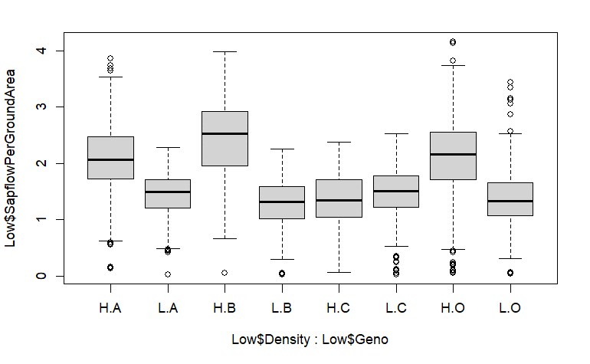
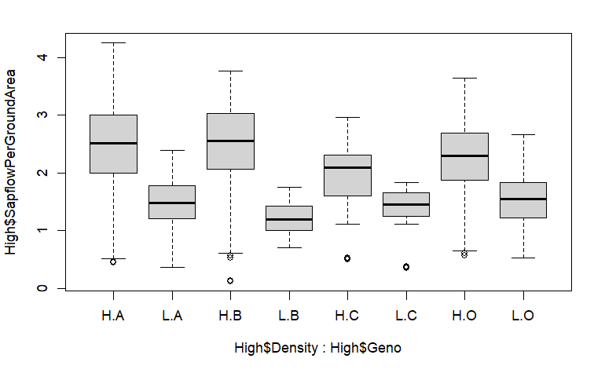
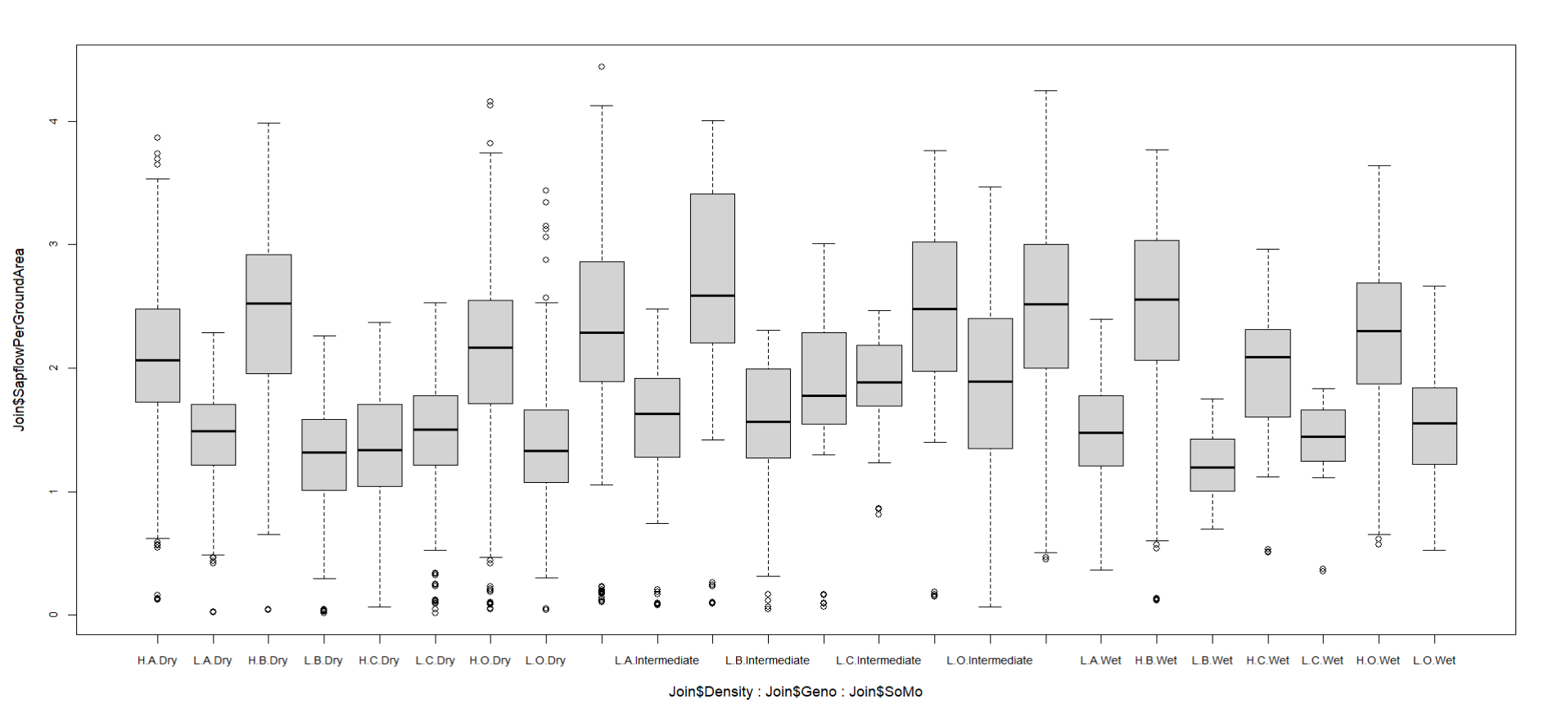
Call:
 | aov(formula | = | SapflowPerGroundArea | ~ | Density | * | Geno | + | (1 | | | DOY) | + | (1 | | | Block), | data | = | Join)

 | Df | Sum Sq | Mean Sq | F Value | Pr(>F)
Density | 1 | 424.1 | 424.1 | 991.71 | <2e-16 | ***
Geno | 3 | 74.5 | 24.8 | 58.11 | <2e-16 | ***
Density:Geno | 3 | 127.7 | 42.6 | 99.57 | <2e-16 | ***
Residuals | 3896 | 1666 | 0.4
---
Signif. | codes: | 0 | ‘***’ | 0.001 | ‘**’ | 0.01 | ‘*’ | 0.05 | ‘.’ | 0.1 | ‘ | ’ | 1

Coefficients
(Intercept) | DensityL | GenoB | GenoC | GenoO | 1|DOYTRUE | 1|BlockTRUE | DensityL:GenoB | DensityL:GenoC | DensityL:GenoO
2.20867133 | -0.74809393 | 0.23772747 | -0.62508343 | -0.06240806 | NA | NA | -0.36254984 | 0.64697843 | 0.07131292

m<-aov(SapflowPerGroundArea | ~ | Density*Geno*SoMo+ | + | (1| | DOY) | +(1|Block),
 | data | = | Join)
 | Df | Sum Sq | Mean Sq | F |  | Pr(>F)
Density | 1 | 424.1 | 424.1 | 1047.927 | < | 2.00E-16 | ***
Geno | 3 | 74.5 | 24.8 | 61.406 | < | 2.00E-16 | ***
SoMo | 2 | 51.4 | 25.7 | 63.489 | < | 2.00E-16 | ***
Density:Geno | 3 | 139.1 | 46.4 | 114.613 | < | 2.00E-16 | ***
Density:SoMo | 2 | 8 | 4 | 9.939 |  | 4.95E-05 | ***
Geno:SoMo | 6 | 16.7 | 2.8 | 6.858 |  | 2.96E-07 | ***
Density:Geno:SoMo | 6 | 8.4 | 1.4 | 3.444 |  | 0.00215 | **
Residuals | 3880 | 1570.1 | 0.4
---
Signif. | codes: | 0 | ‘***’ | 0.001 | ‘**’ | 0.01 | ‘*’ | 0.05 | ‘.’ | 0.1 | ‘ | ’ | 1

Call:
 | aov(formula | = | SapflowPerGroundArea | ~ | Density | * | Geno | + (1|DOY) | aov(formula | = | SapflowPerGroundArea | ~ | Density | * | Geno | + (1|DOY)
 | (1 | | | Block), | data | = | Low) |  |  | (1 | | | Block), | data | = | High)

 | Df | Sum Sq | Mean Sq | F | Pr(>F) |  |  |  |  | Df | Sum Sq | Mean Sq | F | Pr(>F)
Density | 1 | 226.4 | 226.39 | 632.43 | <2e-16 | *** |  |  | Density | 1 | 93.23 | 93.23 | 252.065 | < | 2.00E-16 | ***
Geno | 3 | 47.5 | 15.84 | 44.26 | <2e-16 | *** |  |  | Geno | 3 | 14.93 | 4.98 | 13.455 | 1.65E-08 | ***
Density:Geno | 3 | 121 | 40.33 | 112.65 | <2e-16 | *** |  |  | Density:Geno | 3 | 6.54 | 2.18 | 5.894 | 0.000573 | ***
Residuals | 2484 | 889.2 | 0.36 |  |  |  |  |  | Residuals | 604 | 223.4 | 0.37
--- |  |  |  |  |  |  |  |  | ---
 |  |  |  |  |  |  |  |  | Signif. | codes: | 0 | ‘***’ | 0.001 | ‘**’ | 0.01 | ‘*’ | 0.05 | ‘.’ | 0.1 | ‘ | ’ | 1

Dry
(Intercept) | DensityL | GenoB | GenoC | GenoO | DensityL:GenoB | DensityL:GenoC | DensityL:GenoO
2.03400439 | -0.61583138 | 0.35958243 | -0.69684788 | 0.04446652 | -0.50278631 | 0.71461134 | -0.09494252
Wet
(Intercept) | DensityL | GenoB | GenoC | GenoO | DensityL:GenoB | DensityL:GenoC | DensityL:GenoO
2.50158723 | -1.01055446 | -0.06516546 | -0.54093859 | -0.25543275 | -0.19168661 | 0.43165297 | 0.32348942

