Q1
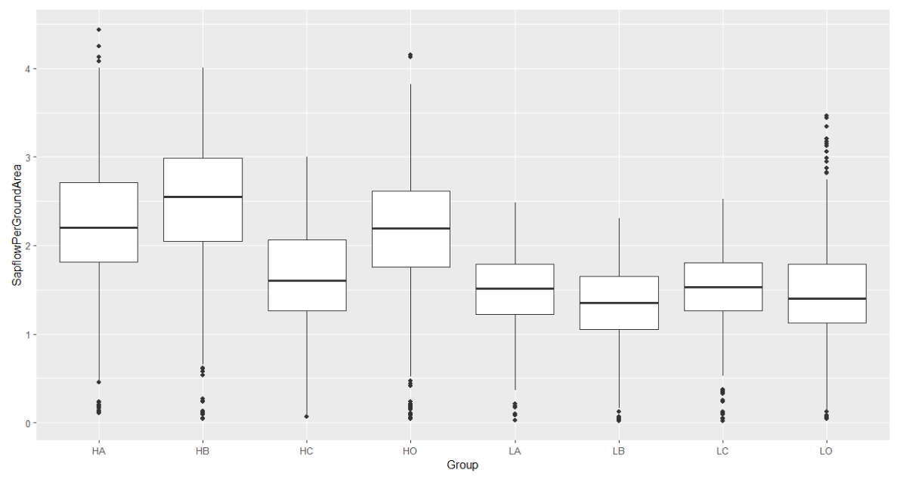
Linear | mixed | model | fit | by | REML. | t-tests | use | Satterthwaite's | method | ['lmerModLmerTest']
Formula: | SapflowPerGroundArea | ~ | Density | * | Geno | + | (1 | | | DOY) | + | (1 | | | Block)
 | Data: | Join

REML | criterion | at | convergence: | 1892.8

Scaled | residuals:
 | Min | 1Q | Median | 3Q | Max
-3.0986 | -0.6141 | -0.0433 | 0.6014 | 5.3514

Random | effects:
 | Groups | Name | Variance | Std.Dev.
 | DOY | (Intercept) | 0.346224 | 0.58841
 | Block | (Intercept) | 0.004177 | 0.06463
 | Residual |  | 0.080379 | 0.28351
Number | of | obs: | 3904, | groups: | DOY, | 122; | Block, | 4

Fixed | effects: |  |  |  |  |  |  |  |  | H(0) | L(1)
 | Estimate | Std. Error | df | t | value | Pr(>|t|) |  |  | A(0) | 0 | 0
(Intercept) | 2.20867 | 0.06362 | 36.7578 | 34.719 | < | 2.00E-16 | *** |  | B(1) | 0 | 1
DensityL | -0.74809 | 0.01815 | 3772.00002 | -41.217 | < | 2.00E-16 | *** |  | C(2) | 0 | 2
GenoB | 0.23773 | 0.01815 | 3772.00002 | 13.098 | < | 2.00E-16 | *** |  | O(3) | 0 | 3
GenoC | -0.62508 | 0.01815 | 3772.00002 | -34.44 | < | 2.00E-16 | ***
GenoO | -0.06241 | 0.01815 | 3772.00002 | -3.438 |  | 0.000591 | ***
DensityL:GenoB | -0.36255 | 0.02567 | 3772.00002 | -14.125 | < | 2.00E-16 | ***
DensityL:GenoC | 0.64698 | 0.02567 | 3772.00002 | 25.206 | < | 2.00E-16 | ***
DensityL:GenoO | 0.07131 | 0.02567 | 3772.00002 | 2.778 |  | 0.005492 | **
---
Signif. | codes: | 0 | ‘***’ | 0.001 | ‘**’ | 0.01 | ‘*’ | 0.05 | ‘.’ | 0.1 | ‘ | ’ | 1

Correlation | of | Fixed | Effects:
 | (Intr) | DnstyL | GenoB | GenoC | GenoO | DnL:GB | DnL:GC
DensityL | -0.143
GenoB | -0.143 | 0.5
GenoC | -0.143 | 0.5 | 0.5
GenoO | -0.143 | 0.5 | 0.5 | 0.5
DenstyL:GnB | 0.101 | -0.707 | -0.707 | -0.354 | -0.354
DenstyL:GnC | 0.101 | -0.707 | -0.354 | -0.707 | -0.354 | 0.5
DenstyL:GnO | 0.101 | -0.707 | -0.354 | -0.354 | -0.707 | 0.5 | 0.5

