Sheet1
# of Probes Working Poorly/Total # of Probes (misfunctioning probe number)
Genotypes | Low 24hr |  | Low Night |  | High 24hr |  | High Night
Direction | N | S | N | S | N | S | N | S
A | 0/5 | 2/5 (LAON1, 4) | 0/5 | 2/5 (LAOS1,4) | 2/5 (HAON3,6) | 1/5 (HCON6) | 2/6 (HCOS3,6) | 1/6 (HCOS6)
 | 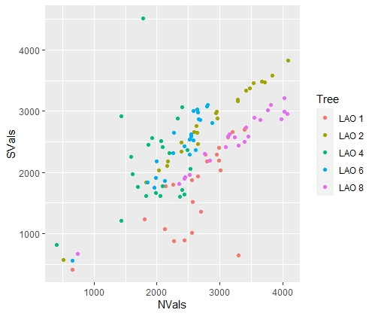 |  | 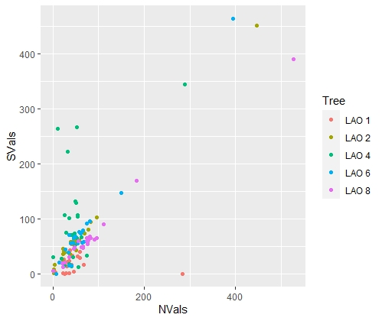 |  | 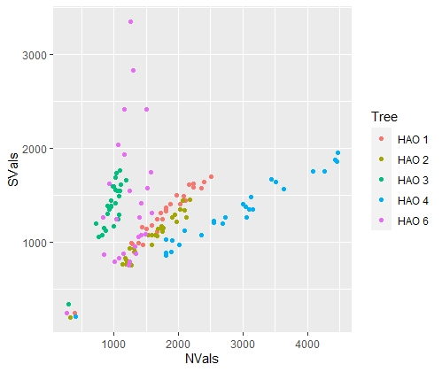 |  | 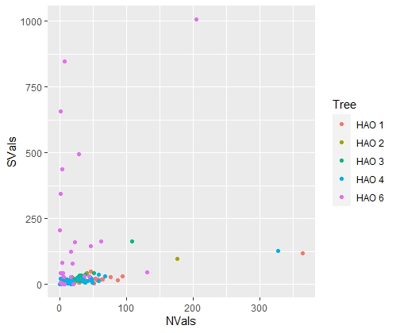
B | 0/4 | 0/4 | 1/3 (LBON11) | 1/3 (LBON11) | 0/5 (16 has a less strong relationship) | 0/5 | 0/5 (16 has less strong relationship) | 0/5 (12 has a less strong relationship)
 | 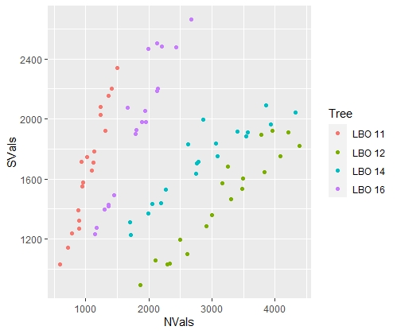 |  | 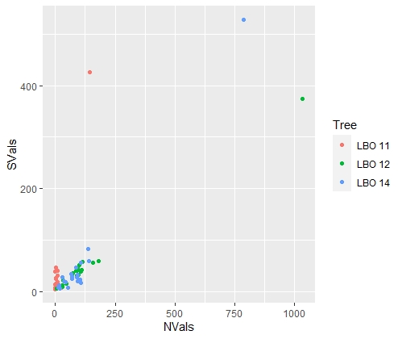 |  | 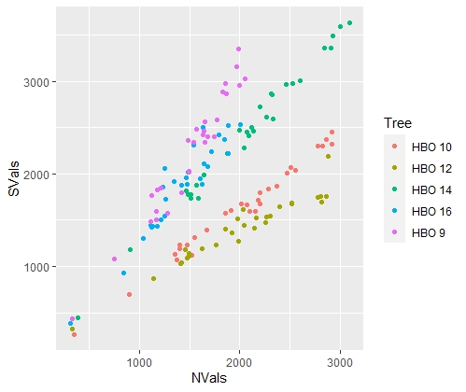 |  | 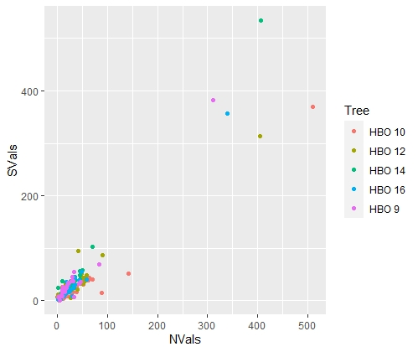
C | 1/4 (LCON1) | 0/4 | 3/4 (LCON1,6,8) | 3/4 (LCON1,6,8) | 0/5 | 0/5 | 2/5 (HCOS4,6) | 0/5
 | 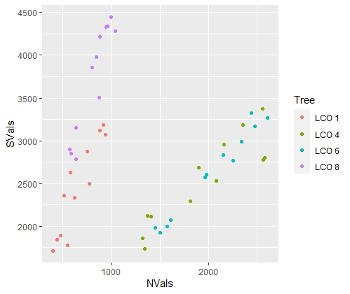 |  | 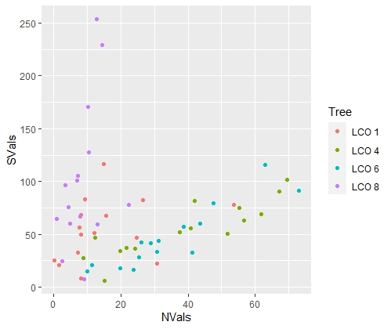 |  | 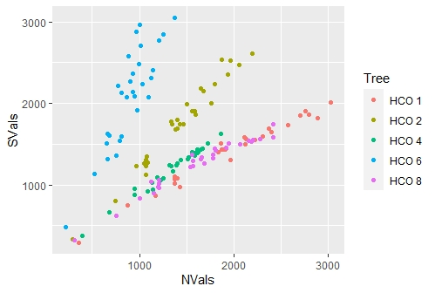 |  | 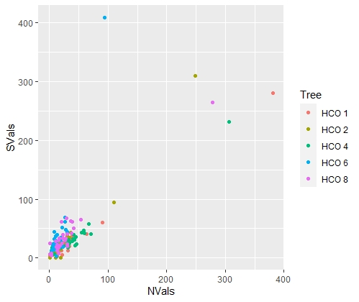
O | 1/5 (LOON10) | 0/5 (overall less strong relationships) | 2/5 (LOON10, 15) | 2/5 (LOOS10,15) | 0/5 | 1/5 (HOOS10) | 5/5 | 5/5
 | 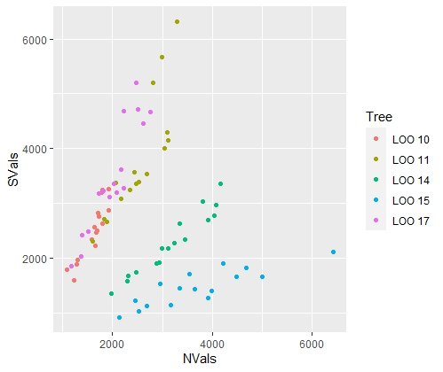 |  | 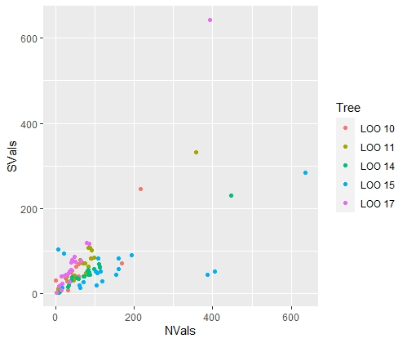 |  | 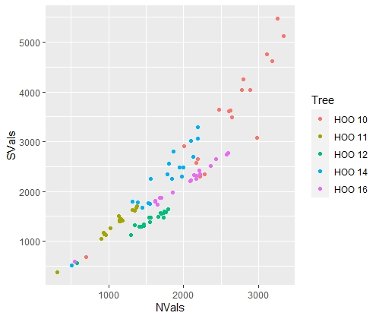 |  | 