Sheet1
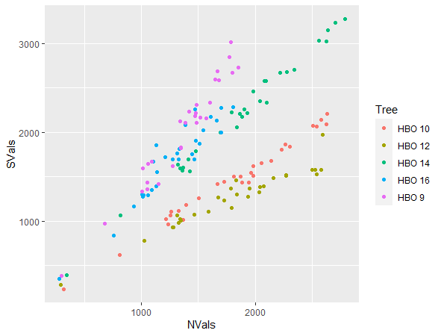
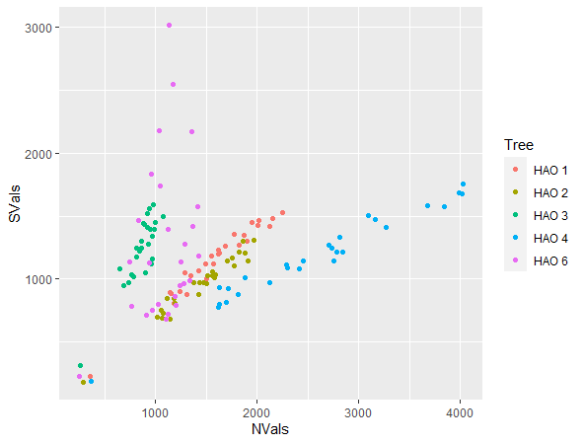
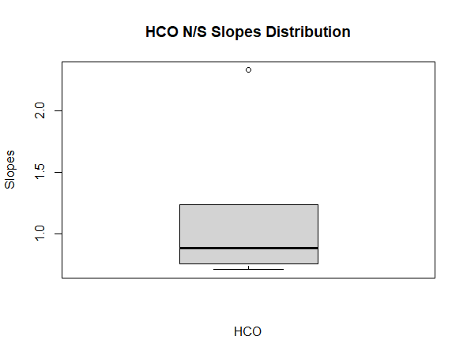
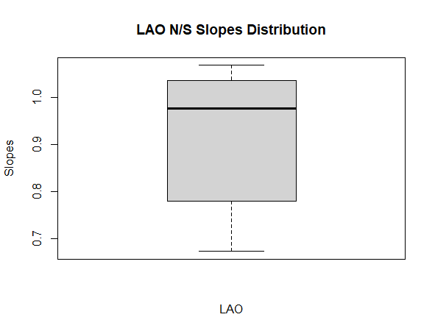
System 1 |  |  |  |  | System | Population | t | df | p | 95% CI | Mean of x | System | Population | t | df | p | 95% CI | Mean of x
Population | HC |  | LO |  | 1 | HC | 0.6061 | 4 | 0.5772 | (0.3453688,2.0202596) | 1.182814 | 3 | LA | -1.2199 | 4 | 0.2895 | (0.6932746,1.1194637) | 0.9063692
Direction | N | S | N | S
 | 0/5 | 0/5 | 1/5 (LOON10) | 0/5 (overall less strong relationships)
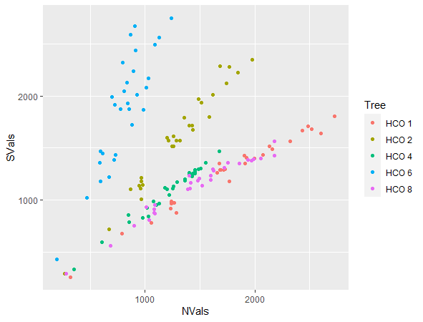
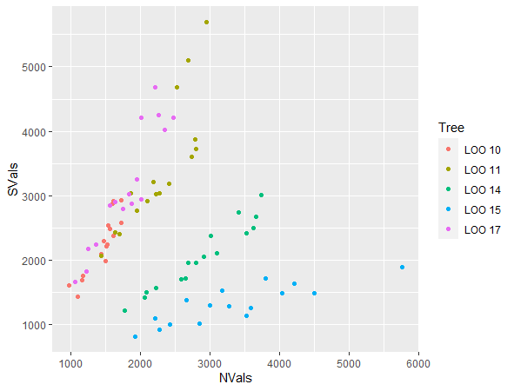

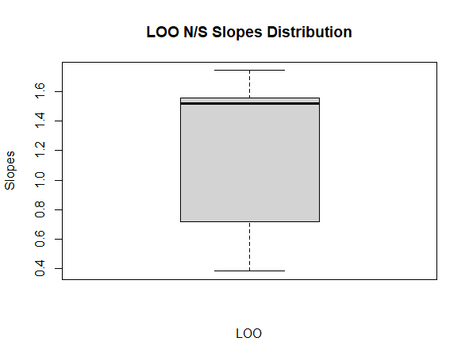
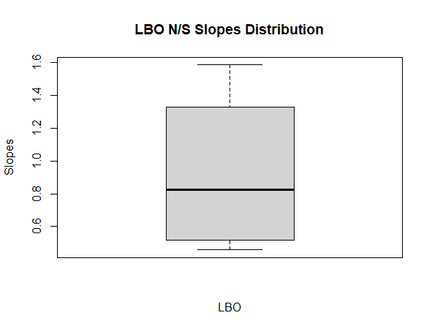
 |  |  |  |  | 1 | LO | 0.69368 | 4 | 0.5261 | (0.445191,1.924379) | 1.184785 | 3 | LB | -0.29466 | 3 | 0.7875 | (0.1038005,1.7443075) | 0.924054
System 2
Population | LC |  | HO
Direction | N | S | N | S
 | 1/4 (LCON1) | 0/4 | 0/5 | 1/5 (HOOS10)
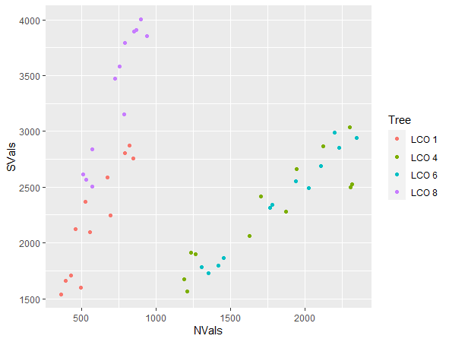
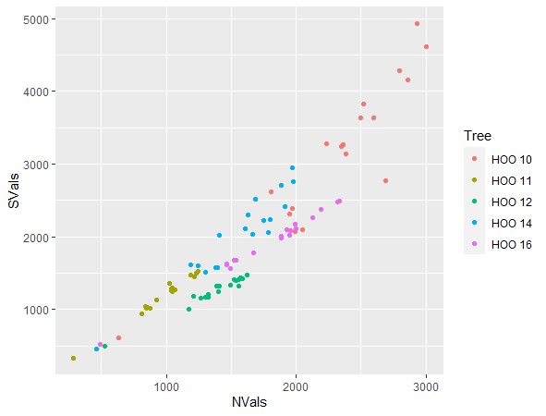

 |  |  |  |  | 2 | LC | 2.0343 | 3 | 0.1348 | (0.04719241,5.32904271) | 2.688113 | 4 | HB | 0.63098 | 4 | 0.5623 | (0.6751315,1.5159541) | 1.095543
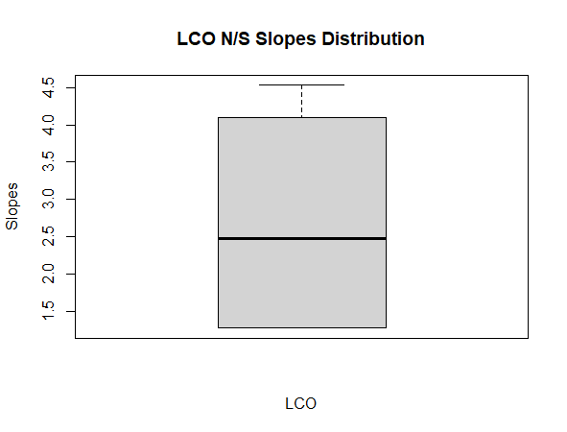
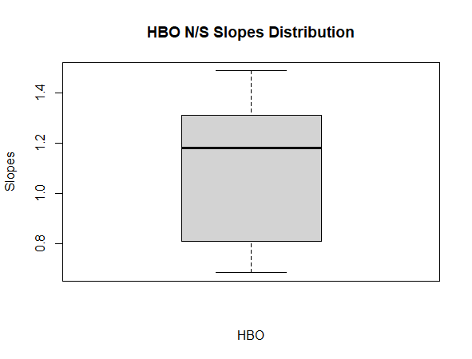

System 3
Population | LA |  | LB
Direction | N | S | N | S
 | 0/5 | 2/5(LAON1,4) | 0/4 | 0/4
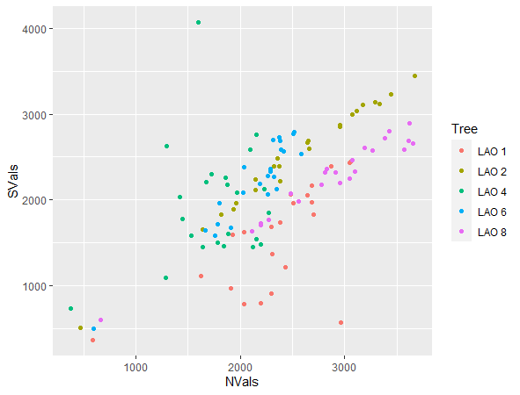
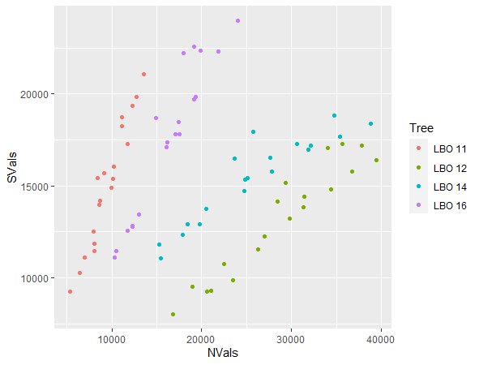

 |  |  |  |  | 2 | HO | 2.1112 | 4 | 0.1024* | (0.9424587,1.4227629) | 1.182611 | 4 | HA | -0.64781 | 4 | 0..5524 | (0.3840867,1.3828719) | 0.8834793
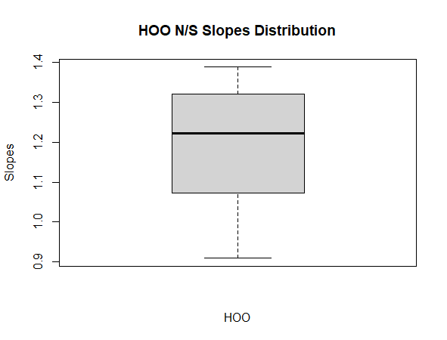
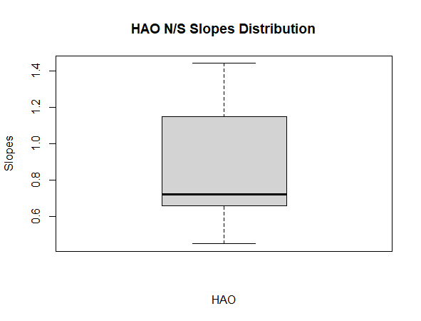

System 4
Population | HB |  | HA
Direction | N | S | N | S
 | 0/5 (16 has a less strong relationship) | 0/5 | 2/5 (HAON3,6) | 1/5 (HAON6)

Sheet2
 |  |  | N | S
 | HBO 10 | 44348 | 1985.3949 | 1509.0626
2 | HBO 10 | 44349 | 2300.6564 | 1836.172
3 | HBO 10 | 44350 | 2624.7598 | 2089.1313
4 | HBO 10 | 44351 | 1867.9446 | 1501.4419
5 | HBO 10 | 44352 | 317.6805 | 234.7326
6 | HBO 10 | 44353 | 1886.1822 | 1431.8143
7 | HBO 10 | 44354 | 1939.8792 | 1433.6389
8 | HBO 10 | 44355 | 1368.077 | 1013.2438
9 | HBO 10 | 44356 | 1962.536 | 1544.5562
10 | HBO 10 | 44357 | 2504.3169 | 2070.1601
11 | HBO 10 | 44358 | 2261.8147 | 1866.422
12 | HBO 10 | 44359 | 1813.3639 | 1503.8005
13 | HBO 10 | 44360 | 1330.6042 | 1112.3224
14 | HBO 10 | 44361 | 1985.0796 | 1618.9554
15 | HBO 10 | 44362 | 1392.7229 | 1184.8619
16 | HBO 10 | 44363 | 812.0646 | 623.016
17 | HBO 10 | 44364 | 1234.6184 | 966.9638
18 | HBO 10 | 44365 | 1507.1511 | 1256.8852
19 | HBO 10 | 44366 | 1259.0831 | 1110.7563
20 | HBO 10 | 44367 | 1217.5501 | 1021.854
21 | HBO 10 | 44368 | 1671.1519 | 1418.9476
22 | HBO 10 | 44369 | 1257.8713 | 1068.6999
23 | HBO 10 | 44370 | 1724.3336 | 1446.2245
24 | HBO 10 | 44371 | 2053.6068 | 1651.4265
25 | HBO 10 | 44372 | 2136.5781 | 1676.3348
26 | HBO 10 | 44373 | 2540.8016 | 2067.2051
27 | HBO 10 | 44374 | 2228.7781 | 1804.2217
28 | HBO 10 | 44375 | 2628.6052 | 2204.9682
29 | HBO 10 | 44376 | 2575.3149 | 2138.6206

