Sheet1
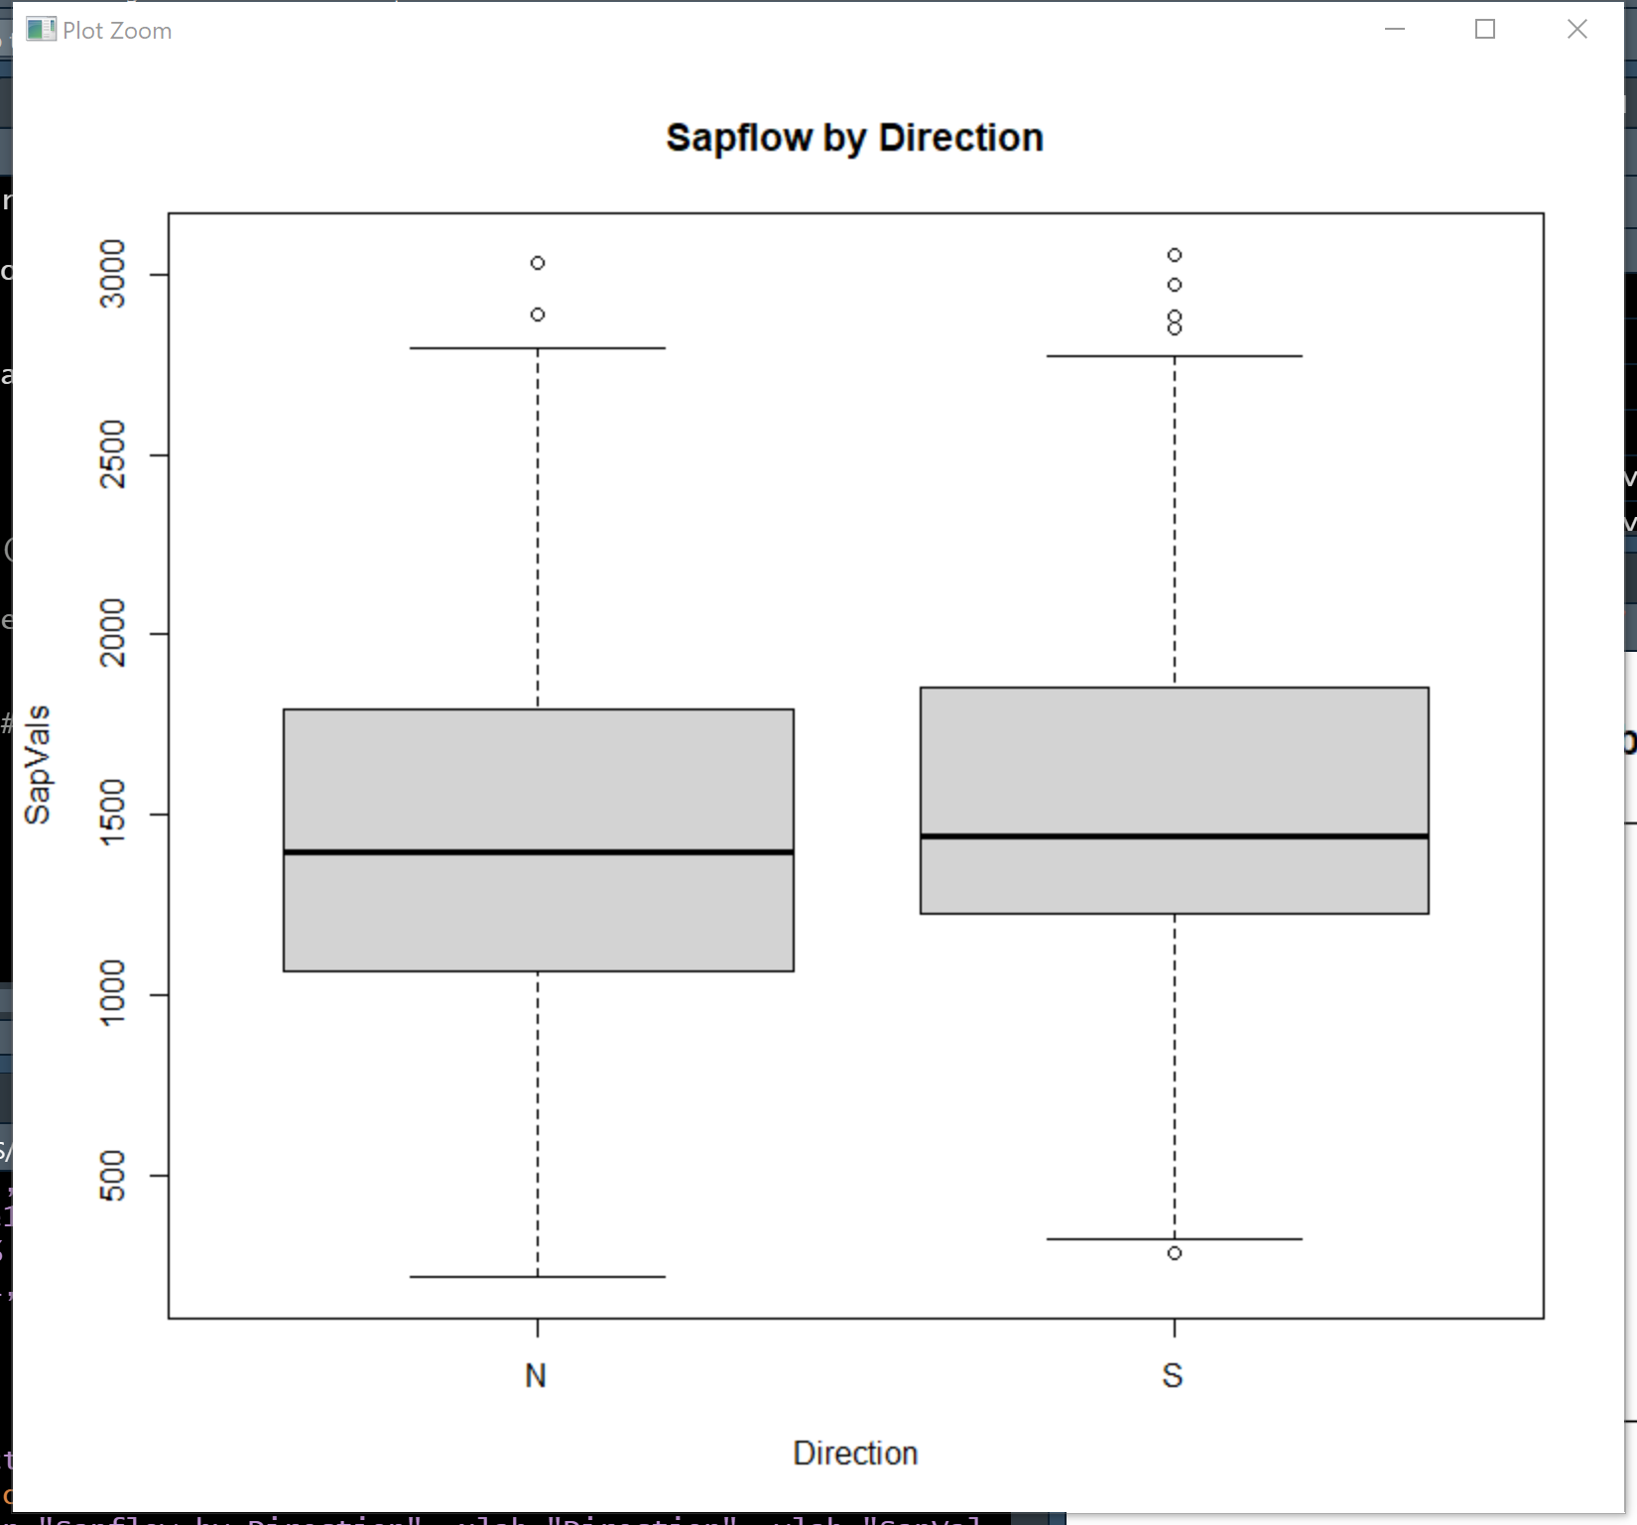
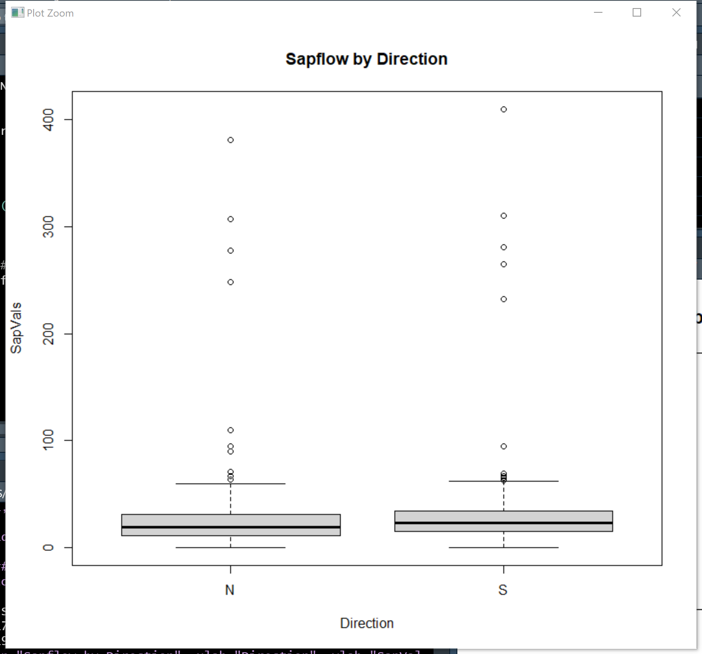
24 Hours |  |  |  |  |  | Nights
Paired T test p values-24hrs |  |  |  |  |  |  | Paired T test p values-Night
 | HCOS1 | HCOS2 | HCOS4 | HCOS6 | HCOS8 |  |  | HCOS1 | HCOS2 | HCOS4 | HCOS6 | HCOS8
HCON1 | 0.0002153958 |  |  |  |  |  | HCON1 | 0.6397455
HCON2 |  | 0.01282648 |  |  |  |  | HCON2 |  | 0.842876
HCON4 |  |  | 0.0575576 |  |  |  | HCON4 |  |  | 0.4407885
HCON6 |  |  |  | 8.25e^-14 |  |  | HCON6 |  |  |  | 0.07402352
HCON8 |  |  |  |  | 0.001356091 |  | HCON8 |  |  |  |  | 0.462761

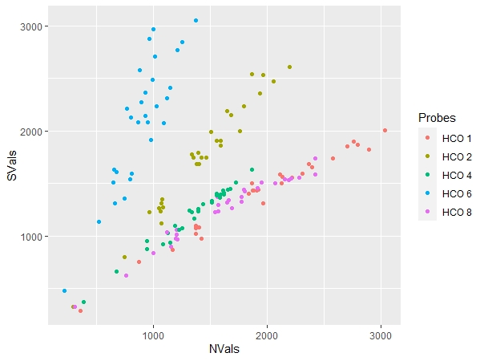
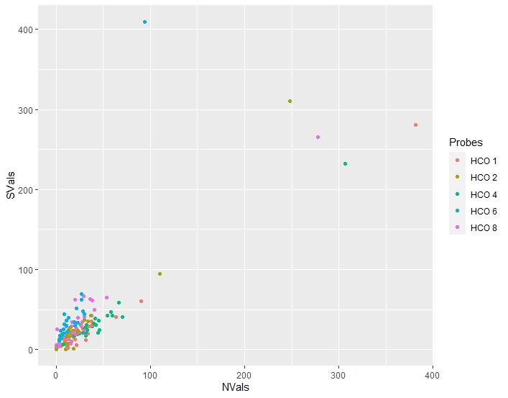

ANOVA |  |  |  |  |  | ANOVA

