Q1
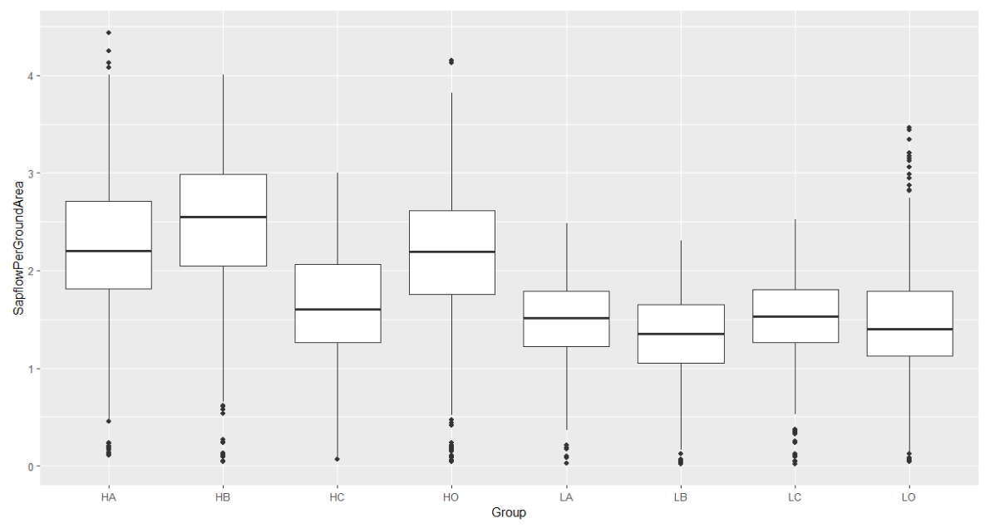
Linear | mixed | model | fit | by | REML. | t-tests | use | Satterthwaite's | method | ['lmerModLmerTest']
Formula: | SapflowPerGroundArea | ~ | Density | * | Geno | + | (1 | | | DOY) | + | (1 | | | Block)
 | Data: | Join

REML | criterion | at | convergence: | 1892.8
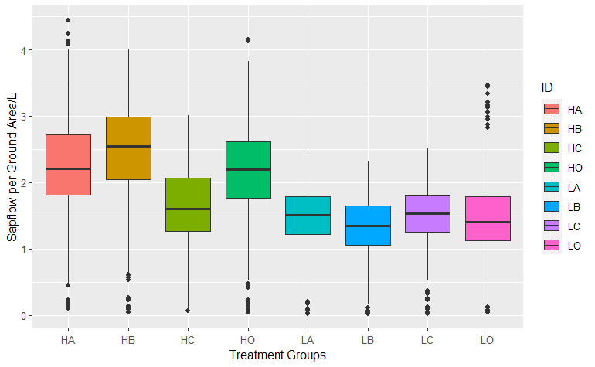
Scaled | residuals:
 | Min | 1Q | Median | 3Q | Max
 | -3.0986 | -0.6141 | -0.0433 | 0.6014 | 5.3514

Random | effects:
 | Groups | Name | Variance | Std.Dev.
 | DOY | (Intercept) | 0.346224 | 0.58841
 | Block | (Intercept) | 0.004177 | 0.06463
 | Residual |  | 0.080379 | 0.28351
Number | of | obs: | 3904, | groups: | DOY, | 122; | Block, | 4

Fixed | effects: |  |  |  |  |  |  |  |  | H(0) | L(1)
 | Estimate | Std. Error | df | t | value | Pr(>|t|) |  |  | A(0) | 0 | 0
(Intercept) | 2.20867 | 0.06362 | 36.7578 | 34.719 | < | 2.00E-16 | *** |  | B(1) | 0 | 1
DensityL | -0.74809 | 0.01815 | 3772.00002 | -41.217 | < | 2.00E-16 | *** |  | C(2) | 0 | 2
GenoB | 0.23773 | 0.01815 | 3772.00002 | 13.098 | < | 2.00E-16 | *** |  | O(3) | 0 | 3
GenoC | -0.62508 | 0.01815 | 3772.00002 | -34.44 | < | 2.00E-16 | ***
GenoO | -0.06241 | 0.01815 | 3772.00002 | -3.438 |  | 0.000591 | ***
DensityL:GenoB | -0.36255 | 0.02567 | 3772.00002 | -14.125 | < | 2.00E-16 | ***
DensityL:GenoC | 0.64698 | 0.02567 | 3772.00002 | 25.206 | < | 2.00E-16 | ***
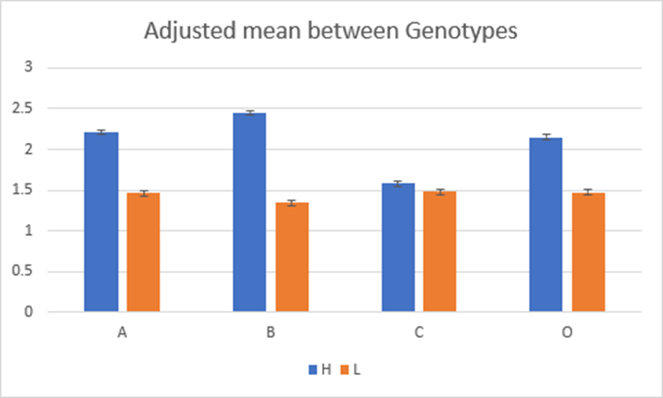
DensityL:GenoO | 0.07131 | 0.02567 | 3772.00002 | 2.778 |  | 0.005492 | **
---
Signif. | codes: | 0 | ‘***’ | 0.001 | ‘**’ | 0.01 | ‘*’ | 0.05 | ‘.’ | 0.1 | ‘ | ’ | 1

Correlation | of | Fixed | Effects:
 | (Intr) | DnstyL | GenoB | GenoC | GenoO | DnL:GB | DnL:GC
DensityL | -0.143
GenoB | -0.143 | 0.5
GenoC | -0.143 | 0.5 | 0.5
GenoO | -0.143 | 0.5 | 0.5 | 0.5
DenstyL:GnB | 0.101 | -0.707 | -0.707 | -0.354 | -0.354
DenstyL:GnC | 0.101 | -0.707 | -0.354 | -0.707 | -0.354 | 0.5
DenstyL:GnO | 0.101 | -0.707 | -0.354 | -0.354 | -0.707 | 0.5 | 0.5

 |  |  |  |  |  |  |  |  |  |  |  |  |  | Density | Geno | Code | Mean±SE | SE | df
 |  |  |  |  |  |  |  |  |  |  |  |  |  | High | C2 | HA | 2.21 | 0.0296 | 3896
 |  |  |  |  |  |  |  |  |  |  |  |  |  | Low | C2 | LA | 1.46 | 0.0296 | 3896
 |  |  |  |  |  |  |  |  |  |  |  |  |  | High | C3 | HB | 2.45 | 0.0296 | 3896
 |  |  |  |  |  |  |  |  |  |  |  |  |  | Low | C3 | LB | 1.34 | 0.0296 | 3896
 |  |  |  |  |  |  |  |  |  |  |  |  |  | High | C4 | HC | 1.58 | 0.0296 | 3896
 |  |  |  |  |  |  |  |  |  |  |  |  |  | Low | C4 | LC | 1.48 | 0.0296 | 3896
 |  |  |  |  |  |  |  |  |  |  |  |  |  | High | OP | HO | 2.15 | 0.0296 | 3896
 |  |  |  |  |  |  |  |  |  |  |  |  |  | Low | OP | LO | 1.47 | 0.0296 | 3896

 |  |  |  |  |  |  |  |  |  |  |  |  |  | Confidence | level | used: | 0.95

Sheet2
Density | Genotype | Code | Sapwood Area on Day 152 (cm^2) | Sapwood Area on Day 273 (cm^2) | Sapwood Area Growth (cm^2) | Average Daily Increment (cm^2)
High | C2 | HA | 12425.225344 | 13866.513685 | 1441.2883401 | 11.911473885 |  |  | 404.43 | 404.43 | 404.43 | 404.43 |  |  |  |  |  |  |  |  |  |  |  |  |  | HA | HB | HC | HO | LA | LB | LC | LO
High | C3 | HB | 12810.428119 | 14295.04554 | 1484.6174213 | 12.269565465 |  |  | 404.43 | 404.43 | 404.43 | 404.43 |  |  |  |  |  |  |  |  |  |  |  |  | Min. | 0.1207 | :0.04809 | :0.06693 | :0.05038 | :0.0256 | :0.02413 | :0.01819 | :0.04748
High | C4 | HC | 12608.173369 | 14403.014924 | 1794.8415553 | 14.833401283 |  |  | 404.43 | 404.43 | 404.43 | 404.43 |  |  | Genetic Crown Size | Sapwood Increment |  | Sapflow per Ground Area |  | Response to VPD |  | Sensitivity to REW |  |  | 1st | 1.9009 | Qu.:2.08648 | Qu.:1.27164 | Qu.:1.81522 | Qu.:1.2522 | Qu.:1.14762 | Qu.:1.28265 | Qu.:1.14094
High | OP | HO | 11395.59308 | 13171.999459 | 1776.4063787 | 14.681044452 |  |  | 404.43 | 404.43 | 404.43 | 404.43 |  | Rank |  | High Density | Low Density | High Density | Low Density | High Density | Low Density | High Density | Low Density |  |  | Median | 2.1972 | :2.57845 | :1.60815 | :2.23769 | :1.5312 | :1.38357 | :1.53287 | :1.42993
Low | C2 | LA | 22675.916912 | 26180.233434 | 3504.3165223 | 28.961293572 |  |  | 134.505 | 134.505 | 134.505 | 134.505 |  | 1 | C4 | C4 | C4 | C3 | C4 | C3 | C4 | C4 | OP |  |  | Mean | 2.2087 | 2.4464 | 1.58359 | 2.14626 | 1.4606 | 1.33576 | 1.48247 | 1.46948
Low | C3 | LB | 21758.19468 | 25114.785021 | 3356.5903413 | 27.740416044 |  |  | 134.505 | 134.505 | 134.505 | 134.505 |  | 2 | C2 | OP | OP | C2 | OP | OP | C2 | C2 | C3 |  |  | 3rd | 2.6995 | Qu.:2.98399 | Qu.:2.07302 | Qu.:2.59706 | Qu.:1.7656 | Qu.:1.63719 | Qu.:1.82266 | Qu.:1.84355
Low | C4 | LC | 26311.922531 | 30780.884705 | 4468.9621744 | 36.933571689 |  |  | 134.505 | 134.505 | 134.505 | 134.505 |  | 3 | OP | C3 | C2 | OP | C2 | C2 | C3 | C3 | C2 |  |  | Max. | 3.736 | :3.80476 | :2.93790 | :3.67517 | :2.2525 | :2.12090 | :2.47388 | :2.91972
Low | OP | LO | 21603.423952 | 25719.897857 | 4116.4739047 | 34.020445493 |  |  | 134.505 | 134.505 | 134.505 | 134.505 |  | 4 | C3 | C2 | C3 | C4 | C3 | C4 | OP | OP | C4
Density | Genotype | Code | Sapwood Area on Day 152 (cm^2) | Sapwood Area on Day 273 (cm^2) | Sapwood Area Growth (cm^2) | Average Daily Increment (cm^2) |  |  |  |  | HA | 1441.2883401
High | C2 | HA | 30.72280826 | 34.286560553 | 3.5637522937 | 0.029452498295 |  |  |  |  | LA | 3504.3165223 |  |  |  |  |  |  |  |  |  |  |  |  |  | H | L |  | Crown Size
High | C3 | HB | 31.675266718 | 35.346155181 | 3.6708884634 | 0.030337921185 |  |  |  |  | HB | 1484.6174213 |  |  |  |  |  |  |  |  |  |  |  |  | C | 1.58359 | 1.48247 |  | C
High | C4 | HC | 31.175168432 | 35.613121985 | 4.4379535526 | 0.036677302088 |  |  |  |  | LB | 3356.5903413 |  |  |  |  |  |  |  |  |  |  |  |  | O | 2.14626 | 1.46948 |  | A
High | OP | HO | 28.176923275 | 32.569293719 | 4.3923704441 | 0.036300582183 |  |  |  |  | HC | 1794.8415553 |  |  |  |  |  |  |  |  |  |  |  |  | A | 2.2087 | 1.4606 |  | O
Low | C2 | LA | 168.58791058 | 194.64133998 | 26.053429406 | 0.2153175984 |  |  |  |  | LC | 4468.9621744 |  |  |  |  |  |  |  |  |  |  |  |  | B | 2.4464 | 1.33576 |  | B
Low | C3 | LB | 161.76495059 | 186.72008491 | 24.955134317 | 0.20624077948 |  |  |  |  | HO | 1776.4063787
Low | C4 | LC | 195.62040468 | 228.8456541 | 33.225249428 | 0.27458883825 |  |  |  |  | LO | 4116.4739047
Low | OP | LO | 160.61428164 | 191.21889786 | 30.60461622 | 0.25293071256 |  | A | B | C | O
 |  |  |  |  |  |  | High Density | 1441.2883401 | 1484.6174213 | 1794.8415553 | 1776.4063787 | COBA |  | HA HB HC HO LA LB LC LO |  |  |  |  |  |  |  |  |  | System | Genotype | Density (TPA)
Confidence | level | used: | 0.95 |  |  |  | Low Density | 3504.3165223 | 3356.5903413 | 4468.9621744 | 4116.4739047 | COAB |  | 2.208671 2.446399 1.583588 2.146263 1.460577 1.335755 1.482472 1.469482 |  |  |  |  |  |  |  |  |  | 1 | C4 | 750
 |  |  |  |  |  |  |  | 2063.0281821 | 1871.9729201 | 2674.1206191 | 2340.067526 | COAB |  |  |  |  |  |  |  |  |  |  |  |  | OP | 250
 |  |  |  |  |  |  |  |  |  |  |  |  |  |  |  |  |  |  |  |  |  |  |  | 2 | C4 | 250
 |  |  |  |  |  |  |  |  |  |  |  |  |  |  |  |  |  |  |  |  |  |  |  |  | OP | 750
 |  |  |  |  |  |  |  |  |  |  |  |  |  |  |  |  |  |  |  |  |  |  |  | 3 | C2 | 250
 |  |  |  |  |  |  |  |  |  |  |  |  |  |  |  |  |  |  |  |  |  |  |  |  | C3 | 250
 |  |  |  |  |  |  |  |  |  |  |  |  |  |  |  |  |  |  |  |  |  |  |  | 4 | C3 | 750
Density | Genotype | Code | Sapflow per Groud Area Adjusted Mean (L/m^2/Day) | Standard Erorr |  |  |  |  |  |  |  |  |  | High Density | Low Density |  |  |  |  |  |  |  |  |  | C2 | 750
High | C2 | HA | 2.21 | 0.0296 |  |  |  |  |  |  |  |  | C | 1794.8415553 | 4468.9621744
Low | C2 | LA | 1.46 | 0.0296 |  |  |  |  |  |  |  |  | O | 1776.4063787 | 4116.4739047
High | C3 | HB | 2.45 | 0.0296 |  |  |  |  |  |  |  |  | A | 1441.2883401 | 3504.3165223
Low | C3 | LB | 1.34 | 0.0296 |  |  |  |  |  |  |  |  | B | 1484.6174213 | 3356.5903413
High | C4 | HC | 1.58 | 0.0296
Low | C4 | LC | 1.48 | 0.0296
High | OP | HO | 2.15 | 0.0296
Low | OP | LO | 1.47 | 0.0296

 |  |  |  |  |  |  |  |  |  |  |  |  |  | Variation Explained
 |  |  |  |  |  |  |  |  |  |  |  |  |  |  | Model 1 | Model 2 | Model 3
 |  |  |  |  |  |  |  |  |  |  |  |  |  | Density | 0.18501068796 | 0.18501068796 | 0.18501068796
 |  |  |  |  |  |  |  |  |  |  |  |  |  | Geno | 0.032500109061 | 0.032500109061 | 0.032500109061
 |  |  |  |  |  |  |  |  |  |  |  |  |  | Density:Geno | 0.055708240632 | 0.055708240632 | 0.061990140907
 |  |  |  |  |  |  |  |  |  |  |  |  |  | VPD |  | 0.24215853073 | 0.24215853073
 |  |  |  |  |  |  |  |  |  |  |  |  |  | REW |  |  | 0.040832351786
 |  |  |  |  |  |  |  |  |  |  |  |  |  | VPD:REW |  |  | 0.035684683506
 |  |  |  |  |  |  |  |  |  |  |  |  |  | sum | 0.27321903765 | 0.51537756838 | 0.59817650395
 |  |  |  |  |  |  |  |  |  | D | 0.18501068796
 |  |  |  |  |  |  |  |  |  | G | 0.032500109061
 |  |  |  |  |  |  |  |  |  | DG | 0.055708240632

 |  |  |  |  |  |  |  |  |  |  |  |  |  | model 1 | model 2 | Density | 0.18501068796
 |  |  |  |  |  |  |  |  |  |  |  |  | Density | 0.18501068796 | 0.18501068796 | Geno | 0.032500109061
 |  |  |  |  |  |  |  |  |  |  |  |  | Geno | 0.032500109061 | 0.032500109061 | VPD | 0.24215853073
 |  |  |  |  |  |  |  |  |  |  |  |  | VPD |  | 0.24215853073 | REW | 0.040832351786
 |  |  |  |  |  |  |  |  |  |  |  |  | Density:Geno | 0.055708240632 | 0.055708240632 | Density:Geno | 0.061990140907
 |  |  |  |  |  |  |  |  |  |  |  |  | Residuals |  | 0.48462243162 | VPD:REW | 0.035684683506
 |  |  |  |  |  |  |  |  |  |  |  |  |  |  | 0.51537756838 | Residuals | 0.40182349605

 |  |  |  |  |  |  |  |  | Estimate | Std. Error | df | t | value | Pr(>|t|) |  |  | Estimate | Std. | Error | df | t | value | Pr(>|t|)
 |  |  |  |  |  |  | *** | (Intercept) | 1.45194 | 0.0986 | 95.97195 | 14.725 | < | 2.00E-16 | *** | (Intercept) | 1.46269 | 0.09506 | 94.86844 | 15.387 | < | 2.00E-16 | ***
 |  |  |  |  |  |  | *** | DensityL | -0.74809 | 0.01815 | 3772.00001 | -41.217 | < | 2.00E-16 | *** | DensityL | -0.74168 | 0.01819 | 3771.61791 | -40.782 | < | 2.00E-16 | ***
 |  |  |  |  |  |  | *** | GenoB | 0.23773 | 0.01815 | 3772.00001 | 13.098 | < | 2.00E-16 | *** | GenoB | 0.25578 | 0.01823 | 3775.09009 | 14.034 | < | 2.00E-16 | ***
 |  |  |  |  |  |  | *** | GenoC | -0.62508 | 0.01815 | 3772.00001 | -34.44 | < | 2.00E-16 | *** | GenoC | -0.62325 | 0.01808 | 3767.57818 | -34.475 | < | 2.00E-16 | ***
 |  |  |  |  |  |  | *** | GenoO | -0.06241 | 0.01815 | 3772.00001 | -3.438 |  | 0.000591 | *** | GenoO | -0.04035 | 0.01866 | 3795.1605 | -2.163 |  | 0.03062 | *
 |  |  |  |  |  |  | *** | DensityL:GenoB | -0.36255 | 0.02567 | 3772.00001 | -14.125 | < | 2.00E-16 | *** | DensityL:GenoB | -0.35739 | 0.02567 | 3771.61425 | -13.925 | < | 2.00E-16 | ***
 |  |  |  |  |  |  | *** | DensityL:GenoC | 0.64698 | 0.02567 | 3772.00001 | 25.206 | < | 2.00E-16 | *** | DensityL:GenoC | 0.67094 | 0.02586 | 3780.41779 | 25.941 | < | 2.00E-16 | ***
 |  |  |  |  |  |  | ** | DensityL:GenoO | 0.07131 | 0.02567 | 3772.00001 | 2.778 |  | 0.005492 | ** | DensityL:GenoO | 0.07041 | 0.02557 | 3767.56779 | 2.753 |  | 0.00593 | **
 | Estimate | Std. Error | df | t | value | Pr(>|t|) |  | VPD | 1.2769 | 0.13952 | 119.99996 | 9.152 |  | 1.79E-15 | *** | VPD | 1.17378 | 0.13241 | 122.74672 | 8.865 |  | 7.36E-15 | *** |  | VPD:Dry | 0
(Intercept) | 2.20867 | 0.06362 | 36.7578 | 34.719 | < | 2.00E-16 |  |  |  |  |  |  |  |  |  | SoMoIntermediate | -0.07625 | 0.04238 | 3887.88773 | -1.799 |  | 0.07205 | . |  | VPD:Intermediate | 0.28845
DensityL | -0.74809 | 0.01815 | 3772.00002 | -41.217 | < | 2.00E-16 |  |  |  |  |  |  |  |  |  | SoMoWet | -0.35594 | 0.07677 | 3702.66841 | -4.636 |  | 3.67E-06 | *** |  | VPD:Wet | 0.8531
GenoB | 0.23773 | 0.01815 | 3772.00002 | 13.098 | < | 2.00E-16 |  |  |  |  |  |  |  |  |  | VPD:SoMoIntermediate | 0.28845 | 0.06931 | 3884.65014 | 4.162 |  | 3.23E-05 | ***
GenoC | -0.62508 | 0.01815 | 3772.00002 | -34.44 | < | 2.00E-16 |  |  |  |  |  |  |  |  |  | VPD:SoMoWet | 0.8531 | 0.12227 | 3760.60217 | 6.977 |  | 3.54E-12 | ***
GenoO | -0.06241 | 0.01815 | 3772.00002 | -3.438 |  | 0.000591
DensityL:GenoB | -0.36255 | 0.02567 | 3772.00002 | -14.125 | < | 2.00E-16 |  |  |  |  |  |  |  |  |  |  |  |  |  |  |  |  | ***
DensityL:GenoC | 0.64698 | 0.02567 | 3772.00002 | 25.206 | < | 2.00E-16
DensityL:GenoO | 0.07131 | 0.02567 | 3772.00002 | 2.778 |  | 0.005492
 |  |  |  |  |  |  |  |  |  |  |  |  |  |  |  | (Intercept) | 1.46269 | 0.09506 | 94.86844 | 15.387 | < | 2.00E-16 | ***
 |  |  |  |  |  |  |  |  |  |  |  |  |  |  |  | DensityL | -0.74168 | 0.01819 | 3771.61791 | -40.782 | < | 2.00E-16 | ***
 |  |  |  |  |  |  |  |  |  |  |  |  |  |  |  | GenoB | 0.25578 | 0.01823 | 3775.09009 | 14.034 | < | 2.00E-16 | ***
 |  |  |  |  |  |  |  |  |  |  |  |  |  |  |  | GenoC | -0.62325 | 0.01808 | 3767.57818 | -34.475 | < | 2.00E-16 | ***
 |  |  |  |  |  |  |  |  |  |  |  |  |  |  |  | GenoO | -0.04035 | 0.01866 | 3795.1605 | -2.163 | 0.03062 | *
 |  |  |  |  |  |  |  |  |  |  |  |  |  |  |  | VPD | 1.17378 | 0.13241 | 122.74672 | 8.865 | 7.36E-15 | ***
 |  |  |  |  |  |  |  |  |  |  |  |  |  |  |  | SoMoIntermediate | -0.07625 | 0.04238 | 3887.88773 | -1.799 | 0.07205 | .
 |  |  |  |  |  |  |  |  |  |  |  |  |  |  |  | SoMoWet | -0.35594 | 0.07677 | 3702.66841 | -4.636 | 3.67E-06 | ***
 |  |  |  |  |  |  |  |  |  |  |  |  |  |  |  | DensityL:GenoB | -0.35739 | 0.02567 | 3771.61425 | -13.925 | < | 2.00E-16 | ***
 |  |  |  |  |  |  |  |  |  |  |  |  |  |  |  | DensityL:GenoC | 0.67094 | 0.02586 | 3780.41779 | 25.941 | < | 2.00E-16 | ***
 |  |  |  |  |  |  |  |  |  |  |  |  |  |  |  | DensityL:GenoO | 0.07041 | 0.02557 | 3767.56779 | 2.753 | 0.00593 | **
 |  |  |  |  |  |  |  |  |  |  |  |  |  |  |  | VPD:SoMoIntermediate | 0.28845 | 0.06931 | 3884.65014 | 4.162 | 3.23E-05 | ***
 |  |  |  |  |  |  |  |  |  |  |  |  |  |  |  | VPD:SoMoWet | 0.8531 | 0.12227 | 3760.60217 | 6.977 | 3.54E-12 | ***
 |  |  |  |  |  |  |  |  |  |  |  |  |  |  |  | ---
 |  |  |  |  |  |  |  |  |  |  |  |  |  |  |  | Signif. | codes: | 0 | ‘***’ | 0.001 | ‘**’ | 0.01 | ‘*’
 |  |  |  |  |  |  |  |  |  |  |  |  |  |  |  |  |  |  |  |  |  |  |  | 0.05 | ‘.’

Sheet1
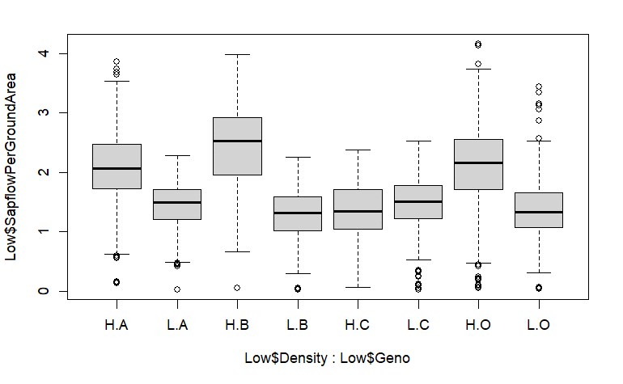
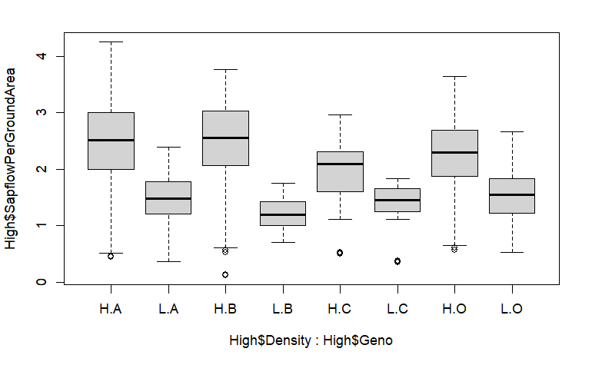
Call:
 | aov(formula | = | SapflowPerGroundArea | ~ | Density | * | Geno | + | (1 | | | DOY) | + | (1 | | | Block), | data | = | Join)

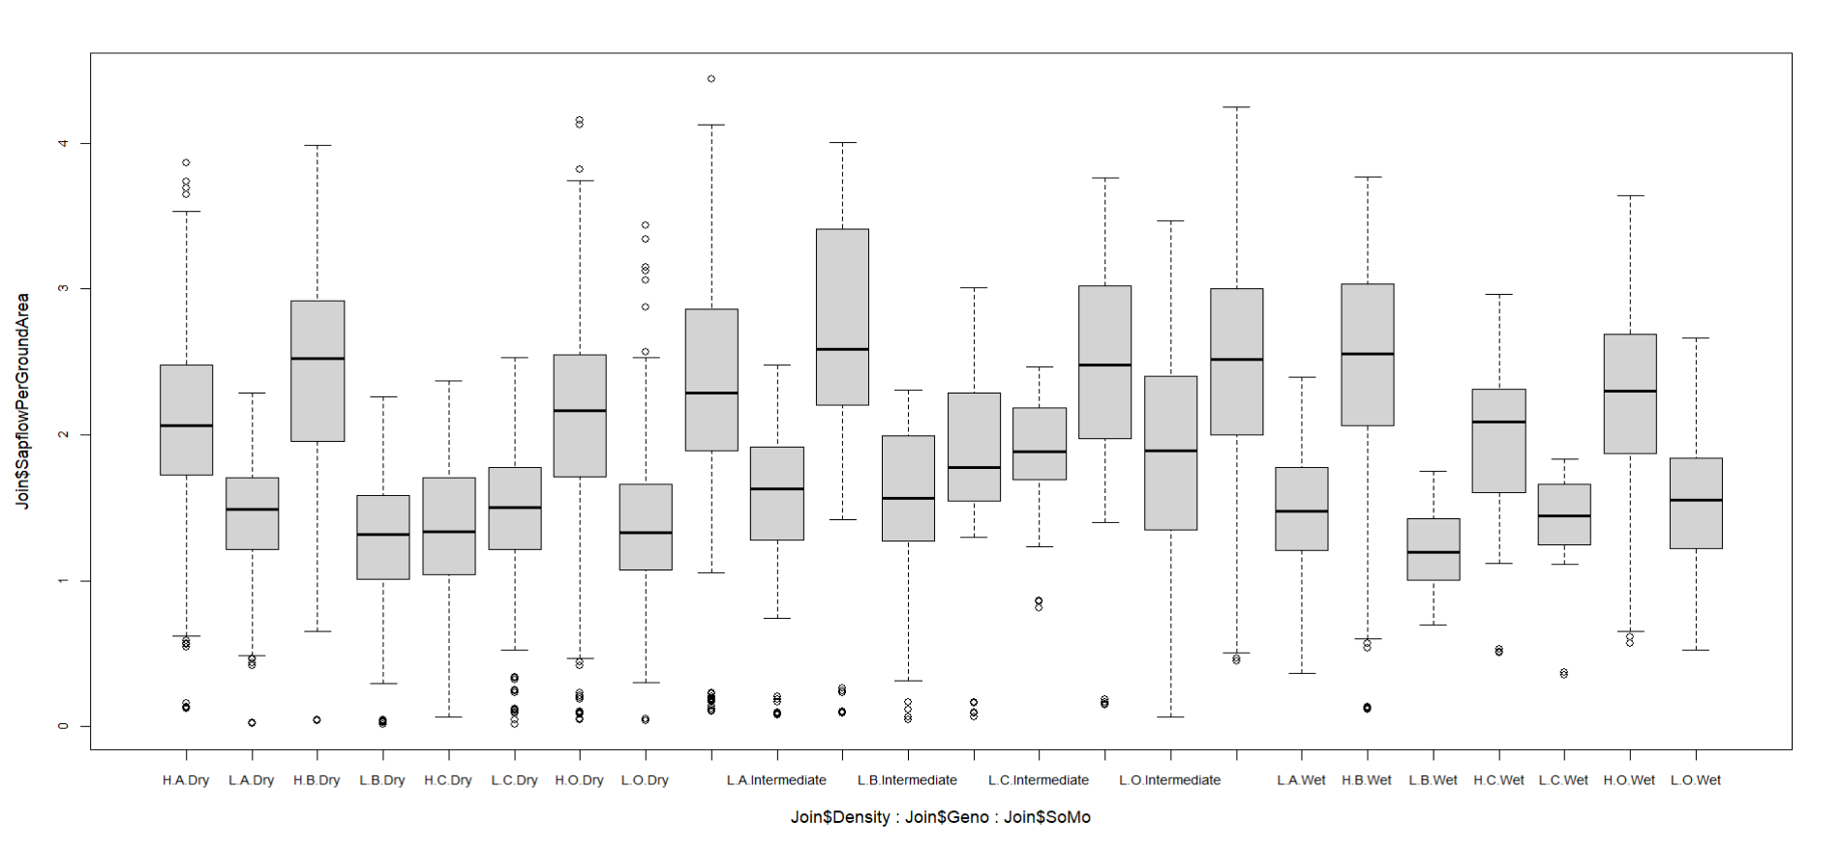
 | Df | Sum Sq | Mean Sq | F Value | Pr(>F) |  |  | Variation explained
Density | 1 | 424.1 | 424.1 | 991.71 | <2e-16 | *** | 2292.3 | 0.18501068796
Geno | 3 | 74.5 | 24.8 | 58.11 | <2e-16 | *** | 0.72678096235 | 0.032500109061
Density:Geno | 3 | 127.7 | 42.6 | 99.57 | <2e-16 | *** | 0.27321903765 | 0.055708240632
Residuals | 3896 | 1666 | 0.4 |  |  |  |  | 0.72678096235
---
Signif. | codes: | 0 | ‘***’ | 0.001 | ‘**’ | 0.01 | ‘*’ | 0.05 | ‘.’ | 0.1 | ‘ | ’ | 1

Coefficients
(Intercept) | DensityL | GenoB | GenoC | GenoO | 1|DOYTRUE | 1|BlockTRUE | DensityL:GenoB | DensityL:GenoC | DensityL:GenoO
2.20867133 | -0.74809393 | 0.23772747 | -0.62508343 | -0.06240806 | NA | NA | -0.36254984 | 0.64697843 | 0.07131292

m<-aov(SapflowPerGroundArea | ~ | Density*Geno*SoMo+ | + | (1| | DOY) | +(1|Block),
 | data | = | Join)
 | Df | Sum Sq | Mean Sq | F |  | Pr(>F)
Density | 1 | 424.1 | 424.1 | 1047.927 | < | 2.00E-16 | ***
Geno | 3 | 74.5 | 24.8 | 61.406 | < | 2.00E-16 | ***
SoMo | 2 | 51.4 | 25.7 | 63.489 | < | 2.00E-16 | ***
Density:Geno | 3 | 139.1 | 46.4 | 114.613 | < | 2.00E-16 | ***
Density:SoMo | 2 | 8 | 4 | 9.939 |  | 4.95E-05 | ***
Geno:SoMo | 6 | 16.7 | 2.8 | 6.858 |  | 2.96E-07 | ***
Density:Geno:SoMo | 6 | 8.4 | 1.4 | 3.444 |  | 0.00215 | **
Residuals | 3880 | 1570.1 | 0.4
---
Signif. | codes: | 0 | ‘***’ | 0.001 | ‘**’ | 0.01 | ‘*’ | 0.05 | ‘.’ | 0.1 | ‘ | ’ | 1

Call:
 | aov(formula | = | SapflowPerGroundArea | ~ | Density | * | Geno | + (1|DOY) | aov(formula | = | SapflowPerGroundArea | ~ | Density | * | Geno | + (1|DOY)
 | (1 | | | Block), | data | = | Low) |  |  | (1 | | | Block), | data | = | High)

 | Df | Sum Sq | Mean Sq | F | Pr(>F) |  |  |  |  | Df | Sum Sq | Mean Sq | F | Pr(>F)
Density | 1 | 226.4 | 226.39 | 632.43 | <2e-16 | *** |  |  | Density | 1 | 93.23 | 93.23 | 252.065 | < | 2.00E-16 | ***
Geno | 3 | 47.5 | 15.84 | 44.26 | <2e-16 | *** |  |  | Geno | 3 | 14.93 | 4.98 | 13.455 | 1.65E-08 | ***
Density:Geno | 3 | 121 | 40.33 | 112.65 | <2e-16 | *** |  |  | Density:Geno | 3 | 6.54 | 2.18 | 5.894 | 0.000573 | ***
Residuals | 2484 | 889.2 | 0.36 |  |  |  |  |  | Residuals | 604 | 223.4 | 0.37
--- |  |  |  |  |  |  |  |  | ---
 |  |  |  |  |  |  |  |  | Signif. | codes: | 0 | ‘***’ | 0.001 | ‘**’ | 0.01 | ‘*’ | 0.05 | ‘.’ | 0.1 | ‘ | ’ | 1

Dry
(Intercept) | DensityL | GenoB | GenoC | GenoO | DensityL:GenoB | DensityL:GenoC | DensityL:GenoO
2.03400439 | -0.61583138 | 0.35958243 | -0.69684788 | 0.04446652 | -0.50278631 | 0.71461134 | -0.09494252
Wet
(Intercept) | DensityL | GenoB | GenoC | GenoO | DensityL:GenoB | DensityL:GenoC | DensityL:GenoO
2.50158723 | -1.01055446 | -0.06516546 | -0.54093859 | -0.25543275 | -0.19168661 | 0.43165297 | 0.32348942

Q3
Linear | mixed | model | fit | by | REML. | t-tests | use | Satterthwaite's | method | ['lmerModLmerTest'] |  |  |  | Linear | mixed | model | fit | by | REML. | t-tests | use | Satterthwaite's | method | ['lmerModLmerTest']
Formula: | SapflowPerGroundArea | ~ | Density | * | Geno | + | VPD | + | REW | + | (1 | | | DOY) | Formula: | SapflowPerGroundArea | ~ | Density | * | Geno | + | VPD | * | SoMo | + | (1 | | | DOY) | + | (1 | | | Block)
 | Data: | Join |  |  |  |  |  |  |  |  |  |  |  |  | Data: | Join

REML | criterion | at | convergence: | 498.9 |  |  |  |  |  |  |  |  |  | REML | criterion | at | convergence: | 1781.5

Scaled | residuals: |  |  |  |  |  |  |  |  |  |  |  |  | Scaled | residuals: |  |  |  |  |  |  |  |  |  |  |  | Df | Sum | Sq | Mean | Sq | F
 | Min | 1Q | Median | 3Q | Max |  |  |  |  |  |  |  |  |  | Min | 1Q | Median | 3Q | Max |  |  |  |  |  |  | Density | 1 | 424.1 | 424.1 | 1791.4 | <2e-16 | ***
 | -3.3942 | -0.5497 | -0.0016 | 0.5663 | 4.6518 |  |  |  |  |  |  |  |  | -2.9946 | -0.6156 | -0.0429 | 0.6018 | 5.2035 |  |  |  |  |  |  |  | Geno | 3 | 74.5 | 24.8 | 105 | <2e-16 | ***
 |  |  |  |  |  |  |  |  |  |  |  |  |  |  |  |  |  |  |  |  |  |  |  |  |  | VPD | 1 | 555.1 | 555.1 | 2344.9 | <2e-16 | ***
Random | effects: |  |  |  |  |  |  |  |  |  |  |  |  | Random | effects: |  |  |  |  |  |  |  |  |  |  | SoMo | 2 | 93.6 | 46.8 | 197.7 | <2e-16 | ***
 | Groups | Name | Variance | Std.Dev. |  |  |  |  |  |  |  |  |  |  | Groups | Name | Variance | Std.Dev. |  |  |  |  |  |  |  | Density:Geno | 3 | 142.1 | 47.4 | 200.2 | <2e-16 | ***
 | DOY | (Intercept) | 0.17717 | 0.4209 |  |  |  |  |  |  |  |  |  |  | DOY | (Intercept) | 0.180083 | 0.42436 |  |  |  |  |  |  |  | VPD:SoMo | 2 | 81.8 | 40.9 | 172.8 | <2e-16 | ***
 | Residual |  | 0.06337 | 0.2517 |  |  |  |  |  |  |  |  |  |  | Block | (Intercept) | 0.004178 | 0.06464 |  |  |  |  |  |  |  | Residuals | 3891 | 921.1 | 0.2
Number | of | obs: | 976, | groups: | DOY, | 122 |  |  |  |  |  |  |  |  | Residual | 0.079359 | 0.28171 |  |  |  |  |  |  |  |  | ---
 |  |  |  |  |  |  |  |  |  |  |  |  |  | Number | of | obs: | 3904, | groups: | DOY, | 122; | Block, | 4
Fixed | effects: |  |  |  |  |  |  |  |  |  |  |  |  |  |  |  |  |  |  |  |  |  |  |  |  |  |  | variation explained
 | Estimate | Std. Error | df | t | value | Pr(>|t|) |  |  |  |  |  |  |  | Fixed | effects: |  |  |  |  |  |  |  |  |  |  |  | Density | 0.18501068796 | 2292.3
(Intercept) | 0.9145 | 0.10774 | 189.39247 | 8.488 |  | 5.99E-15 | *** |  |  |  |  |  |  |  | Estimate | Std. | Error | df | t | value | Pr(>|t|) |  |  |  |  |  | Geno | 0.032500109061 | 0.59817650395
DensityL | -0.53528 | 0.03236 | 850.69544 | -16.54 | < | 2E-16 | *** |  |  |  |  |  |  | (Intercept) | 1.46269 | 0.09506 | 94.86844 | 15.387 | < | 2.00E-16 | *** |  |  |  |  |  | VPD | 0.24215853073
GenoB | 0.57834 | 0.03298 | 876.03046 | 17.536 | < | 2E-16 | *** |  |  |  |  |  |  | DensityL | -0.74168 | 0.01819 | 3771.61791 | -40.782 | < | 2.00E-16 | *** |  |  |  |  |  | REW | 0.040832351786
GenoC | -0.38711 | 0.03257 | 859.42786 | -11.887 | < | 2E-16 | *** |  |  |  |  |  |  | GenoB | 0.25578 | 0.01823 | 3775.09009 | 14.034 | < | 2.00E-16 | *** |  |  |  |  |  | Density:Geno | 0.061990140907
GenoO | 0.20653 | 0.0336 | 897.98567 | 6.147 |  | 1.19E-09 | *** |  |  |  |  |  |  | GenoC | -0.62325 | 0.01808 | 3767.57818 | -34.475 | < | 2.00E-16 | *** |  |  |  |  |  | VPD:REW | 0.035684683506
VPD | 1.39631 | 0.13278 | 119.83245 | 10.516 | < | 2E-16 | *** |  |  |  |  |  |  | GenoO | -0.04035 | 0.01866 | 3795.1605 | -2.163 | 0.03062 | * |  |  |  |  |  |  | Residuals | 0.40182349605
REW | 0.70146 | 0.12182 | 525.08466 | 5.758 |  | 1.45E-08 | *** |  |  |  |  |  |  | VPD | 1.17378 | 0.13241 | 122.74672 | 8.865 | 7.36E-15 | ***
DensityL:GenoB | -0.57589 | 0.04558 | 844.90785 | -12.634 | < | 2E-16 | *** |  |  |  |  |  |  | SoMoIntermediate | -0.07625 | 0.04238 | 3887.88773 | -1.799 | 0.07205 | . |  |  |  |  |  |  | 0
DensityL:GenoC | 0.49548 | 0.04723 | 891.05116 | 10.492 | < | 2E-16 | *** |  |  |  |  |  |  | SoMoWet | -0.35594 | 0.07677 | 3702.66841 | -4.636 | 3.67E-06 | *** |  |  |  |  |  |  | -0.07625
DensityL:GenoO | 0.10746 | 0.04568 | 848.06529 | 2.352 |  | 0.0189 | * |  |  |  |  |  |  | DensityL:GenoB | -0.35739 | 0.02567 | 3771.61425 | -13.925 | < | 2.00E-16 | *** |  |  |  |  |  | -0.35594
--- |  |  |  |  |  |  |  |  |  |  |  |  |  | DensityL:GenoC | 0.67094 | 0.02586 | 3780.41779 | 25.941 | < | 2.00E-16 | ***
Signif. | codes: | 0 | ‘***’ | 0.001 | ‘**’ | 0.01 | ‘*’ | 0.05 | ‘.’ | 0.1 | ‘ | ’ | 1 | DensityL:GenoO | 0.07041 | 0.02557 | 3767.56779 | 2.753 | 0.00593 | **
 |  |  |  |  |  |  |  |  |  |  |  |  |  | VPD:SoMoIntermediate | 0.28845 | 0.06931 | 3884.65014 | 4.162 | 3.23E-05 | ***
Correlation | of | Fixed | Effects: |  |  |  |  |  |  |  |  |  |  | VPD:SoMoWet | 0.8531 | 0.12227 | 3760.60217 | 6.977 | 3.54E-12 | ***
 | (Intr) | DnstyL | GenoB | GenoC | GenoO | VPD | REW | DnL:GB | DnL:GC |  |  |  |  | ---
DensityL | -0.199 |  |  |  |  |  |  |  |  |  |  |  |  | Signif. | codes: | 0 | ‘***’ | 0.001 | ‘**’ | 0.01 | ‘*’ | 0.05 | ‘.’ | 0.1 | ‘ | ’ | 1
GenoB | -0.263 | 0.506
GenoC | -0.227 | 0.506 | 0.514
GenoO | -0.299 | 0.503 | 0.529 | 0.515
VPD | -0.784 | 0.01 | 0.024 | 0.016 | 0.032
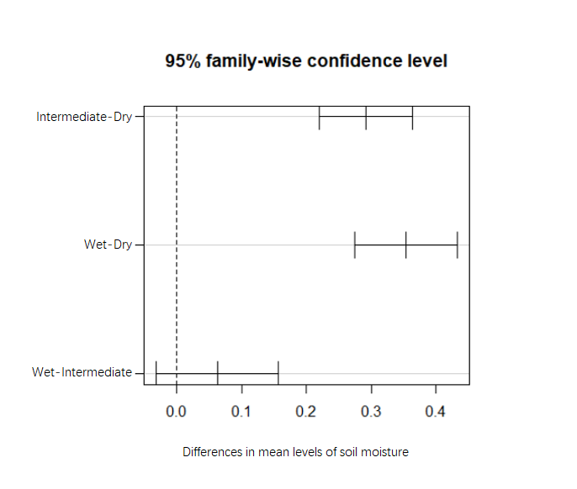
REW | -0.551 | 0.09 | 0.212 | 0.143 | 0.283 | 0.115
DenstyL:GnB | 0.101 | -0.703 | -0.689 | -0.349 | -0.337 | 0.001 | 0.009
DenstyL:GnC | -0.042 | -0.656 | -0.278 | -0.638 | -0.253 | 0.03 | 0.262 | 0.485
DenstyL:GnO | 0.069 | -0.697 | -0.331 | -0.34 | -0.658 | 0.008 | 0.067 | 0.499 | 0.499

 |  |  |  |  |  |  |  |  |  |  |  |  |  |  |  |  |  |  |  |  |  |  |  |  |  |  |  |  |  |  |  |  | value | Pr(>F)

