ZeroTrust
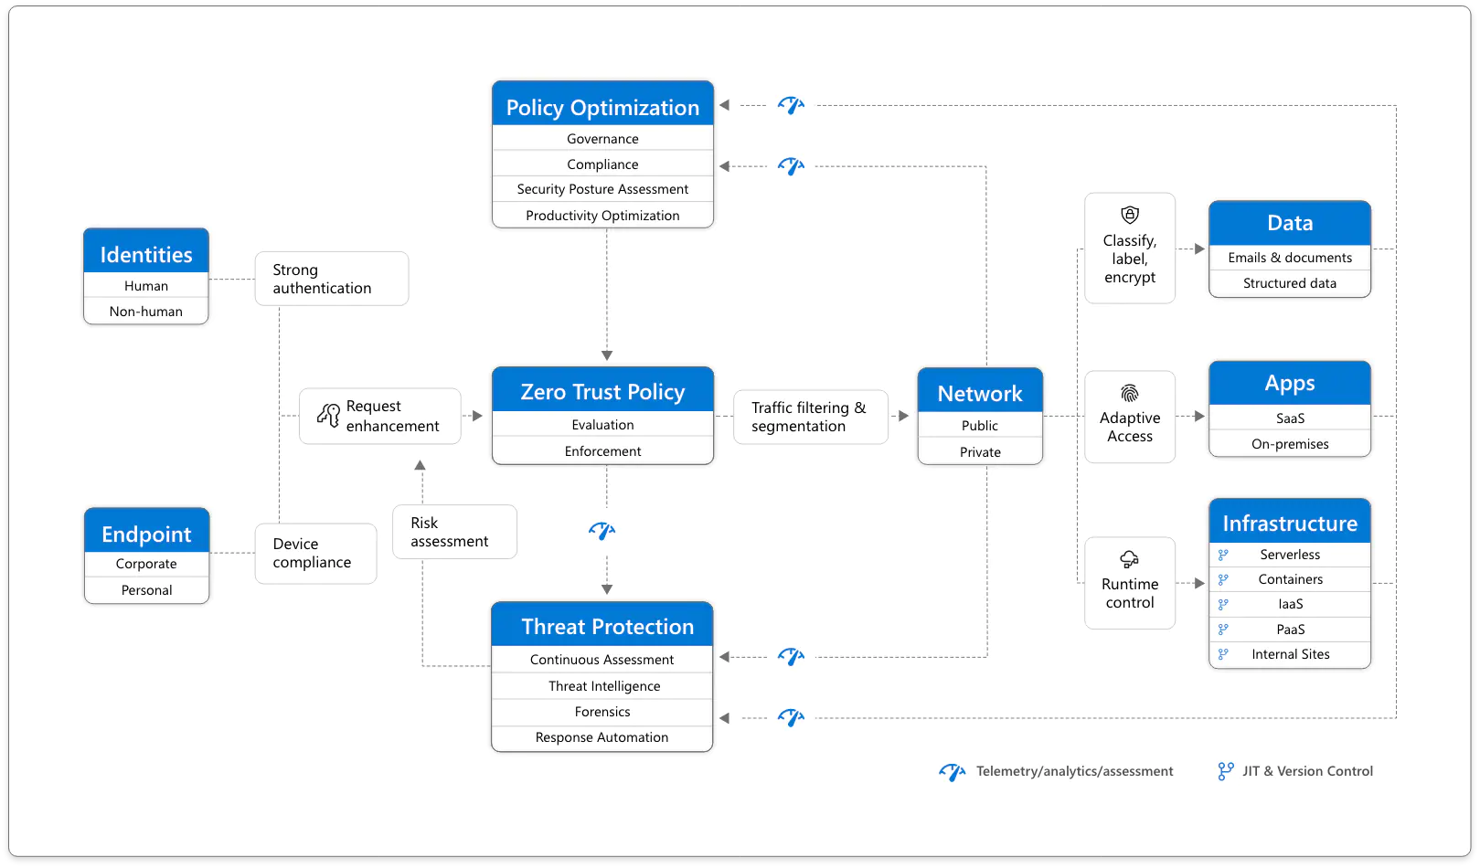
Zero Trust | Zero Trust Essentials eBook (microsoft.com)

A holistic approach to Zero Trust should extend to your entire digital estate – inclusive of identities, endpoints, network, data, apps, and infrastructure. Zero Trust architecture serves as a comprehensive end-to-end strategy and requires integration across the elements.
The foundation of Zero Trust security is Identities. Both human and non-human identities need strong authorization, connecting from either personal or corporate Endpoints with compliant device, together requesting access based on strong policies grounded in Zero Trust principles of explicit verification, least privilege access, and assumed breach.
As a unified policy enforcement, the Zero Trust Policy intercepts the request, and explicitly verifies signals from all 6 foundational elements based on policy configuration and enforces least privileged access. Signals include the role of the user, location, device compliance, data sensitivity, application sensitivity and much more. In additional to telemetry and state information, the risk assessment from threat protection feeds into the policy engine to automatically respond to threats in real-time. Policy is enforced at the time of access and continuously evaluated throughout the session.
This policy is further enhanced by Policy Optimization. Governance and Compliance are critical to a strong Zero Trust implementation. Security Posture Assessment and Productivity Optimization are necessary to measure the telemetry throughout the services and systems.
The telemetry and analytics feeds into the Threat Protection system. Large amounts of telemetry and analytics enriched by threat intelligent generates high quality risk assessments that can either be manually investigated or automated. Attacks happen at cloud speed – your defense systems must act at cloud speed and humans just can’t react quickly enough or sift through all the risks. The risk assessment feeds into the policy engine for real-time automated threat protection, and additional manual investigation if needed.
Traffic filtering and segmentation is applied to the evaluation and enforcement from the Zero Trust policy before access is granted to any public or private Network. Data classification, labeling, and encryption should be applied to emails, documents, and structured data. Access to Apps should be adaptive, whether SaaS or on-premises. Runtime control is applied to Infrastructure, with serverless, containers, IaaS, PaaS, and internal sites, with just-in-time (JIT) and Version Controls actively engaged.
Finally, telemetry, analytics, and assessment from the Network, Data, Apps, and Infrastructure are fed back into the Policy Optimization and Threat Protection systems.

Architecture
