Instructions
How to connect this spreadsheet to the Pricing Engine Web Services

1 | If you don't have the AzureML add-in, add it to the spreadsheet from the ribbon
 | https://blogs.technet.microsoft.com/machinelearning/2015/09/01/excel-add-in-for-azure-ml/

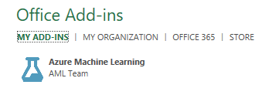

 |  |  |  | If you don't see the plugin, get it from the Office Store
 |  |  |  | https://store.office.com/en-001/app.aspx?assetid=WA104379638&ui=en-US&rs=en-001&ad=US&appredirect=false

2 | Go to | https://start.cortanaintelligence.com/Deployments/new/msr-pricing-class
 | of if that fails use the backup link at |  | https://caqsint.azure.net/Deployments/new/msr-pricing-class

3 | Sign in with the account that is your Azure subscription owner

4 | Enter a Deployment name and hit "Create" to deploy the Web Services (this step may take 5-10 minutes)

5 | Click on the link for "Data and Model"

6 | Click on the Consume tab

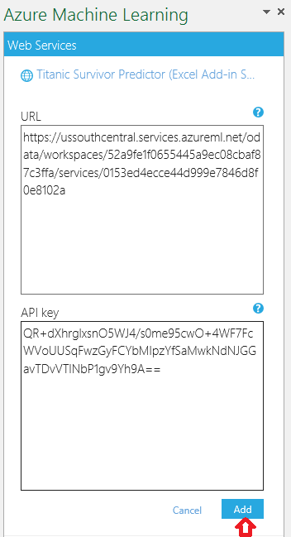
7 | Go back to Excel

8 | In the Azure Machine Learning plugin, click + to add new web service
 | Locate the Request-Response URL and Primary Key in service.azureml.net
 | Paste them into the respective boxes in Excel
 | The PE_BuildModel web service will be added to this spreadsheet

9 | Repeat steps 5-8 for each of the remaining linked services
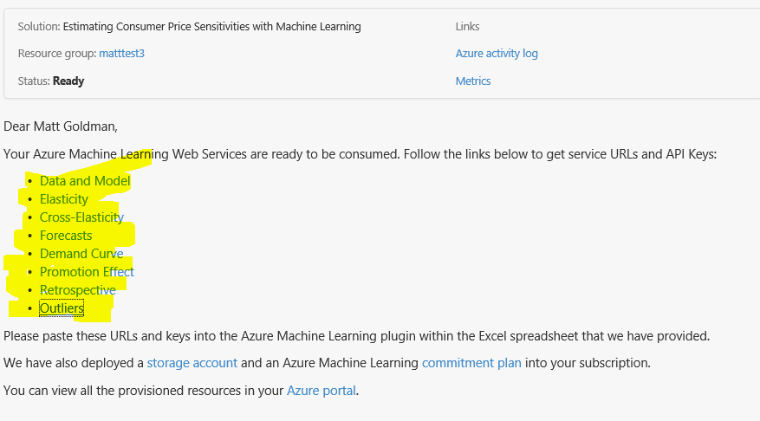

10 | You are ready to use the Pricing Engine!
 |  | You are using your own services and control
 |  | access to the data and models.
 |  | Go to the "Data and Model" tab first
 |  | and follow the instructions there to
 |  | train a model and get started.

Simulate Promotion
Web Service: PE_PromotionSimulation |  |  |  |  |  |  |  |  | Feature Instructions
 |  |  |  |  |  |  |  |  | 1) Select PE_PromotionSimulation from the Azure Machine Learning Add-In 2) Select the Input range as cells A5:F8 (or include more rows if needed). 3) Select any desired cell as the "Output". 4) Enter the "datasetName" that you used when training your model. 5) Ensure you select the option to Predict "A few rows at a time (RSS)" and then hit the Predict button. Description: Returns a projection for sales of all products if they are sold at the given pricing plan. Products sold in the same location, but not indicated specifically in the Input will be assumed to be maintained at the current price. Also note: Only one unique value of "CurrentDate" and "Location" may be included in the Input.
Input: A5:F6 Output Range at User's Discretion

CurrentDate | Location | Product | Channel | Segment | Price(t+1) | Price(t+2) | Price(t+3)
2015-04-19 | 101 | dominicks | Retail | all | 1.75 | 1.75 | 1.75
2015-04-19 | 101 | minute_maid | Retail | all | 2.5 | 2.5 | 2.5
2015-04-19 | 101 | tropicana | Retail | all | 3 | 3 | 3

Location | Product | Channel | Segment | Price_0 | Price t+1 | Projected Sales t+1 | 90% CI LB Proj Sales t+1 | 90% CI UB Proj Sales t+1 | Price t+2 | Projected Sales t+2 | Price t+3 | Projected Sales t+3

Forecast with Minute Maid promotion
 | Product | 0 | 0 | 0
 | dominicks | 0 | 0 | 0
 | minute_maid | 0 | 0 | 0
 | tropicana | 0 | 0 | 0

