Dashboards
TOTAL SALES | TOTAL PROFIT | LOSS-ZONE ORDERS | PROFIT DESTROYED | PROFIT IF CAPPED
$2,297,201 | $286,397 | 1,393 | -$135,376 | $421,773
9,994 orders | 12.5% margin | 13.9% of orders | above 20% discount | +47% vs actual

Margin turns negative above 20% discount
 | Total
0 | 29.5%
0.1 | 16.6%
0.15 | 5.1%
0.2 | 11.8%
0.3 | -10.0%
0.32 | -16.5%
0.4 | -19.8%
0.45 | -45.5%
0.5 | -34.8%
0.6 | -89.5%
0.7 | -98.7%
0.8 | -180.0%
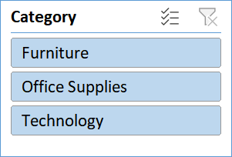

Tables and Bookcases lose money outright
 | Total
Labels | 44.4%
Paper | 43.4%
Envelopes | 42.3%
Copiers | 37.2%
Fasteners | 31.4%
Accessories | 25.1%
Art | 24.1%
Appliances | 16.9%
Binders | 14.9%
Furnishings | 14.2%
Phones | 13.5%
Storage | 9.5%
Chairs | 8.1%
Machines | 1.8%
Supplies | -2.5%
Bookcases | -3.0%
Tables | -8.6%

