Sheet3
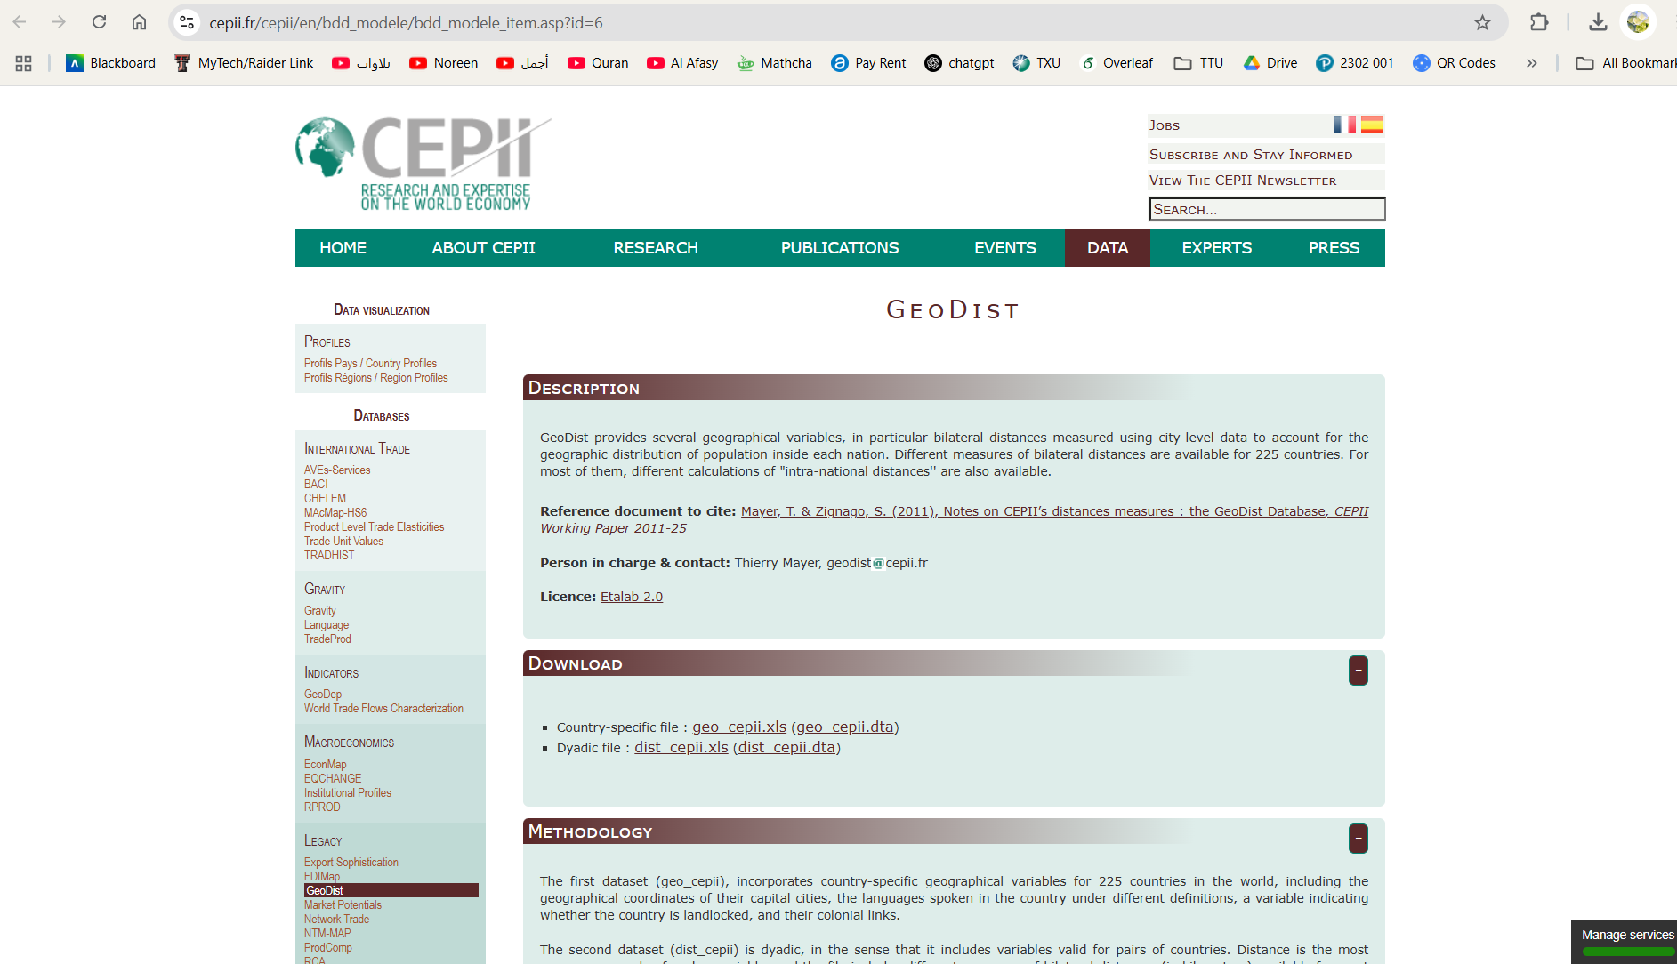
https://www.cepii.fr/cepii/en/bdd_modele/bdd_modele_item.asp?id=6

