VPN Server
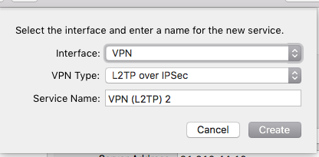
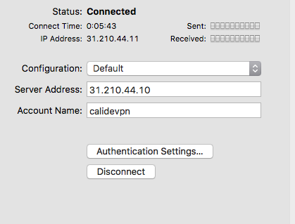
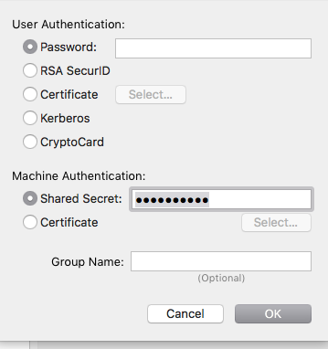
IP | 31.210.44.10
Type | L2TP over IPSec
User Name | calidevpn
Pass | vpn_2468
Shared Secret | calide2468
Notes | Make sure mark "send all connection to vpn" in the advanced settings.

Aslanmax
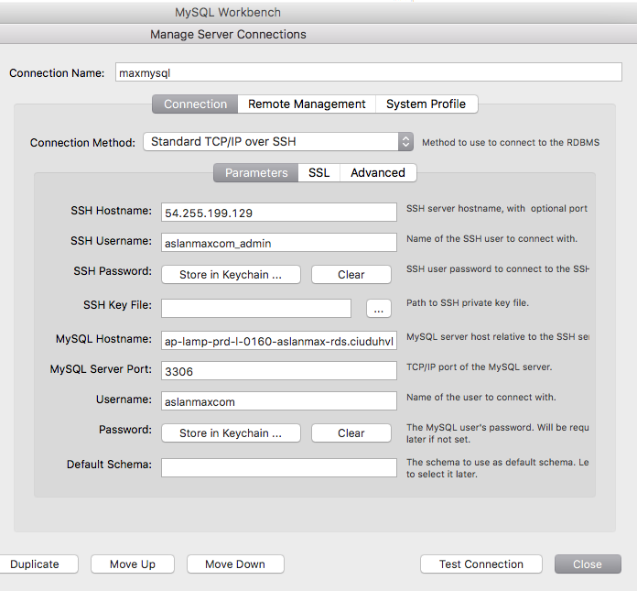
VPN | Required
OS | Amazon Linux
IP | 54,255,199,129
FTP | UserName | aslanmaxcom_sftp
 | Password | zSvUzpWW3iYR7oxK
 | Port | 22

SSH | UserName | aslanmaxcom_admin
 | Password | 5rusTejudRa2Esw
 | Port | 22

Database | Server | ap-lamp-prd-l-0160-aslanmax-rds.ciuduhvlfi9b.ap-southeast-1.rds.amazonaws.com
 | DB Name | aslanmax_com
 | UserName | aslanmaxcom
 | Pass | xe5arakEwustaQu
 | Port | 3306

SBTV
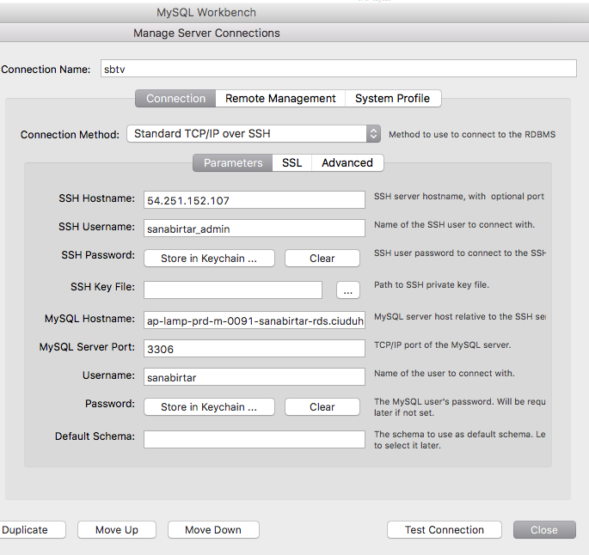
VPN | Required
OS | Amazon Linux
IP | 54,251,152,107
FTP | UserName | sanabirtar_sftp
 | Password | KDu+hE2vUPb5VQR6
 | Port | 22

SSH | UserName | sanabirtar_admin
 | Password | ejvjtzKZTPAGNp3
 | Port | 22

Database | Server | ap-lamp-prd-m-0091-sanabirtar-rds.ciuduhvlfi9b.ap-southeast-1.rds.amazonaws.com
 | DB Name | sanabirtar_com
 | UserName | sanabirtar
 | Pass | WGYm5z1HF03oIs0
 | Port | 3306

