Reporting Group Info
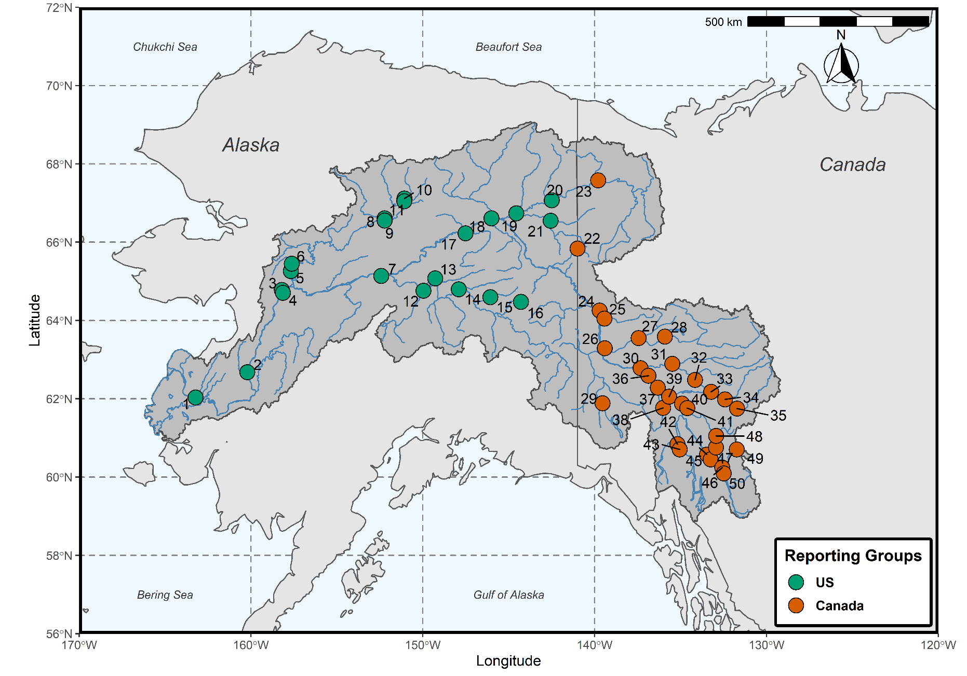
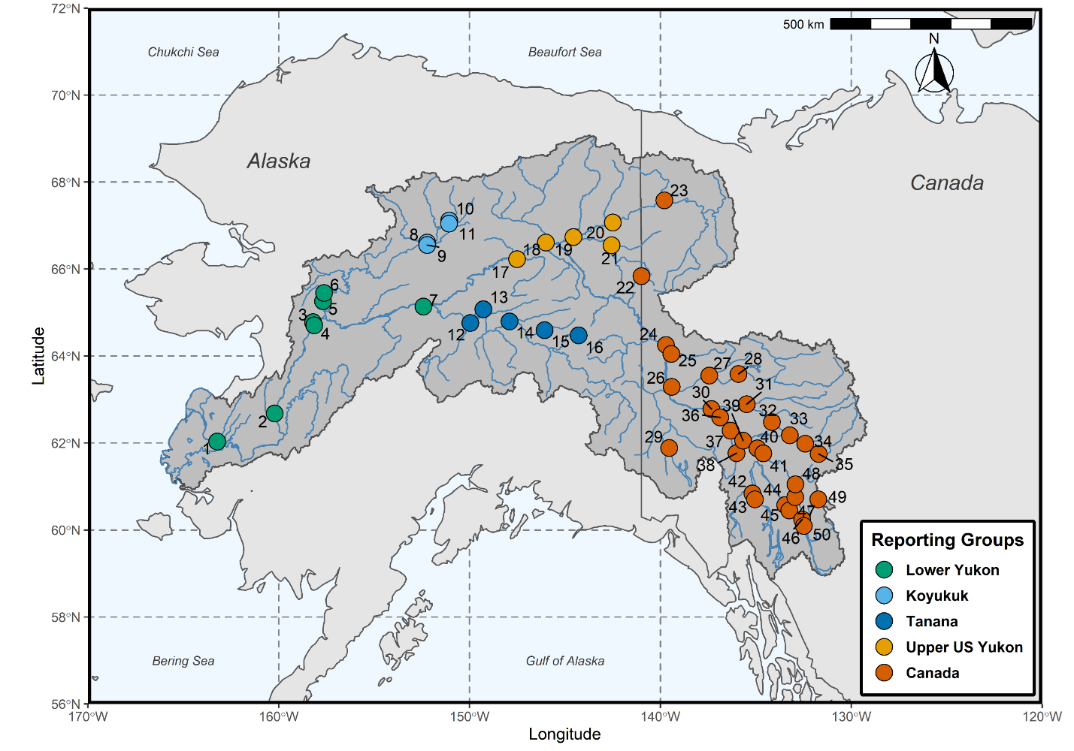
Table 1. – Yukon River Chinook salmon collections and populations organized hierarchically into reporting groups. |  |  |  |  |  |  |  |  | Figure 1.– Yukon River Chinook salmon sampling locations for genetic baseline populations. Colors denote fine scale reporting groups in Table 1. Numbers correspond to population numbers (Pop #) in Table 1.
Country | Broad scale | Fine scale | Population | Pop # | Latitude | Longitude | Year(s) | Sample size
U.S.
 | Lower Yukon
 |  | Lower Yukon
 |  |  | Andreafsky River | 1 | 62.03 | -163.23 | 2002, 2003 | 159
 |  |  | Anvik River | 2 | 62.68 | -160.21 | 2003, 2007 | 68
 |  |  | South Fork Nulato | 3 | 64.73 | -158.21 | 2012 | 50
 |  |  | North Fork Nulato a | 4 | 64.71 | -158.14 | 2012 | 45
 |  |  | Gisasa River | 5 | 65.26 | -157.68 | 2001 | 84
 |  |  | Kateel River | 6 | 65.45 | -157.63 | 2002, 2012 | 63
 |  |  | Tozitna River | 7 | 65.14 | -152.42 | 2002, 2003 | 126
 | Middle Yukon
 |  | Koyukuk
 |  |  | Henshaw Creek 1 | 8 | 66.55 | -152.23 | 2001 | 90
 |  |  | Henshaw Creek 2 a | 9 | 66.55 | -152.23 | 2007, 2015 | 142
 |  |  | South Fork Koyukuk River | 10 | 67.05 | -151.07 | 2003 | 45
 |  |  | Middle Fork Koyukuk River a | 11 | 67.05 | -151.08 | 2010, 2011, 2012, 2013 | 38
 |  | Tanana
 |  |  | Kantishna River | 12 | 64.76 | -149.97 | 2005 | 95
 |  |  | Chatanika River | 13 | 65.08 | -149.28 | 2001, 2007 | 46
 |  |  | Chena River | 14 | 64.8 | -147.91 | 2001 | 125
 |  |  | Salcha River | 15 | 64.6 | -146.08 | 2004, 2005 | 133
 |  |  | Goodpaster River | 16 | 64.48 | -144.29 | 2006, 2007, 2011, 2012 | 111
 |  | Upper U.S. Yukon
 |  |  | Beaver Creek | 17 | 66.23 | -147.52 | 1997 | 85
 |  |  | Chandalar River | 18 | 66.61 | -146.01 | 2004 | 54
 |  |  | Sheenjek River | 19 | 66.74 | -144.56 | 2004, 2006, 2011 | 60
 |  |  | Coleen River | 20 | 67.07 | -142.5 | 2011, 2013, 2017 | 87
 |  |  | Salmon Fork Black River a | 21 | 66.55 | -142.57 | 2015, 2017 | 85
Canada
 | Canada |  |  |  |  |  |  |  | Figure 2.– Yukon River Chinook salmon sampling locations for genetic baseline populations. Colors denote broad scale reporting groups in Table 1. Numbers correspond to population numbers (Pop #) in Table 1.
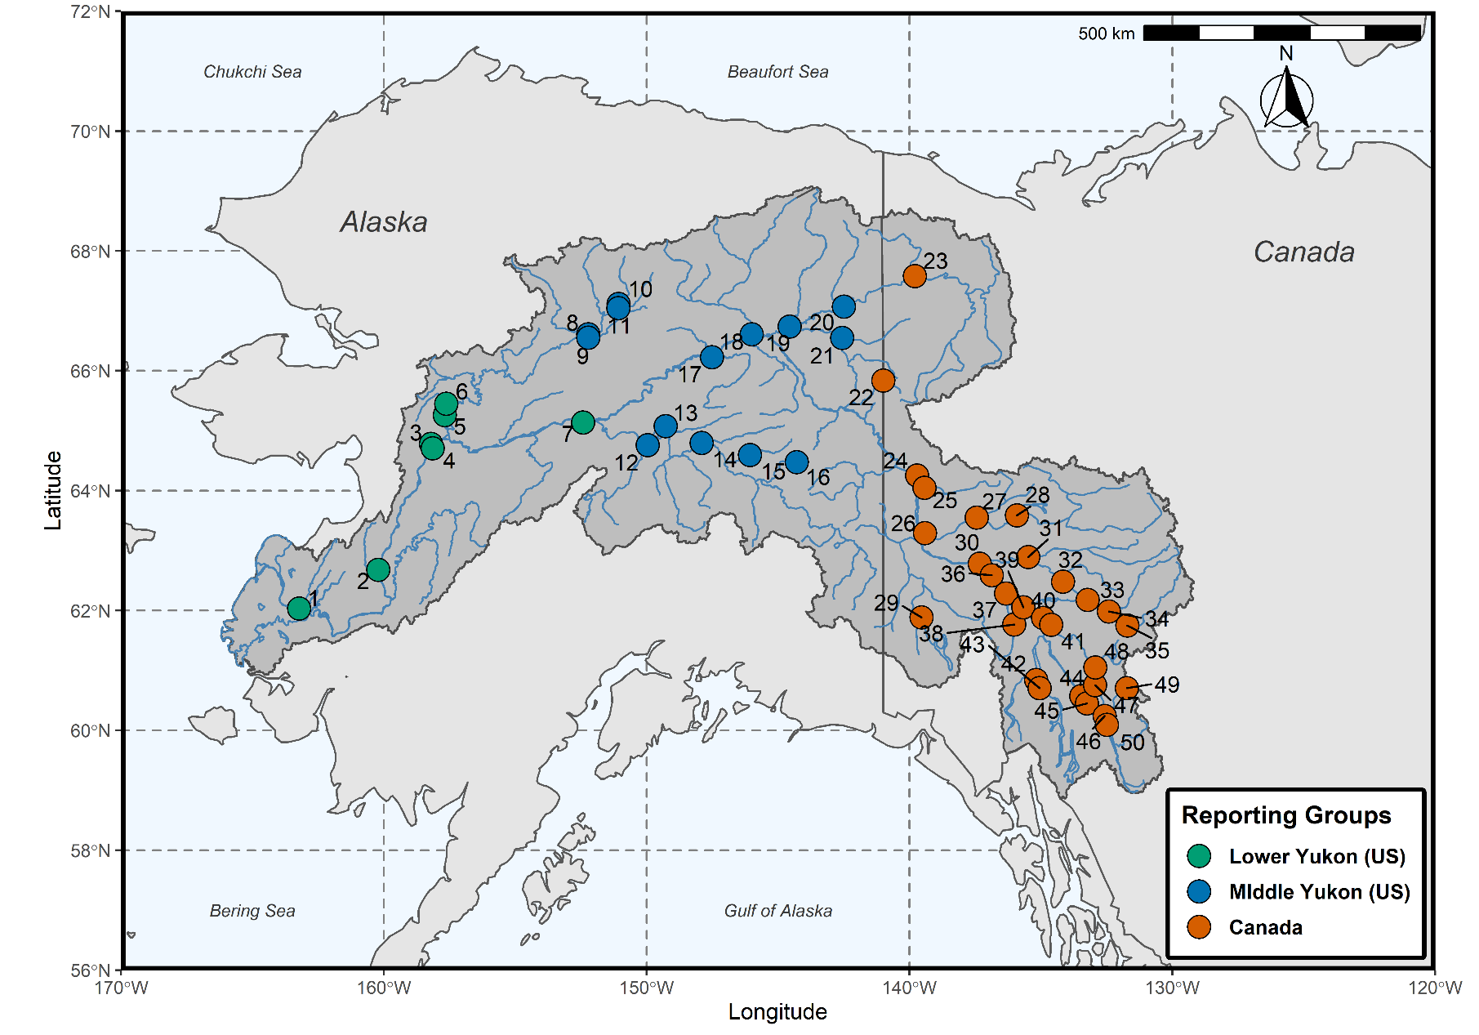
 |  | Canada
 |  |  | Kandik River | 22 | 65.38 | -142.51 | 2007, 2008, 2009, 2010 | 57
 |  |  | Porcupine River | 23 | 67.58 | -139.8 | 2007 | 103
 |  |  | Chandindu River | 24 | 64.25 | -139.72 | 2001, 2003 | 109
 |  |  | Klondike River | 25 | 64.05 | -139.44 | 2003, 2007, 2010, 2011 | 122
 |  |  | Stewart River | 26 | 63.29 | -139.41 | 1997, 2006 | 121
 |  |  | McQuesten River a | 27 | 63.55 | -137.44 | 2011, 2012, 2014 | 116
 |  |  | Mayo River | 28 | 63.59 | -135.91 | 2003, 2009, 2011 | 57
 |  |  | Tincup Creek | 29 | 61.89 | -139.55 | 2003, 2009, 2010, 2011 | 113
 |  |  | Pelly River | 30 | 62.78 | -137.33 | 2009, 2014, 2017 | 66
 |  |  | Kalzas River a | 31 | 62.89 | -135.49 | 2003, 2011 | 55
 |  |  | Glenlyon River a | 32 | 62.48 | -134.16 | 2003, 2004, 2005 | 60
 |  |  | Blind Creek | 33 | 62.18 | -133.22 | 2003, 2008 | 140
 |  |  | Ross River a | 34 | 61.99 | -132.42 | 2014, 2015 | 88
 |  |  | Hoole River a | 35 | 61.75 | -131.71 | 2016, 2017 | 91
 |  |  | Minto, Yukon | 36 | 62.59 | -136.87 | 2007 | 97
 |  |  | Tatchun Creek | 37 | 62.29 | -136.33 | 1987, 2002, 2003 | 84
 |  |  | Nordenskiold River | 38 | 61.77 | -136.02 | 2003, 2012, 2013, 2016 | 125
 |  |  | Little Salmon River | 39 | 62.05 | -135.67 | 1987, 2010 | 124
 |  |  | Big Salmon River | 40 | 61.88 | -134.92 | 1987, 2007 | 127
 |  |  | North Big Salmon a | 41 | 61.76 | -134.61 | 2014, 2016, 2017 | 90
 |  |  | Takhini River | 42 | 60.84 | -135.18 | 1997, 2002, 2003 | 93
 |  |  | Whitehorse, Yukon | 43 | 60.71 | -135.05 | 2010 | 91
 |  |  | Teslin River | 44 | 60.58 | -133.46 | 2007, 2010 | 129
 |  |  | Teslin Lake a | 45 | 60.45 | -133.25 | 2006 | 95
 |  |  | Nisutlin River | 46 | 60.24 | -132.58 | 2014, 2015, 2016 | 148
 |  |  | Sidney Creek a | 47 | 60.76 | -132.94 | 1992 | 92
 |  |  | Hundred Mile Creek a | 48 | 61.05 | -132.93 | 2015, 2016 | 55
 |  |  | Wolf River a | 49 | 60.71 | -131.73 | 2003, 2014, 2015 | 43
 |  |  | Morley River | 50 | 60.09 | -132.49 | 2002, 2003, 2009, 2010, 2016, 2017 | 82
 |  |  |  |  |  |  | Total | 4,564 | Figure 3.– Yukon River Chinook salmon sampling locations for genetic baseline populations. Colors denote country scale reporting groups in Table 1. Numbers correspond to population numbers (Pop #) in Table 1.

