Sheet1
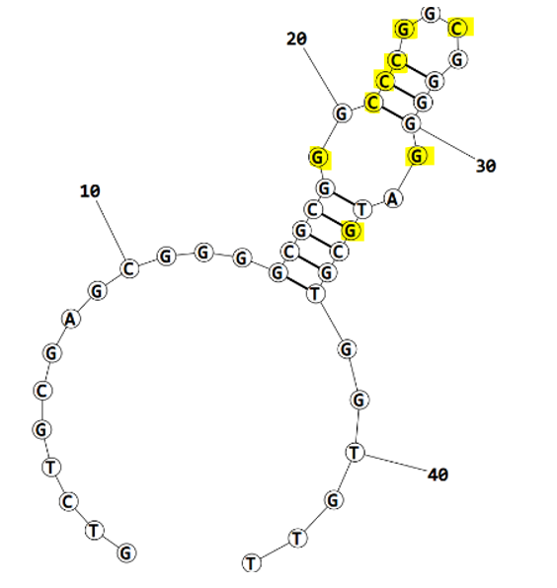
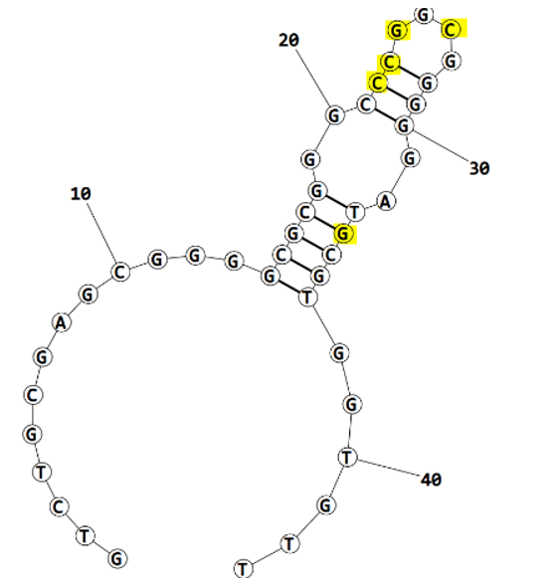
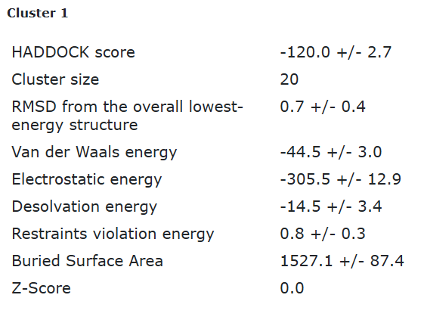
Eco3R_final refinement best structure hbonds |  |  |  |  |  |  |  |  | before refinement
 |  |  |  |  |  |  | after final refinement
 |  |  |  |  |  |  |  | after 1st refinement
nucleotide | position | amino acid | a.a position | distance (A) | bond strength | Total hbonds
C | 22 | ARG | 60 | 2.63 | moderate | 10
C | 22 | ARG | 60 | 3.45 | weak
C | 23 | TYR | 63 | 2.67 | moderate
C | 23 | TYR | 63 | 3.53 | weak
C | 23 | LYS | 64 | 3.28 | weak
G | 24 | LYS | 64 | 3.47 | weak
G | 24 | SER | 66 | 3.17 | moderate
G | 24 | GLY | 65 | 2.66 | moderate
C | 26 | LYS | 64 | 2.95 | moderate
G | 34 | TYR | 43 | 2.93 | moderate

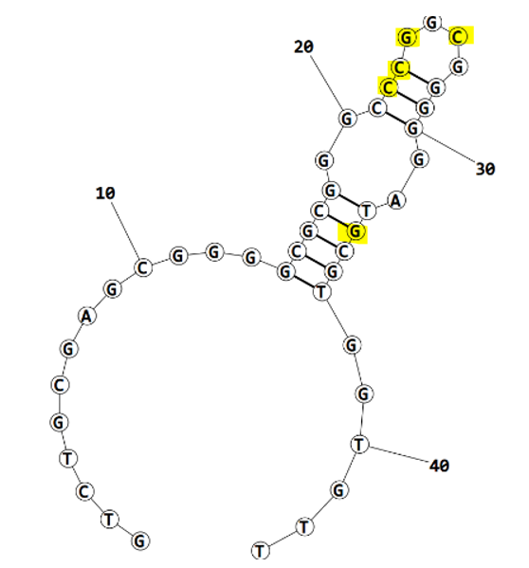

Eco3R_final refinement 2nd best structure hbonds

nucleotide | position | amino acid | a.a position | distance (A) | bond strength | Total hbonds
C | 21 | ARG | 60 | 3.8 | weak | 11
C | 22 | ARG | 60 | 2.73 | moderate
C | 22 | ARG | 60 | 2.93 | moderate
C | 23 | TYR | 63 | 2.69 | moderate
C | 23 | LYS | 64 | 3.44 | weak
G | 24 | LYS | 64 | 3.09 | moderate
G | 24 | GLY | 65 | 2.63 | moderate
G | 24 | SER | 66 | 3.19 | moderate
C | 26 | LYS | 64 | 2.9 | moderate
G | 31 | TYR | 55 | 3.24 | weak
G | 34 | TYR | 43 | 2.75 | moderate

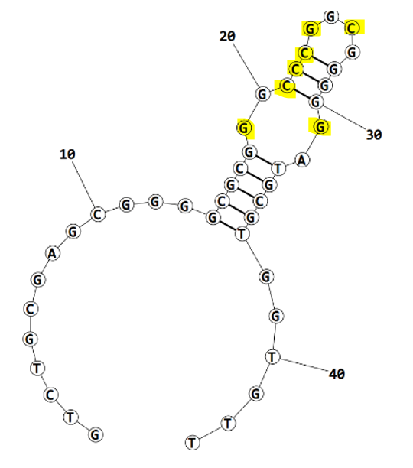
Eco3R_final refinement 3rd best structure hbonds

nucleotide | position | amino acid | a.a position | distance (A) | bond strength | Total hbonds
G | 19 | TRP | 7 | 3.48 | weak | 13
C | 21 | ARG | 60 | 3.8 | weak
C | 21 | ARG | 60 | 3.3 | weak
C | 22 | ARG | 60 | 2.67 | moderate
C | 22 | ARG | 60 | 3.03 | moderate
C | 23 | TYR | 63 | 2.68 | moderate
C | 23 | TYR | 63 | 3.55 | weak
C | 23 | LYS | 64 | 3.3 | weak
G | 24 | LYS | 64 | 2.9 | moderate
G | 24 | GLY | 65 | 2.63 | moderate
G | 24 | SER | 66 | 3.5 | weak
C | 26 | LYS | 64 | 2.76 | moderate
G | 31 | TYR | 55 | 2.86 | moderate

Eco3R_final refinement 4th best structure hbonds

nucleotide | position | amino acid | a.a position | distance (A) | bond strength | Total hbonds
G | 19 | TRP | 7 | 3.54 | weak | 14
C | 21 | ARG | 60 | 3.6 | weak
C | 22 | ARG | 60 | 2.65 | moderate
C | 22 | ARG | 60 | 2.99 | moderate
C | 23 | TYR | 63 | 2.85 | moderate
C | 23 | TYR | 63 | 2.77 | moderate
C | 23 | LYS | 64 | 3.46 | weak
C | 23 | LYS | 64 | 3.04 | moderate
G | 24 | LYS | 64 | 3.95 | weak
G | 24 | GLY | 65 | 3.69 | weak
G | 24 | GLY | 65 | 2.67 | moderate
G | 24 | SER | 66 | 2.75 | moderate
C | 26 | LYS | 64 | 2.99 | moderate
G | 31 | TYR | 55 | 3.4 | weak

