Sheet1
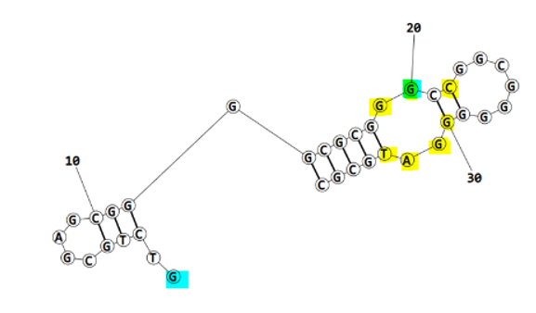
 |  |  |  |  |  |  | after refinement | before refinement

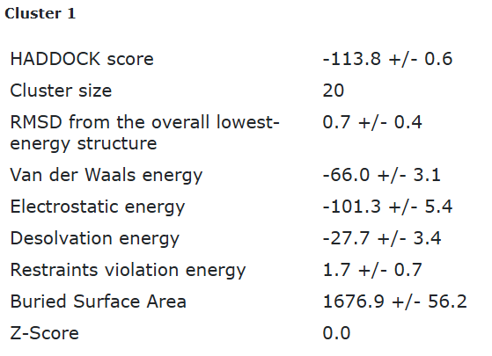
ECA1_final refined best structure hbonds

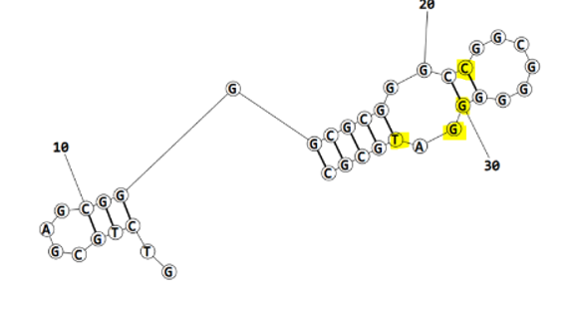
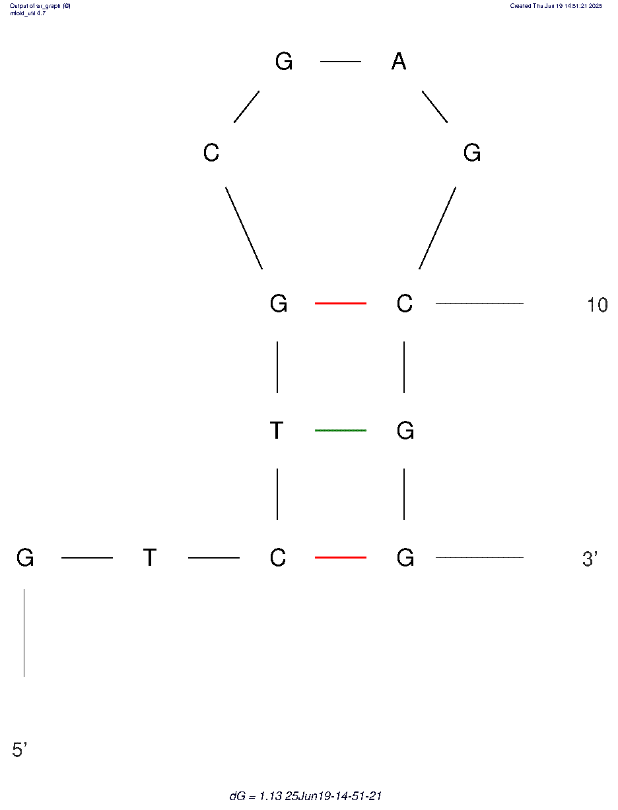
nucleotide | position | amino acid | a.a position | distance (A) | bond strength | Total hbonds
C | 22 | TYR | 43 | 2.97 | moderate | 9
G | 30 | GLN | 172 | 2.97 | moderate
G | 30 | GLN | 172 | 3.8 | weak
G | 30 | GLN | 172 | 2.93 | moderate
G | 31 | THR | 9 | 3.66 | weak
G | 31 | THR | 9 | 3.27 | weak
G | 31 | GLN | 172 | 3.09 | moderate
T | 33 | ARG | 60 | 2.76 | moderate
T | 33 | ARG | 60 | 3.3 | weak

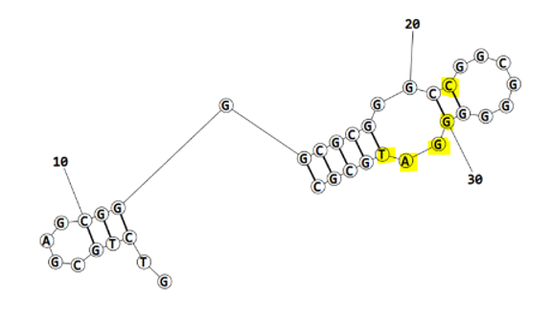
ECA1_final refined 2nd best structure hbonds

nucleotide | position | amino acid | a.a position | distance (A) | bond strength | Total hbonds
C | 22 | TYR | 43 | 2.87 | moderate | 7
G | 30 | GLN | 172 | 3.38 | weak
G | 30 | GLN | 172 | 3.37 | weak
G | 30 | GLN | 172 | 2.85 | moderate
G | 31 | GLN | 172 | 3.33 | weak
A | 32 | THR | 9 | 2.84 | moderate
T | 33 | ARG | 60 | 2.8 | moderate

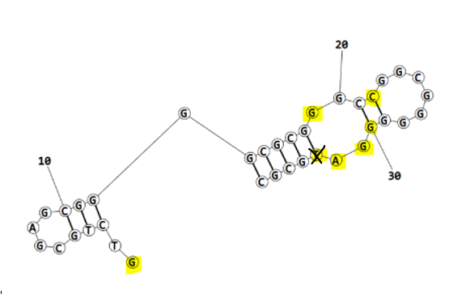
ECA1_final refined 3rd best structure hbonds

nucleotide | position | amino acid | a.a position | distance (A) | bond strength | Total hbonds
G | 1 | TYR | 168 | 2.97 | moderate
G | 19 | TYR | 55 | 3.9 | weak
C | 22 | TYR | 43 | 2.89 | moderate | 7
G | 30 | GLN | 172 | 3.3 | weak
G | 30 | GLN | 172 | 2.84 | moderate
G | 31 | GLN | 172 | 2.83 | moderate
A | 32 | THR | 9 | 2.8 | moderate

ECA1_final refined 4th best structure hbonds

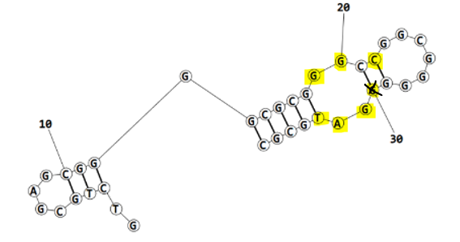
nucleotide | position | amino acid | a.a position | distance (A) | bond strength | Total hbonds
G | 19 | TYR | 55 | 3.6 | weak | 7
G | 20 | TYR | 55 | 3.78 | weak
C | 22 | TYR | 43 | 2.78 | moderate
G | 31 | THR | 9 | 3.5 | weak
G | 31 | GLN | 172 | 2.9 | moderate
A | 32 | THR | 9 | 3.06 | moderate
T | 33 | ARG | 60 | 2.83 | moderate

