Sheet1
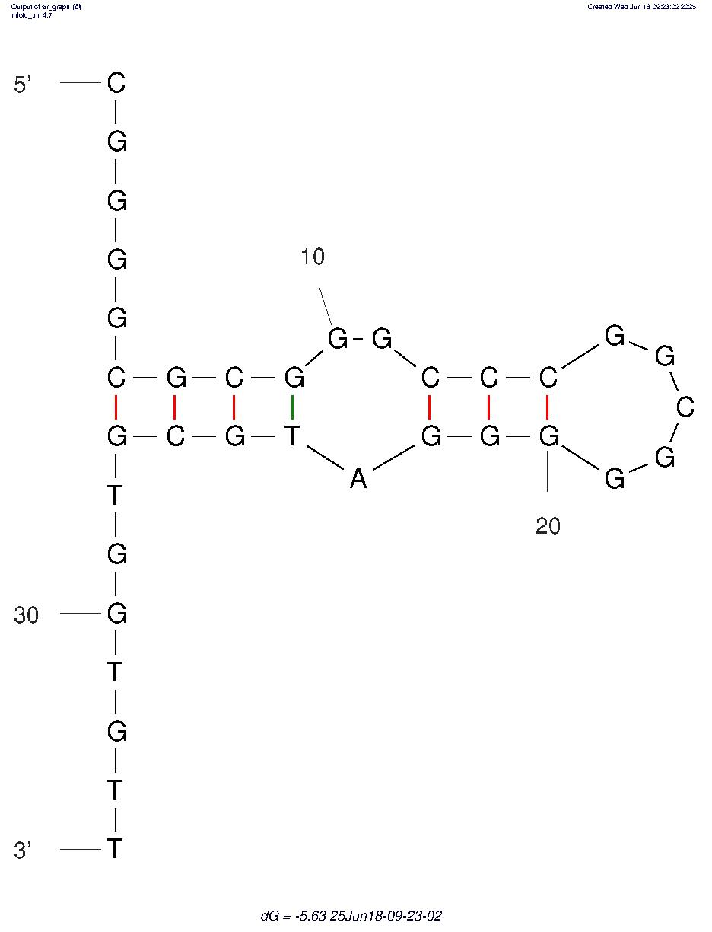
Eco3R_tr1 final refined best structure hbonds
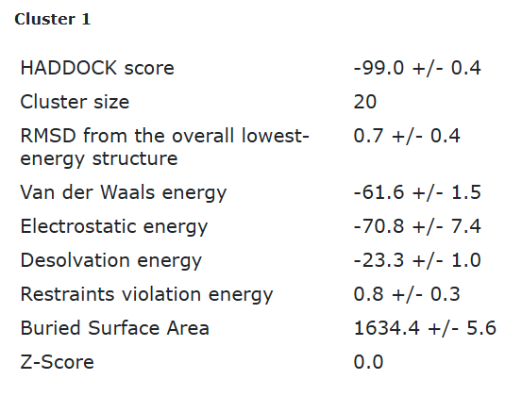

nucleotide | position | amino acid | a.a position | distance (A) | bond strength | Total hbonds
G | 3 | TRP | 7 | 3.15 | moderate | 4
G | 21 | ASN | 46 | 2.9 | moderate
G | 22 | TYR | 43 | 2.7 | moderate
A | 23 | TYR | 43 | 3.6 | weak

Eco3R_tr1 final refined 2nd best structure hbonds

nucleotide | position | amino acid | a.a position | distance (A) | bond strength | Total hbonds
G | 21 | ASN | 46 | 2.8 | moderate | 2
G | 22 | TYR | 43 | 2.7 | moderate

