Sheet1
Eco3R_tr2 final refined best structure hbonds

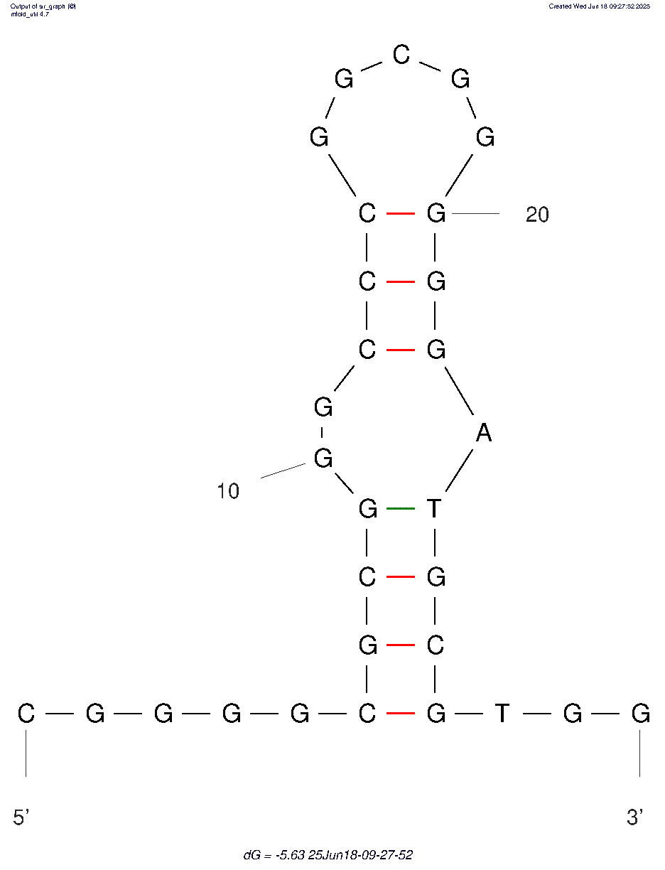
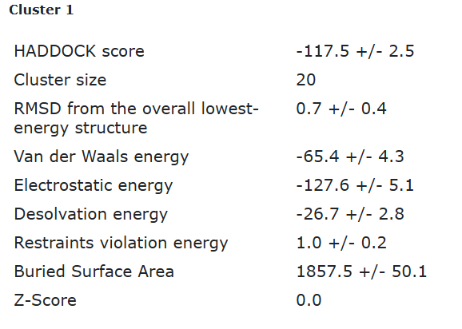
nucleotide | position | amino acid | a.a position | distance (A) | bond strength | Total hbonds
G | 7 | THR | 9 | 3.26 | weak | 11
G | 10 | ALA | 71 | 3.5 | weak
G | 10 | ALA | 71 | 2.8 | moderate
G | 10 | ARG | 60 | 3.38 | weak
G | 10 | ARG | 60 | 3.2 | weak
G | 10 | ARG | 60 | 2.75 | moderate
G | 10 | GLN | 75 | 2.9 | moderate
G | 11 | MET | 61 | 2.78 | moderate
G | 11 | MET | 61 | 3.6 | weak
C | 26 | TYR | 43 | 2.83 | moderate
G | 27 | TYR | 43 | 3.68 | weak

Eco3R_tr2 final refined 2nd best structure hbonds

nucleotide | position | amino acid | a.a position | distance (A) | bond strength | Total hbonds
G | 7 | THR | 9 | 3.6 | weak | 11
G | 10 | ALA | 71 | 2.9 | moderate
G | 10 | ALA | 71 | 2.88 | moderate
G | 10 | ARG | 60 | 2.84 | moderate
G | 10 | ARG | 60 | 3.5 | weak
G | 10 | ARG | 60 | 2.7 | moderate
G | 10 | GLN | 75 | 2.8 | moderate
G | 11 | MET | 61 | 2.8 | moderate
G | 11 | MET | 61 | 3.3 | weak
G | 11 | ARG | 60 | 4 | weak
G | 27 | TRP | 7 | 2.96 | moderate

