Sheet1
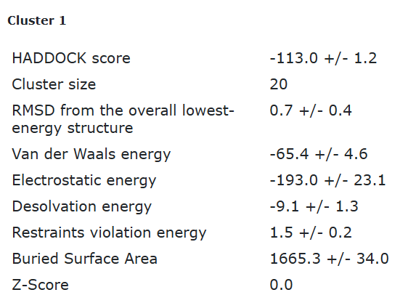
Eco3R_tr3 final refined best structure hbonds
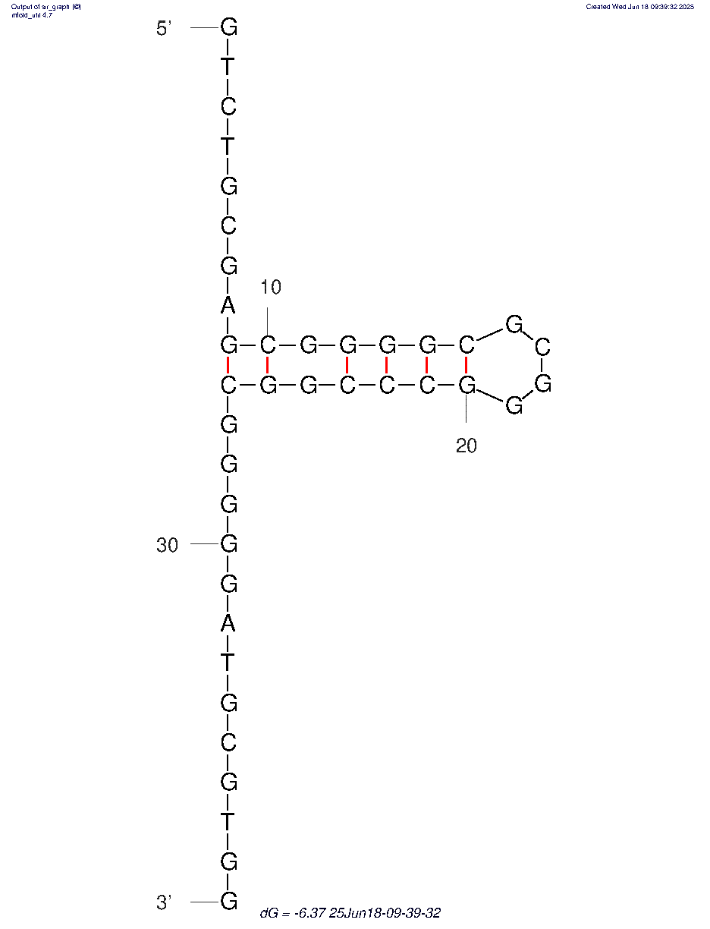

nucleotide | position | amino acid | a.a position | distance (A) | bond strength | Total hbonds
G | 5 | ARG | 60 | 2.76 | moderate | 7
C | 6 | ALA | 74 | 3.22 | weak
G | 7 | GLN | 75 | 2.75 | moderate
G | 27 | ASN | 5 | 3.65 | weak
G | 27 | TRP | 7 | 3.44 | weak
G | 28 | GLU | 174 | 2.7 | moderate
G | 28 | GLU | 174 | 3.4 | weak

Eco3R_tr3 final refined 2nd best structure hbonds

nucleotide | position | amino acid | a.a position | distance (A) | bond strength | Total hbonds
G | 5 | ARG | 60 | 3.5 | weak | 7
G | 5 | ARG | 60 | 2.8 | moderate
C | 6 | ALA | 74 | 3.3 | weak
G | 7 | GLN | 75 | 2.8 | moderate
G | 27 | TRP | 7 | 2.95 | moderate
G | 28 | GLU | 174 | 2.8 | moderate
G | 28 | GLU | 174 | 3 | moderate

