Sheet1
Eco3R_tr4 final refinement best structure hbonds

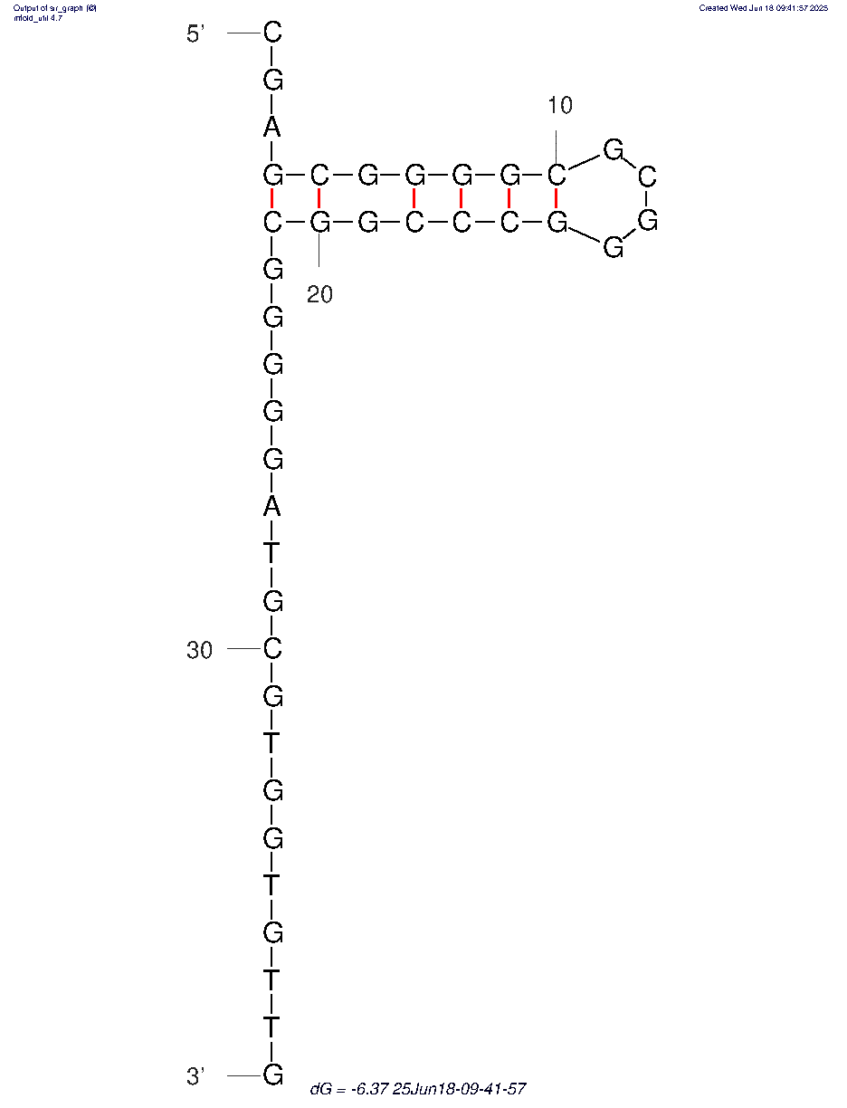
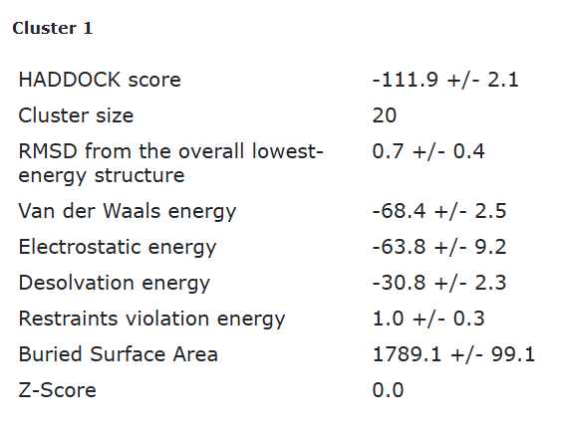
nucleotide | position | amino acid | a.a position | distance (A) | bond strength | Total hbonds
C | 1 | GLY | 84 | 3.48 | weak | 6
C | 16 | TYR | 141 | 3.5 | weak
C | 18 | PHE | 143 | 3.52 | weak
C | 18 | THR | 144 | 2.6 | moderate
C | 30 | TYR | 48 | 2.7 | moderate
C | 30 | TYR | 85 | 2.8 | moderate

