Sheet1
Eco3R_tr5 final refined best structure hbonds
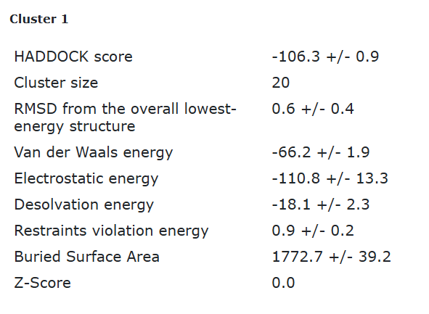

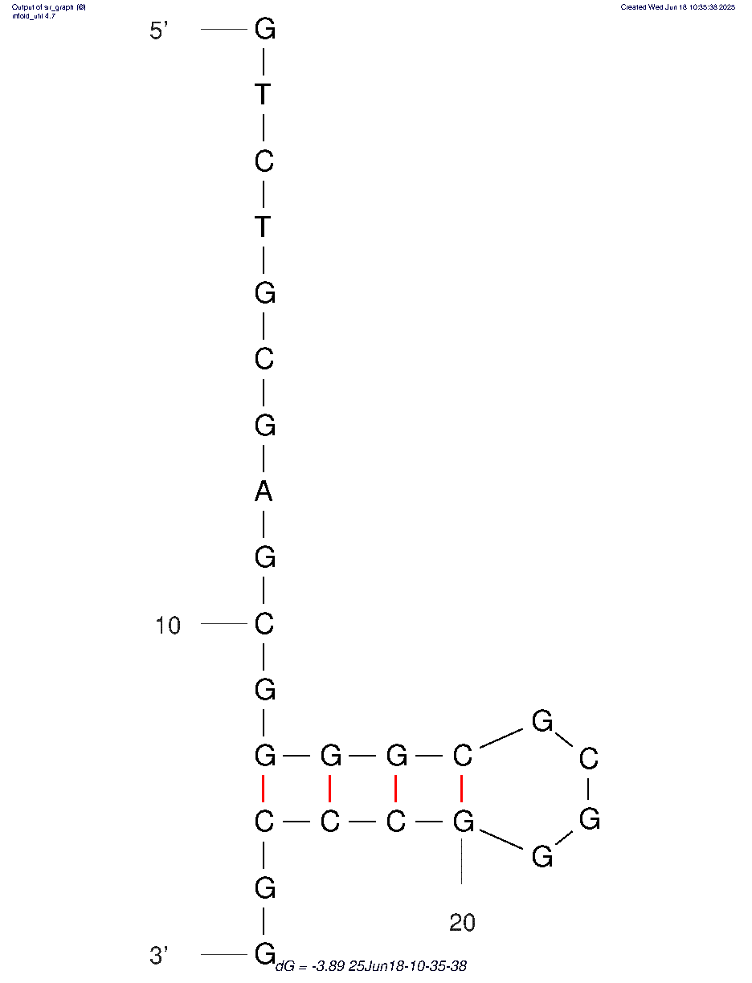
nucleotide | position | amino acid | a.a position | distance (A) | bond strength | Total hbonds
G | 13 | ARG | 156 | 3.06 | moderate | 9
G | 13 | ARG | 156 | 2.7 | moderate
G | 14 | TYR | 18 | 2.6 | moderate
G | 16 | TYR | 141 | 3.8 | weak
C | 17 | TYR | 179 | 3.4 | weak
G | 18 | ASP | 89 | 3.15 | moderate
G | 18 | ASP | 89 | 3.6 | weak
G | 18 | ASP | 90 | 3.05 | moderate
G | 18 | ASP | 90 | 3.26 | weak

Eco3R_tr5 final refined 2nd best structure hbonds

nucleotide | position | amino acid | a.a position | distance (A) | bond strength | Total hbonds
G | 12 | ARG | 156 | 3.7 | weak | 8
G | 13 | ARG | 156 | 2.8 | moderate
G | 13 | ARG | 156 | 3.7 | weak
G | 14 | TYR | 18 | 2.6 | moderate
G | 16 | TYR | 141 | 3.1 | moderate
G | 18 | ASP | 89 | 3.6 | weak
G | 18 | ASP | 89 | 2.8 | moderate
G | 18 | ASP | 89 | 3.86 | weak

