Sheet1
Eco3R_tr6 final refined best structure hbonds
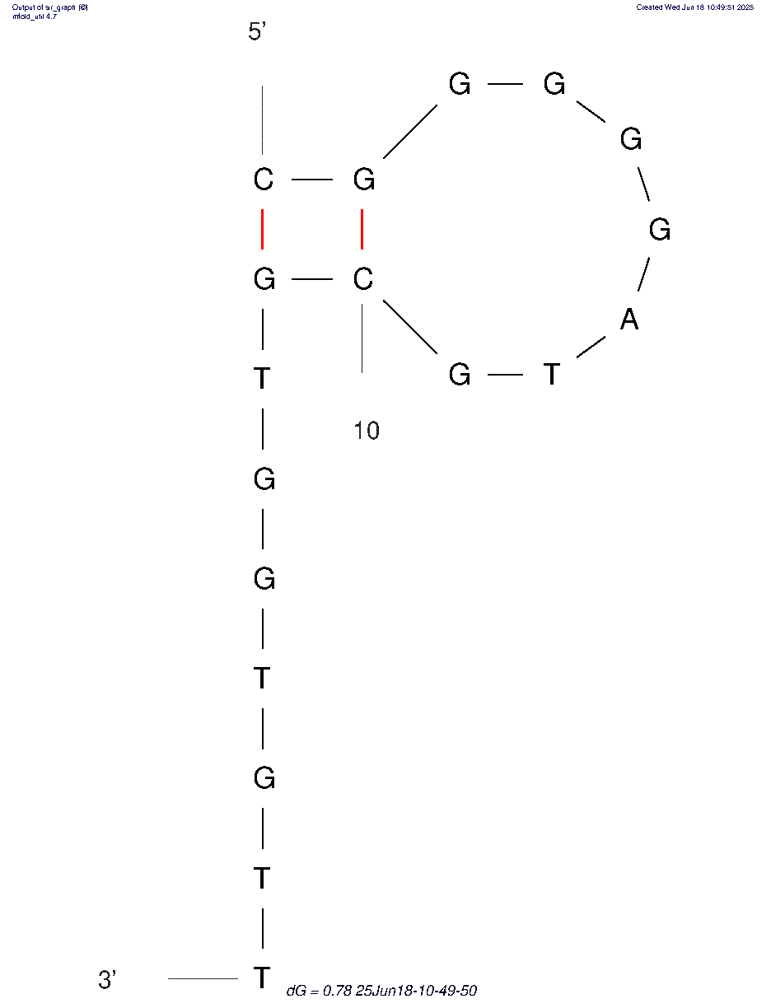
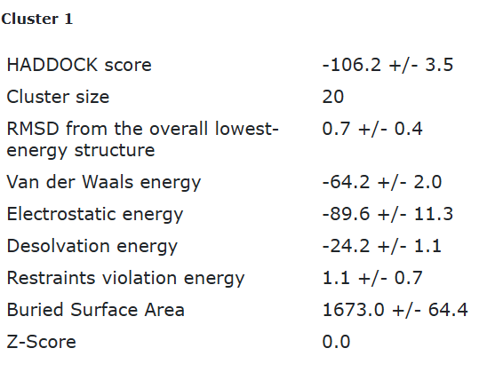
nucleotide | position | amino acid | a.a position | distance (A) | bond strength | Total hbonds
G | 4 | ARG | 60 | 3.3 | weak | 6
G | 4 | ARG | 60 | 2.66 | moderate
G | 11 | TYR | 63 | 2.89 | moderate
G | 13 | TYR | 55 | 3.7 | weak
G | 13 | ASP | 56 | 3.1 | moderate
G | 14 | MET | 53 | 3.7 | weak

Eco3R_tr6 final refined 2nd best structure hbonds

nucleotide | position | amino acid | a.a position | distance (A) | bond strength | Total hbonds
G | 2 | TYR | 63 | 3.6 | weak | 8
G | 4 | ARG | 60 | 3.6 | weak
G | 4 | ARG | 60 | 2.7 | moderate
G | 11 | TYR | 63 | 3.9 | weak
G | 13 | TYR | 55 | 3.19 | moderate
G | 13 | ASP | 56 | 2.9 | moderate
G | 14 | ALA | 39 | 3.5 | weak
G | 14 | MET | 53 | 3.5 | weak

