Sheet1
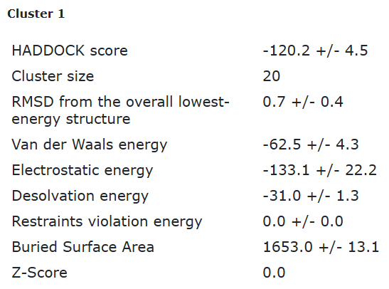
Eco3R_tr7_final refinement best structure hbonds
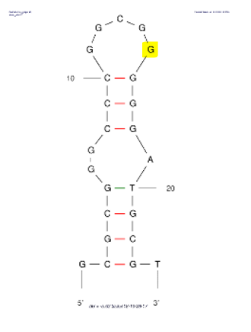

nucleotide | position | amino acid | a.a position | distance (A) | bond strength | Total hbonds
C | 9 | LYS | 64 | 2.8 | moderate | 5
G | 14 | TRP | 7 | 3.3 | weak
G | 15 | TRP | 7 | 3.16 | moderate
G | 15 | TYR | 8 | 3 | moderate
G | 21 | TYR | 63 | 3.3 | weak

Eco3R_tr7_final refinement 2nd best structure hbonds

nucleotide | position | amino acid | a.a position | distance (A) | bond strength | Total hbonds
C | 9 | LYS | 64 | 2.7 | moderate | 5
G | 14 | TYR | 55 | 3.5 | weak
G | 15 | TRP | 7 | 3.1 | moderate
G | 15 | TYR | 8 | 3.8 | weak
G | 17 | ALA | 11 | 3.3 | weak

