Sheet1
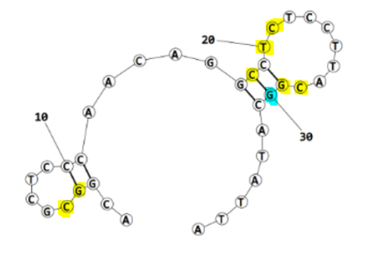
ECA2_final refined best structure hbonds
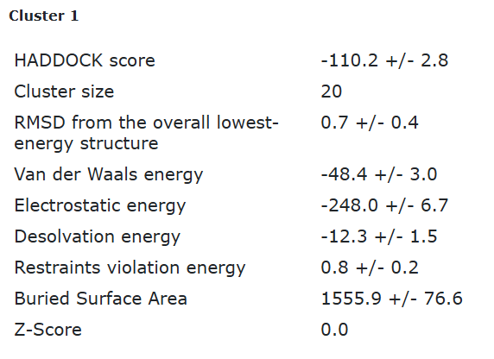
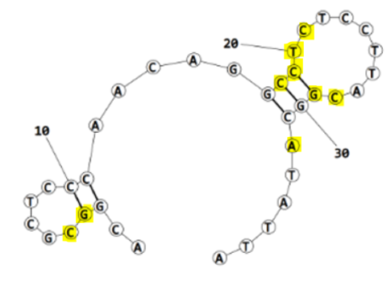
nucleotide | position | amino acid | a.a position | distance (A) | bond strength | Total hbonds
G | 4 | TYR | 63 | 3.44 | weak | 11
C | 5 | TYR | 63 | 2.7 | moderate
C | 18 | LYS | 64 | 3.74 | weak
C | 18 | LYS | 64 | 2.66 | moderate
C | 19 | LYS | 64 | 2.7 | moderate
T | 20 | GLN | 75 | 3.67 | weak
C | 21 | GLN | 75 | 3.07 | moderate
C | 28 | TYR | 168 | 3.74 | weak
G | 29 | THR | 9 | 2.8 | moderate
A | 32 | ALA | 37 | 3.75 | weak
A | 32 | PHE | 57 | 3.75 | weak

ECA2_final refined 2nd best structure hbonds
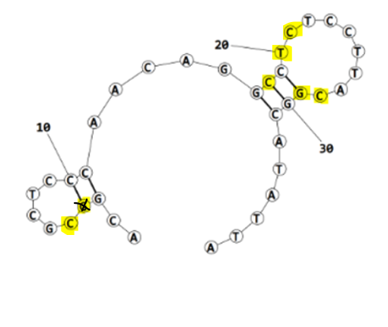

nucleotide | position | amino acid | a.a position | distance (A) | bond strength | Total hbonds
C | 5 | TYR | 63 | 2.86 | moderate | 9
C | 5 | TYR | 63 | 3.09 | moderate
C | 18 | LYS | 64 | 2.99 | moderate
C | 18 | LYS | 64 | 3.6 | weak
C | 18 | LYS | 64 | 2.73 | moderate
T | 20 | GLN | 75 | 3.5 | weak
C | 21 | GLN | 75 | 3.09 | moderate
C | 28 | TYR | 168 | 3.06 | moderate
G | 29 | THR | 9 | 2.8 | moderate

ECA2_final refined 3rd best structure hbonds
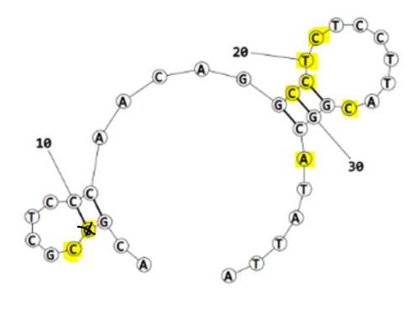

nucleotide | position | amino acid | a.a position | distance (A) | bond strength | Total hbonds
C | 5 | TYR | 63 | 2.87 | moderate | 11
C | 5 | TYR | 63 | 3.1 | moderate
C | 18 | LYS | 64 | 3.2 | moderate
C | 18 | LYS | 64 | 3.6 | weak
C | 18 | LYS | 64 | 2.7 | moderate
C | 19 | LYS | 64 | 2.96 | moderate
T | 20 | GLN | 75 | 3.7 | weak
T | 20 | GLN | 75 | 3.8 | weak
C | 21 | GLN | 75 | 2.87 | moderate
C | 28 | TYR | 168 | 2.9 | moderate
A | 32 | PHE | 57 | 4 | weak

ECA2_final refined 4th best structure hbonds
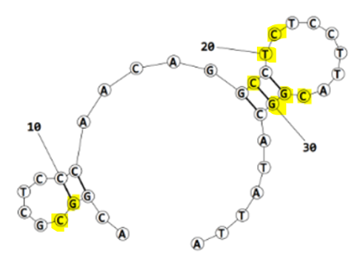
nucleotide | position | amino acid | a.a position | distance (A) | bond strength | Total hbonds
G | 4 | TYR | 63 | 3.01 | moderate | 11
C | 5 | TYR | 63 | 2.9 | moderate
C | 18 | LYS | 64 | 3.04 | moderate
C | 18 | LYS | 64 | 3.65 | weak
C | 18 | LYS | 64 | 2.7 | moderate
T | 20 | LEU | 58 | 3.6 | weak
C | 21 | GLN | 75 | 2.9 | moderate
C | 28 | TYR | 168 | 2.99 | moderate
G | 29 | THR | 9 | 2.7 | moderate
G | 30 | THR | 9 | 3.73 | weak
G | 30 | THR | 9 | 3.7 | weak

