Sheet1
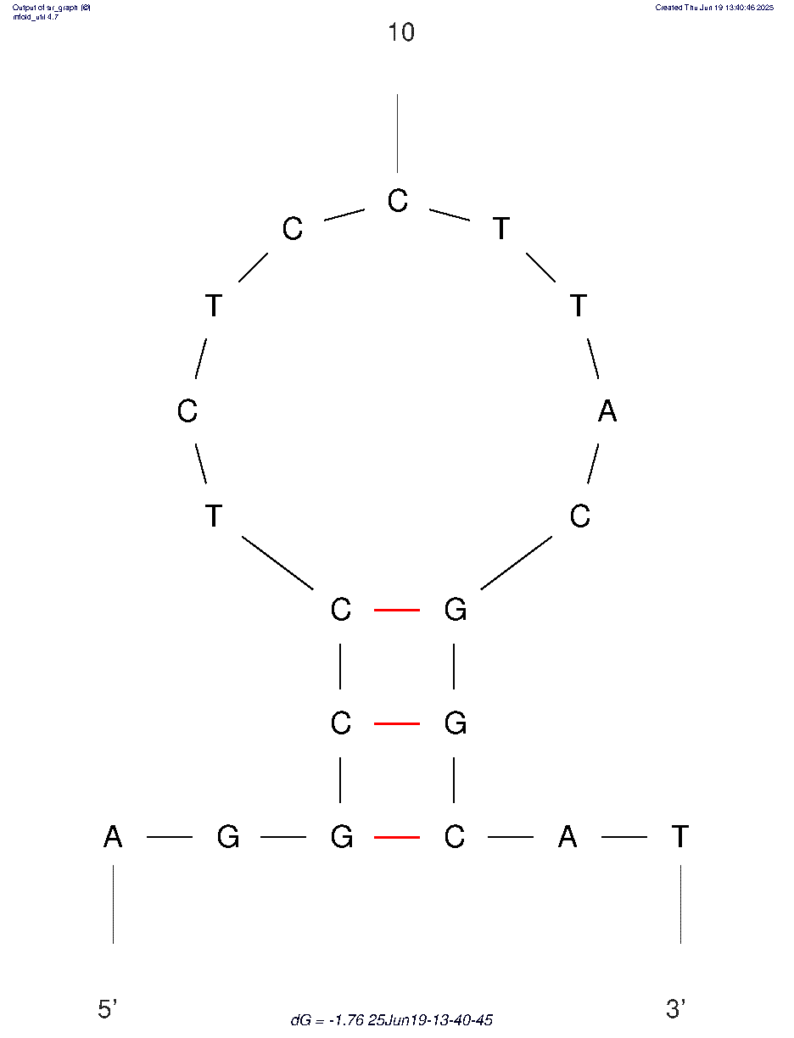
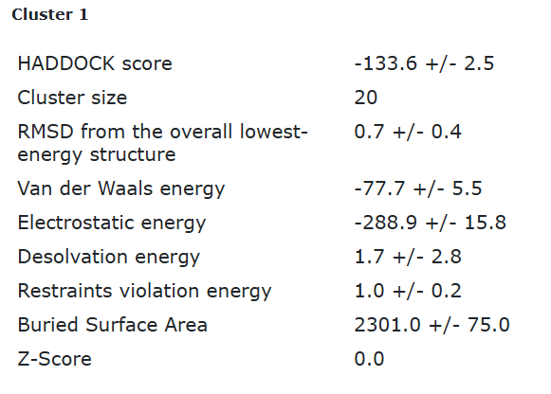
ECA2 tr3 final refinement best structure hbonds

nucleotide | position | amino acid | a.a position | distance (A) | bond strength | Total hbonds
A | 1 | SER | 120 | 3.7 | weak | 15
A | 1 | ASN | 146 | 3.9 | weak
A | 1 | THR | 117 | 2.94 | moderate
G | 2 | ASN | 114 | 3 | moderate
G | 2 | HIS | 115 | 3.4 | weak
G | 2 | HIS | 115 | 3.5 | weak
G | 3 | HIS | 115 | 3.3 | weak
G | 3 | HIS | 31 | 3.4 | weak
C | 4 | HIS | 31 | 3.37 | weak
C | 9 | GLY | 70 | 2.96 | moderate
C | 9 | ALA | 71 | 2.76 | moderate
T | 11 | THR | 106 | 2.96 | moderate
G | 15 | LYS | 107 | 2.65 | moderate
G | 16 | TYR | 111 | 2.8 | moderate
T | 19 | ASP | 149 | 2.6 | moderate

ECA2 tr3 final refinement 2nd best structure hbonds

nucleotide | position | amino acid | a.a position | distance (A) | bond strength | Total hbonds
A | 1 | SER | 120 | 2.97 | moderate | 16
A | 1 | THR | 117 | 3.6 | weak
A | 1 | THR | 117 | 2.9 | moderate
A | 1 | VAL | 119 | 3.24 | weak
A | 1 | SER | 120 | 2.16 | moderate
G | 2 | ASN | 114 | 2.86 | moderate
G | 2 | ASN | 114 | 2.9 | moderate
C | 9 | GLY | 70 | 3.3 | weak
C | 9 | ALA | 71 | 3.06 | moderate
T | 11 | ARG | 103 | 3.5 | weak
T | 11 | ARG | 103 | 3.8 | weak
G | 15 | LYS | 107 | 2.65 | moderate
G | 16 | TYR | 111 | 3.4 | weak
G | 16 | TYR | 111 | 2.7 | moderate
T | 19 | ASP | 149 | 2.6 | moderate

