Sheet1
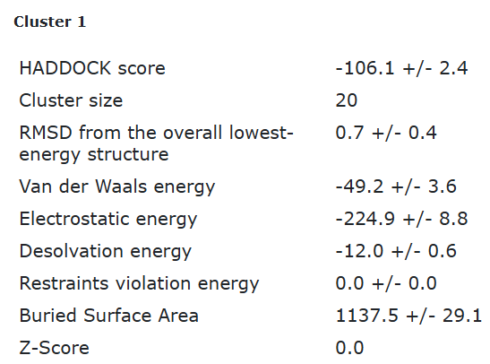
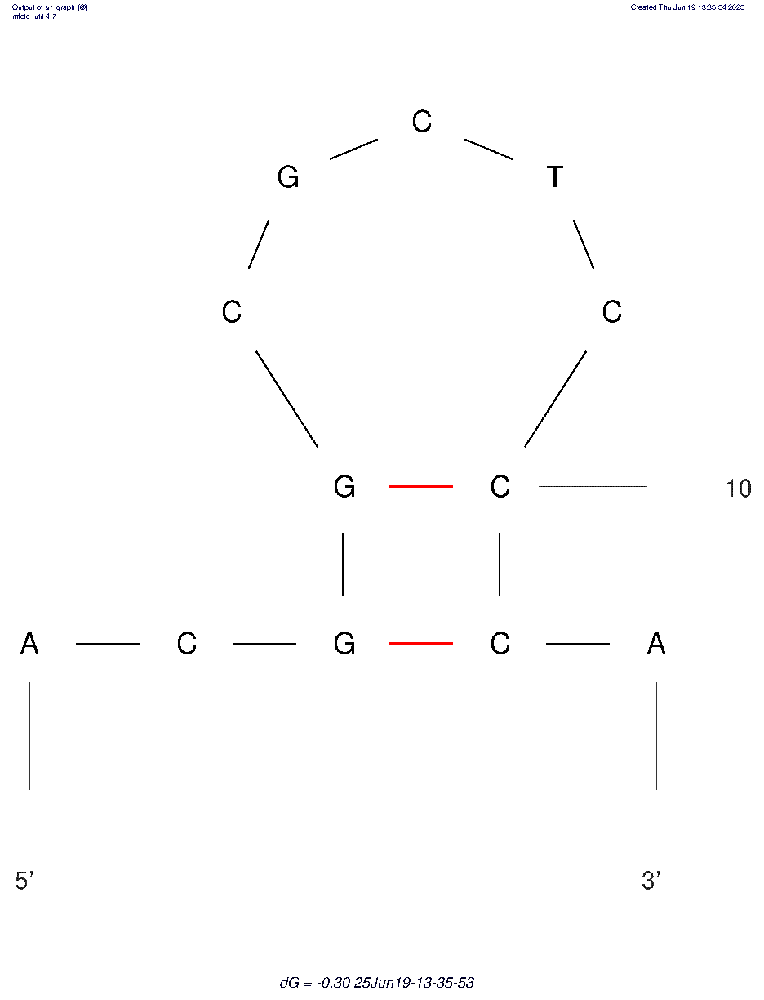
ECA2 tr1 final refinement best structure hbonds

nucleotide | position | amino acid | a.a position | distance (A) | bond strength | Total hbonds
C | 5 | ARG | 60 | 2.9 | moderate | 6
G | 6 | TYR | 63 | 3.06 | moderate
C | 7 | TYR | 63 | 3.15 | moderate
T | 8 | LYS | 64 | 3.1 | moderate
T | 8 | LYS | 64 | 2.8 | moderate
T | 8 | LYS | 64 | 3.18 | moderate

