Sheet1
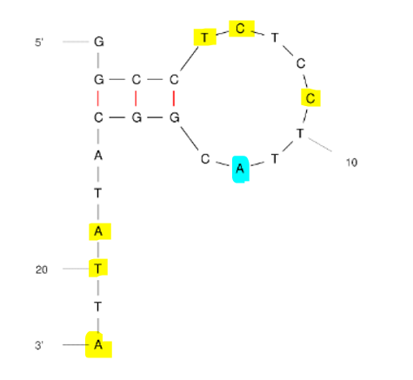
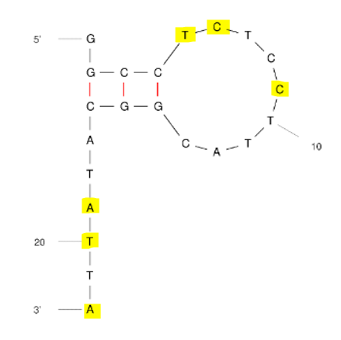
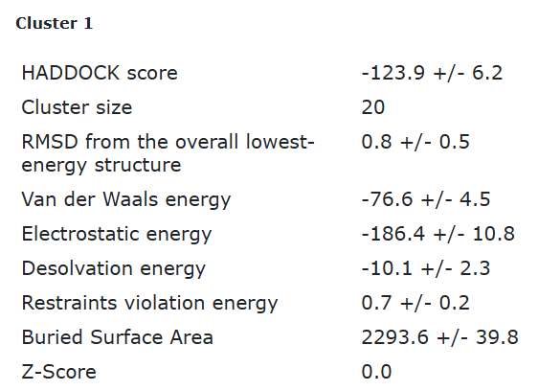
ECA2 tr2 final refinement best structure hbonds

nucleotide | position | amino acid | a.a position | distance (A) | bond strength | Total hbonds
T | 5 | ARG | 60 | 3.3 | weak | 9
C | 6 | ARG | 60 | 3.32 | weak
C | 6 | ARG | 60 | 2.63 | moderate
C | 9 | PHE | 170 | 3.44 | weak
C | 9 | ALA | 176 | 2.96 | moderate
A | 19 | ASN | 33 | 2.88 | moderate
T | 20 | GLY | 28 | 3.27 | weak
T | 20 | ASN | 33 | 2.84 | moderate
A | 22 | ARG | 156 | 3.2 | moderate

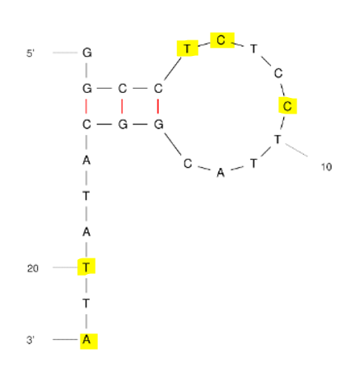
ECA2 tr2 final refinement 2nd best structure hbonds

nucleotide | position | amino acid | a.a position | distance (A) | bond strength | Total hbonds
T | 5 | ARG | 60 | 3.45 | weak | 9
C | 6 | ARG | 60 | 3.39 | weak
C | 6 | ARG | 60 | 3.49 | weak
C | 6 | ARG | 60 | 2.63 | moderate
C | 9 | PHE | 170 | 2.88 | moderate
C | 9 | GLU | 174 | 3.59 | weak
C | 9 | ALA | 176 | 2.73 | moderate
T | 20 | GLN | 17 | 3.05 | moderate
A | 22 | ARG | 156 | 3.58 | weak

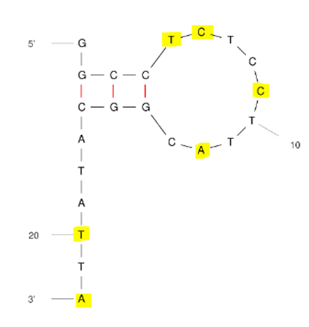
ECA2 tr2 final refinement 3rd best structure hbonds

nucleotide | position | amino acid | a.a position | distance (A) | bond strength | Total hbonds
T | 5 | ARG | 60 | 3.5 | weak | 11
T | 5 | ARG | 60 | 2.8 | moderate
C | 6 | ARG | 60 | 3.04 | moderate
C | 6 | ARG | 60 | 2.72 | moderate
C | 6 | ARG | 60 | 3.42 | weak
C | 9 | ALA | 176 | 2.76 | moderate
C | 9 | ARG | 169 | 2.88 | moderate
A | 12 | THR | 132 | 2.75 | moderate
T | 20 | ASN | 27 | 2.86 | moderate
T | 20 | ASN | 27 | 3.19 | moderate
A | 22 | THR | 155 | 3.24 | weak

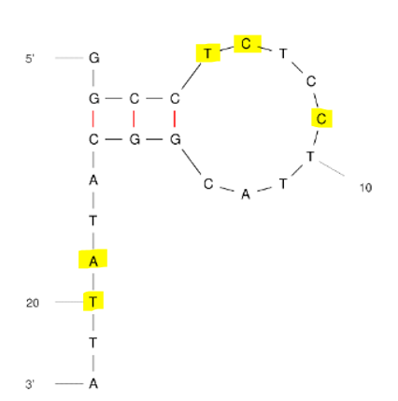
ECA2 tr2 final refinement 4th best structure hbonds

nucleotide | position | amino acid | a.a position | distance (A) | bond strength | Total hbonds
T | 5 | ARG | 60 | 3.74 | weak | 9
C | 6 | ARG | 60 | 3.17 | moderate
C | 6 | ARG | 60 | 3.62 | weak
C | 6 | ARG | 60 | 2.6 | moderate
C | 6 | TYR | 168 | 2.87 | moderate
C | 9 | ARG | 169 | 2.86 | moderate
C | 9 | ALA | 176 | 2.76 | moderate
A | 19 | ASN | 33 | 3.44 | weak
T | 20 | ASN | 33 | 3.6 | weak

