Sheet1
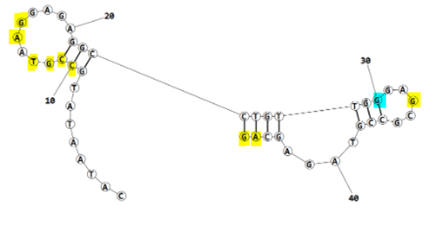
Eco4F_final refinement best structure hbonds |  |  |  |  |  |  | After final refinement | after first refinement | before refinement

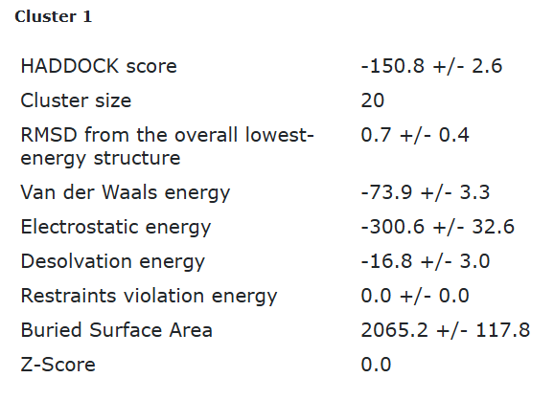
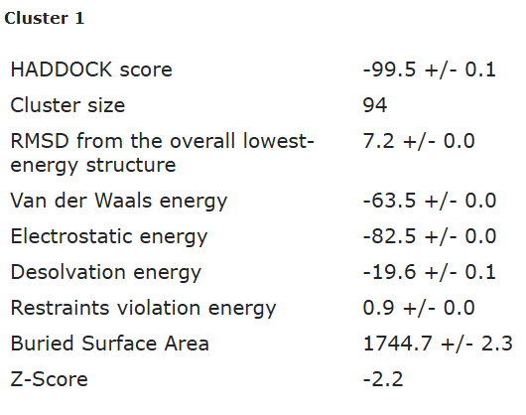
 |  |  |  |  |  |  |  |  | 1ST cluster HADDOCK score => -77.5; 2nd cluster HADDOCK score => -60.1
nucleotide | position | amino acid | a.a position | distance (A) | bond strength | Total hbonds
C | 10 | GLN | 75 | 2.87 | moderate | 19
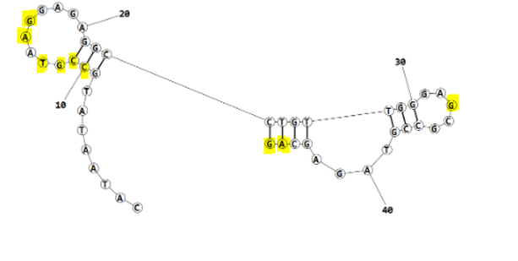
C | 11 | LYS | 73 | 3.57 | weak
C | 11 | LYS | 73 | 2.65 | moderate
C | 11 | GLN | 75 | 3.1 | moderate
C | 11 | ARG | 103 | 3.4 | weak
G | 12 | LYS | 73 | 3.58 | weak
G | 12 | ARG | 103 | 2.76 | moderate
G | 12 | ARG | 103 | 3.23 | weak
T | 13 | ALA | 71 | 2.75 | moderate
A | 15 | VAL | 67 | 3.03 | moderate
G | 16 | TYR | 63 | 2.84 | moderate
G | 33 | TYR | 85 | 2.92 | moderate
A | 45 | TRP | 7 | 2.97 | moderate
A | 45 | TRP | 7 | 3.36 | weak
G | 46 | TYR | 8 | 3.6 | weak
G | 46 | THR | 9 | 2.69 | moderate
G | 46 | THR | 9 | 3.62 | weak
G | 46 | GLY | 42 | 2.9 | moderate
G | 46 | GLY | 42 | 3.5 | weak

Eco4F_final refinement 2nd best structure hbonds

nucleotide | position | amino acid | a.a position | distance (A) | bond strength | Total hbonds
C | 10 | GLN | 75 | 2.996 | moderate | 15
C | 11 | TYR | 55 | 2.6 | moderate
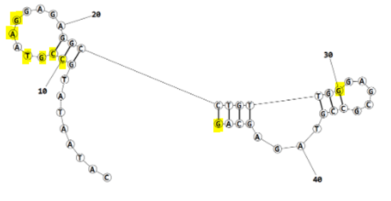
C | 11 | LYS | 73 | 2.67 | moderate
C | 11 | GLN | 75 | 3.06 | moderate
G | 12 | ARG | 103 | 2.77 | moderate
T | 13 | ALA | 71 | 2.72 | moderate
T | 13 | TYR | 72 | 3.37 | weak
A | 15 | VAL | 67 | 2.84 | moderate
G | 16 | ARG | 60 | 2.6 | moderate
G | 16 | ARG | 60 | 3.6 | weak
G | 16 | TYR | 63 | 3.18 | moderate
G | 16 | TYR | 63 | 3.78 | weak
G | 30 | ASN | 46 | 3.8 | weak
G | 46 | THR | 9 | 2.7 | moderate
G | 46 | GLY | 42 | 2.99 | moderate

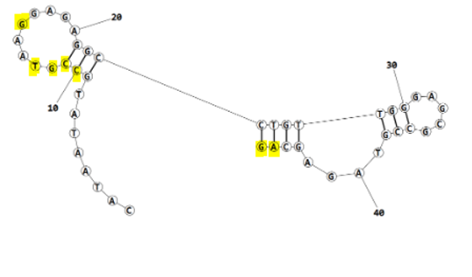
Eco4F_final refinement 3rd best structure hbonds

nucleotide | position | amino acid | a.a position | distance (A) | bond strength | Total hbonds
C | 10 | GLN | 75 | 3.15 | moderate | 13
C | 11 | LYS | 73 | 3.44 | weak
C | 11 | LYS | 73 | 2.7 | moderate
C | 11 | GLN | 75 | 3.19 | moderate
C | 11 | ARG | 103 | 3.66 | weak
G | 12 | ARG | 103 | 2.69 | moderate
G | 12 | ARG | 103 | 3.4 | weak
T | 13 | ALA | 71 | 2.86 | moderate
G | 16 | TYR | 63 | 3.5 | weak
A | 45 | TRP | 7 | 2.99 | moderate
G | 46 | THR | 9 | 2.73 | moderate
G | 46 | THR | 9 | 3.23 | weak
G | 46 | GLY | 42 | 2.9 | moderate

Eco4F_final refinement 4th best structure hbonds

nucleotide | position | amino acid | a.a position | distance (A) | bond strength | Total hbonds
C | 10 | GLN | 75 | 3.05 | moderate | 13
C | 11 | LYS | 73 | 2.63 | moderate
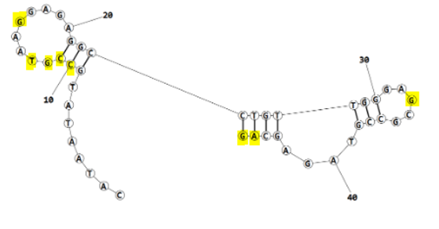
C | 11 | GLN | 75 | 3.35 | weak
G | 12 | ARG | 103 | 2.65 | moderate
G | 12 | ARG | 103 | 3.7 | weak
T | 13 | ALA | 71 | 2.86 | moderate
T | 13 | TYR | 72 | 3.8 | weak
G | 16 | TYR | 63 | 2.86 | moderate
G | 33 | TYR | 85 | 2.99 | moderate
A | 45 | TRP | 7 | 2.88 | moderate
G | 46 | THR | 9 | 3.16 | moderate
G | 46 | THR | 9 | 3.17 | moderate
G | 46 | GLY | 42 | 2.78 | moderate

