Sheet1
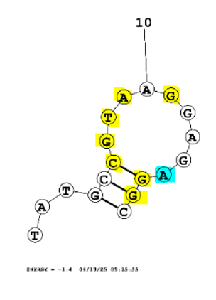
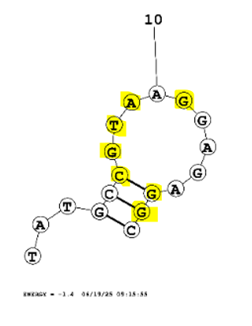
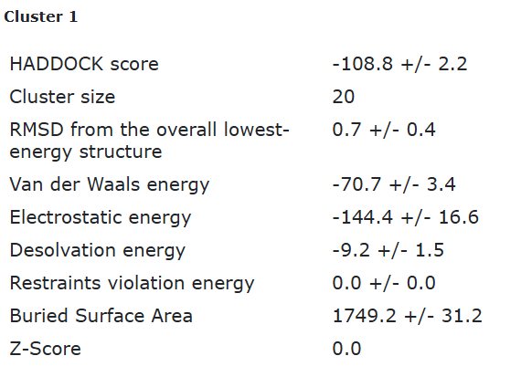
Eco4F_tr3_final refinement best structure hbonds

nucleotide | position | amino acid | a.a position | distance (A) | bond strength | Total hbonds
C | 6 | TYR | 72 | 3.47 | weak | 11
C | 6 | TYR | 72 | 2.62 | moderate
G | 7 | HIS | 19 | 3.15 | moderate
T | 8 | HIS | 19 | 3.16 | moderate
T | 8 | GLN | 34 | 3.03 | moderate
A | 9 | ALA | 37 | 2.88 | moderate
G | 11 | GLY | 59 | 3.5 | weak
G | 11 | GLY | 59 | 2.8 | moderate
G | 11 | GLY | 59 | 2.8 | moderate
G | 16 | TYR | 111 | 2.86 | moderate
G | 17 | TYR | 111 | 3.1 | moderate

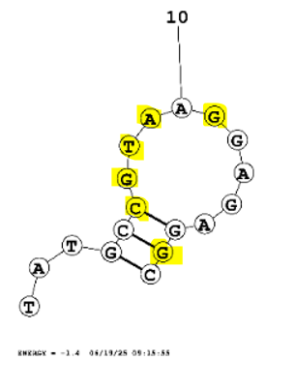
Eco4F_tr3_final refinement 2nd best structure hbonds

nucleotide | position | amino acid | a.a position | distance (A) | bond strength | Total hbonds
C | 6 | TYR | 72 | 3.3 | weak | 12
C | 6 | TYR | 72 | 3.19 | moderate
G | 7 | HIS | 19 | 3.14 | moderate
G | 7 | HIS | 115 | 3.08 | moderate
G | 7 | GLN | 34 | 3.6 | weak
T | 8 | GLN | 34 | 2.89 | moderate
T | 8 | HIS | 115 | 2.83 | moderate
A | 9 | ALA | 37 | 2.96 | moderate
A | 9 | ALA | 37 | 2.97 | moderate
G | 11 | GLY | 59 | 2.85 | moderate
G | 11 | GLY | 59 | 2.82 | moderate
G | 17 | TYR | 111 | 3.16 | moderate

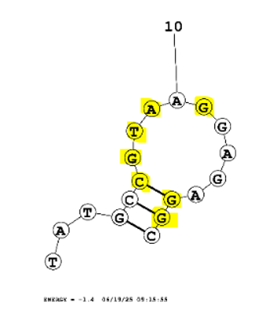

Eco4F_tr3_final refinement 3rd best structure hbonds

nucleotide | position | amino acid | a.a position | distance (A) | bond strength | Total hbonds
G | 7 | HIS | 19 | 3.4 | weak | 11
G | 7 | TYR | 72 | 2.76 | moderate
G | 7 | TYR | 72 | 3.55 | weak
G | 7 | HIS | 115 | 3.26 | weak
T | 8 | HIS | 19 | 2.89 | moderate
A | 9 | ALA | 37 | 3.14 | moderate
A | 9 | ALA | 37 | 2.9 | moderate
G | 11 | GLY | 59 | 3.3 | weak
G | 11 | GLY | 59 | 3.09 | moderate
G | 16 | TYR | 111 | 3.05 | moderate
G | 17 | TYR | 111 | 3.05 | moderate

Eco4F_tr3_final refinement 4th best structure hbonds

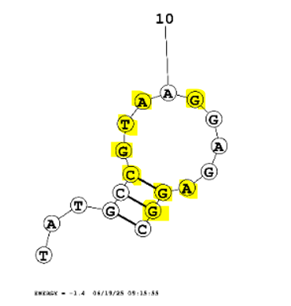
nucleotide | position | amino acid | a.a position | distance (A) | bond strength | Total hbonds
C | 6 | TYR | 72 | 3.3 | weak | 13
C | 6 | TYR | 72 | 3.09 | moderate
G | 7 | THR | 106 | 3.09 | moderate
G | 7 | HIS | 115 | 3.38 | weak
T | 8 | GLN | 34 | 3.4 | weak
T | 8 | HIS | 115 | 2.67 | moderate
A | 9 | ALA | 37 | 3.46 | weak
A | 9 | ALA | 37 | 2.94 | moderate
G | 11 | GLY | 59 | 3.53 | weak
G | 11 | GLY | 59 | 3.05 | moderate
A | 15 | GLN | 34 | 3.44 | weak
G | 16 | TYR | 111 | 3.27 | weak
G | 17 | TYR | 111 | 3.11 | moderate

