Sheet1
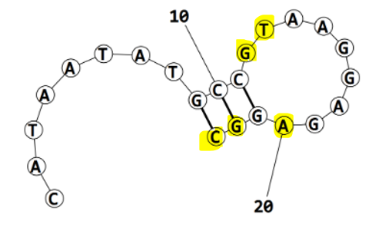
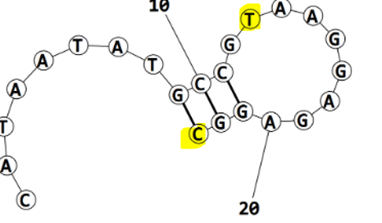
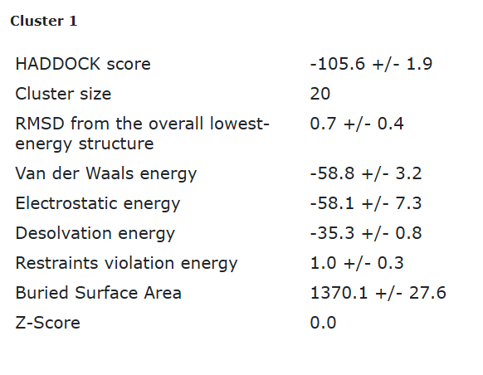
Eco4F_tr1_final refinement best structure hbonds

nucleotide | position | amino acid | a.a position | distance (A) | bond strength | Total hbonds
T | 13 | THR | 9 | 3.076 | moderate | 2
c | 23 | ASN | 5 | 3.18 | moderate

Eco4F_tr1_final refinement 2nd best structure hbonds
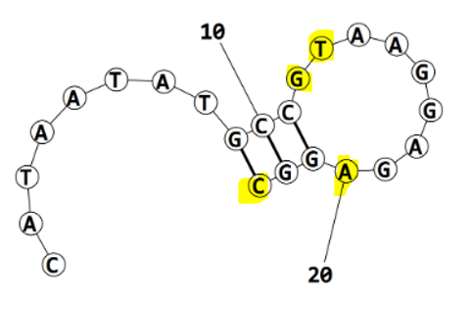
nucleotide | position | amino acid | a.a position | distance (A) | bond strength | Total hbonds
G | 12 | TRP | 7 | 3.5 | weak
T | 13 | THR | 9 | 3.11 | moderate | 5
A | 20 | TYR | 55 | 3.4 | weak
C | 23 | ASN | 5 | 3.03 | moderate
C | 23 | ASN | 5 | 3 | moderate

Eco4F_tr1_final refinement 3rd best structure hbonds

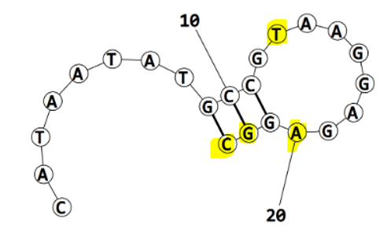
nucleotide | position | amino acid | a.a position | distance (A) | bond strength | Total hbonds
T | 13 | THR | 9 | 3.24 | moderate | 5
A | 20 | TYR | 55 | 3.13 | moderate
G | 22 | ASN | 5 | 2.229 | moderate
C | 23 | ASN | 5 | 3.5 | weak
C | 23 | ASN | 5 | 3.23 | moderate

Eco4F_tr1_final refinement 4th best structure hbonds
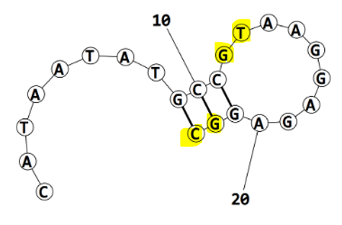
nucleotide | position | amino acid | a.a position | distance (A) | bond strength | Total hbonds
G | 12 | TRP | 7 | 3.19 | moderate | 5
T | 13 | THR | 9 | 3.13 | moderate
G | 22 | ASN | 5 | 2.8 | moderate
C | 23 | ASN | 5 | 3.4 | weak
C | 23 | ASN | 5 | 2.9 | moderate

