Sheet1
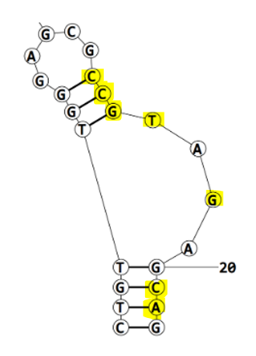
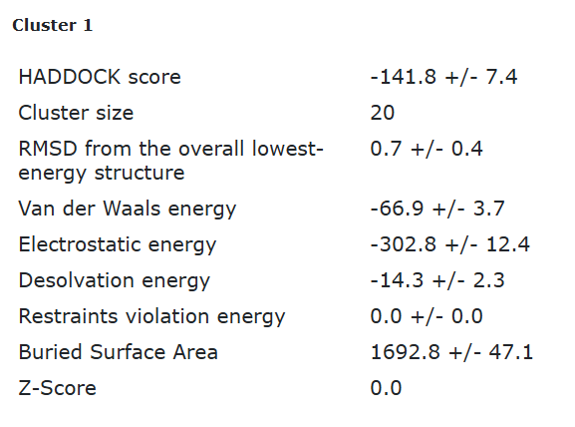
Eco4F_tr2_final refinement best structure hbonds

nucleotide | position | amino acid | a.a position | distance (A) | bond strength | Total hbonds
C | 13 | LYS | 64 | 2.7 | moderate | 12
C | 14 | ARG | 60 | 3.03 | moderate
G | 15 | GLN | 75 | 3.08 | moderate
G | 15 | ARG | 60 | 3.176 | moderate
G | 15 | ARG | 60 | 2.64 | moderate
T | 16 | GLN | 75 | 3.11 | moderate
G | 18 | TYR | 55 | 2.89 | moderate
G | 18 | TYR | 55 | 3.78 | weak
C | 21 | ASN | 5 | 3.22 | moderate
C | 21 | ASN | 5 | 3.22 | moderate
C | 21 | ASN | 5 | 3.4 | weak
A | 22 | ASN | 5 | 2.85 | moderate

Eco4F_tr2_final refinement 2nd best structure hbonds

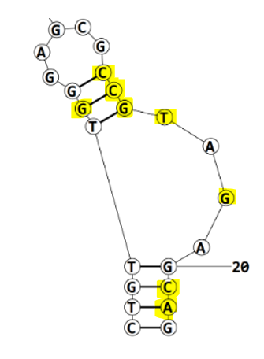
nucleotide | position | amino acid | a.a position | distance (A) | bond strength | Total hbonds
G | 6 | THR | 9 | 3.19 | moderate | 13
C | 13 | LYS | 64 | 2.7 | moderate
C | 14 | ARG | 60 | 3.24 | weak
C | 14 | ARG | 60 | 3.46 | weak
G | 15 | ARG | 60 | 2.8 | moderate
G | 15 | ARG | 60 | 2.77 | moderate
G | 15 | GLN | 75 | 3.36 | weak
T | 16 | GLN | 75 | 2.99 | moderate
G | 18 | TYR | 55 | 2.8 | moderate
G | 18 | TYR | 55 | 2.85 | moderate
C | 21 | ASN | 5 | 3 | moderate
C | 21 | TYR | 43 | 3.64 | weak
A | 22 | ASN | 5 | 3.08 | moderate

Eco4F_tr2_final refinement 3rd best structure hbonds

nucleotide | position | amino acid | a.a position | distance (A) | bond strength | Total hbonds
C | 13 | LYS | 64 | 2.66 | moderate | 12
C | 14 | ARG | 60 | 3.23 | moderate
C | 14 | ARG | 60 | 3.26 | weak
C | 14 | ARG | 60 | 3.86 | moderate
G | 15 | ARG | 60 | 2.6 | moderate
G | 15 | ARG | 60 | 3.095 | moderate
G | 15 | GLN | 75 | 2.99 | moderate
T | 16 | GLN | 75 | 3.11 | moderate
G | 18 | TYR | 55 | 3.14 | moderate
G | 18 | TYR | 55 | 2.79 | moderate
C | 21 | TYR | 43 | 3.7 | weak
A | 22 | ASN | 5 | 2.93 | moderate

Eco4F_tr2_final refinement 4th best structure hbonds

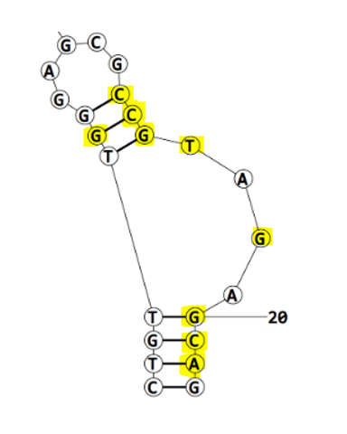
nucleotide | position | amino acid | a.a position | distance (A) | bond strength | Total hbonds
G | 6 | THR | 9 | 2.8 | moderate | 14
C | 13 | LYS | 64 | 2.69 | moderate
C | 14 | ARG | 60 | 3.17 | moderate
C | 14 | ARG | 60 | 2.96 | moderate
C | 14 | ARG | 60 | 3.559 | weak
G | 15 | ARG | 60 | 2.6 | moderate
G | 15 | GLN | 75 | 3.06 | moderate
G | 15 | ARG | 60 | 3.15 | moderate
T | 16 | GLN | 75 | 2.89 | moderate
G | 18 | TYR | 55 | 3.065 | moderate
G | 18 | TYR | 55 | 2.84 | moderate
G | 20 | TYR | 43 | 3.04 | moderate
C | 21 | TYR | 43 | 3.6 | weak
A | 22 | ASN | 5 | 2.87 | moderate

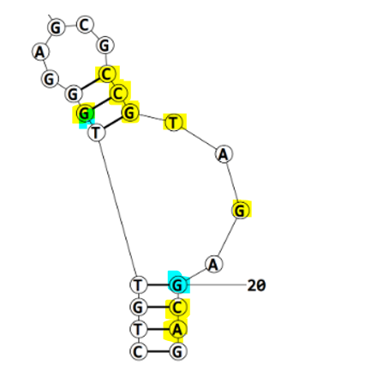
 |  |  |  |  |  | occurs in all structures
 |  |  |  |  |  | occurs in only 1 structure
 |  |  |  |  |  | occurs in 2 structures

