Sheet1
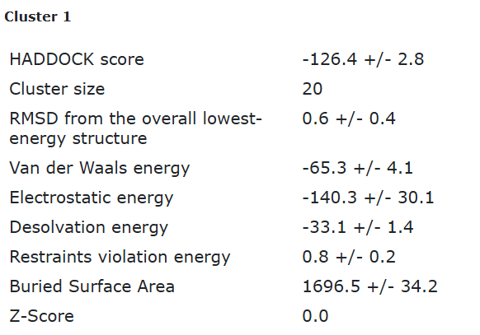
ECA1_tr1 final refined best structure hbonds

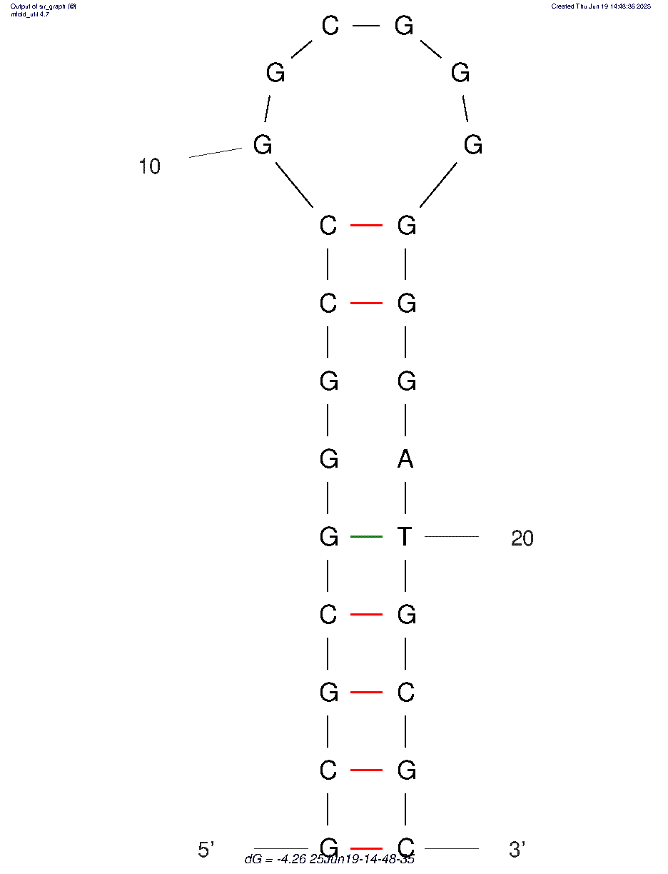
nucleotide | position | amino acid | a.a position | distance (A) | bond strength | Total hbonds
G | 3 | THR | 9 | 3.5 | weak | 7
G | 3 | THR | 9 | 3.16 | moderate
T | 20 | LYS | 64 | 3.76 | weak
T | 20 | LYS | 64 | 3.29 | weak
T | 20 | LYS | 64 | 3.01 | moderate
G | 21 | LYS | 64 | 2.85 | moderate
G | 23 | THR | 9 | 3.74 | weak

ECA1_tr1 final refined 2nd best structure hbonds

nucleotide | position | amino acid | a.a position | distance (A) | bond strength | Total hbonds

