Sheet1
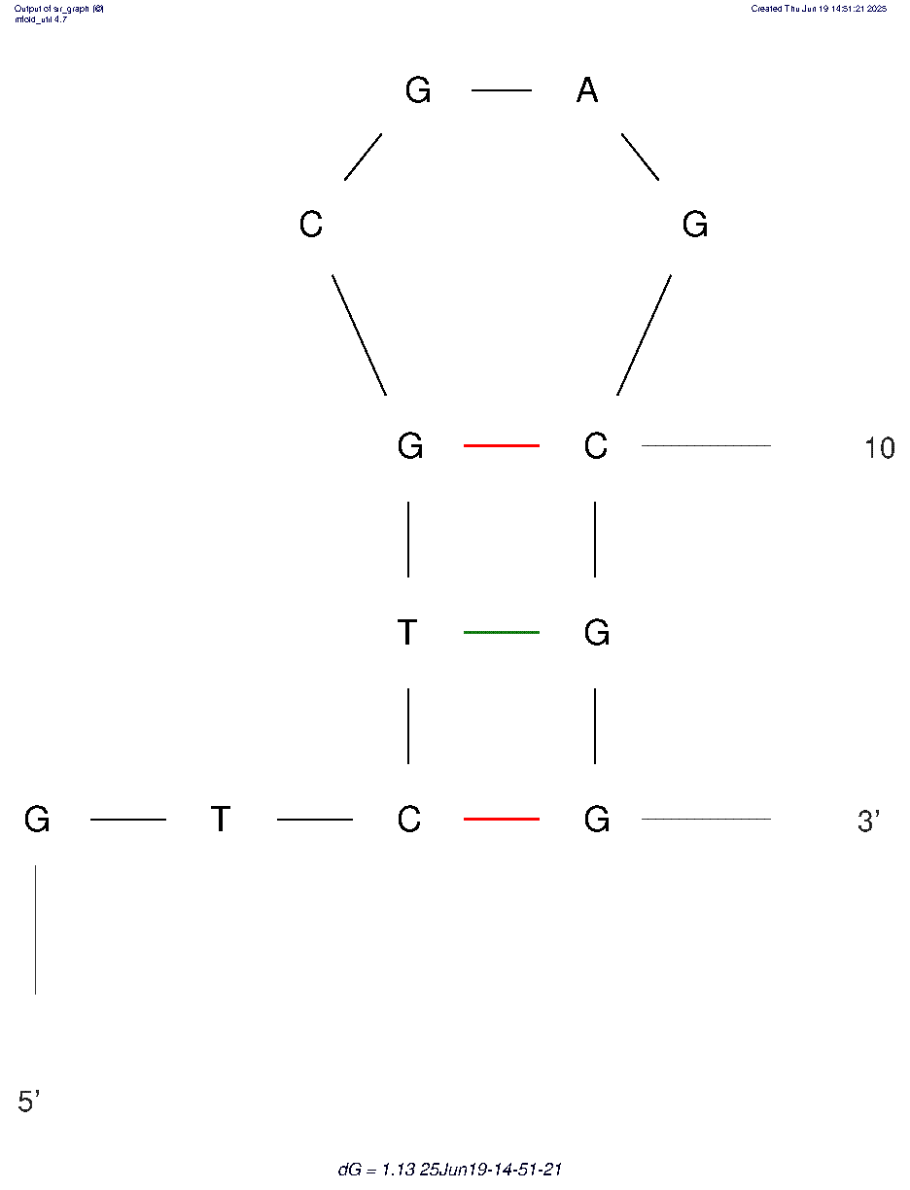
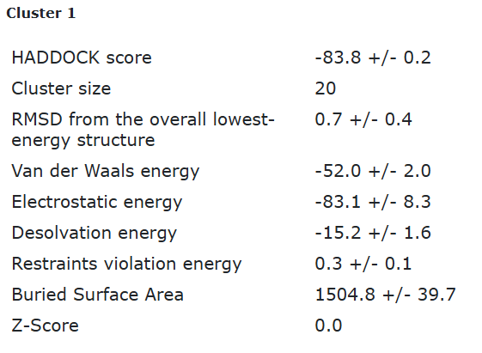
ECA1_tr2 final refined best structure hbonds

nucleotide | position | amino acid | a.a position | distance (A) | bond strength | Total hbonds
C | 6 | TYR | 85 | 2.94 | modeate | 6
A | 8 | VAL | 127 | 3.17 | modeate
G | 9 | GLY | 125 | 3.15 | modeate
G | 9 | GLY | 125 | 2.98 | modeate
G | 9 | PHE | 143 | 3.4 | weak
G | 9 | THR | 144 | 2.7 | modeate

ECA1_tr2 final refined 2nd best structure hbonds

nucleotide | position | amino acid | a.a position | distance (A) | bond strength | Total hbonds
C | 6 | TYR | 85 | 2.7 | modeate | 6
A | 8 | VAL | 127 | 3.48 | weak
G | 9 | GLY | 125 | 3.48 | weak
G | 9 | GLY | 125 | 2.65 | modeate
G | 9 | THR | 144 | 2.77 | modeate
C | 10 | THR | 144 | 3.57 | weak

