Sheet1
 | 1 Thread | 2 Threads | 4 Threads | 8 Threads | 16 Threads | Threads | Time (sec)
 | 0.255003 | 0.223828 | 0.196148 | 0.197779 | 0.181485 | 1 | 0.28216325
 | 0.290091 | 0.151781 | 0.236757 | 0.202697 | 0.256423 | 2 | 0.2125905
 | 0.284766 | 0.229041 | 0.136179 | 0.187354 | 0.189373 | 4 | 0.19972425
 | 0.298793 | 0.245712 | 0.229813 | 0.241266 | 0.254873 | 8 | 0.207274
AVG: | 0.28216325 | 0.2125905 | 0.19972425 | 0.207274 | 0.2205385 | 16 | 0.2205385

Experimental Results of Project 1 with 22MB File
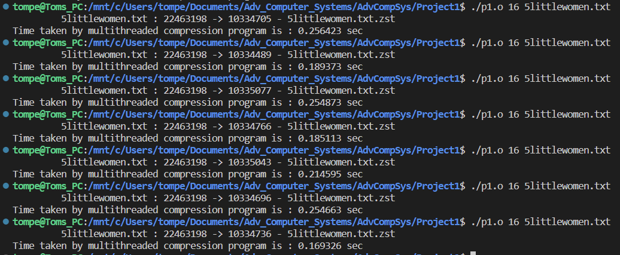
 |  |  |  |  |  |  | HOW WE TESTED:

