Ext PPS Capture
System Delays / Constraints |  |  |  | Trace Constants
Trace Delay Min | 0.16 | ps/inch |  | PPS | length (mils) | delay min (ns) | delay max (ns)
Trace Delay Max | 0.17 | ps/inch |  | J21 to U24.3 | 367 | 0.059 | 0.062
RefClk Period | 40.000 | ns |  | U24.3 to R265 | 31 | 0.005 | 0.005 | Summary
PPS Launch Edge | 0.000 | ns | launch on RE | R265 to U1.U24 | 4104 | 0.657 | 0.698 | Input Delay (max) | 38.765 | give these min/max numbers to vivado, and see what it says
PPS Capture Edge at FPGA | 0.000 | ns | latch on RE | Clock |  |  |  | Input Delay (min) | 5.181
PPS Setup at MB Conn | 5.000 | ns | imaginary | J18 to T1 | 253 | 0.040 | 0.043 | Setup Slack | 1.235 | it's OK for these numbers not to be positive, since Vivado handles all the timing internal to the part
PPS Hold at MB Conn | 5.000 | ns | imaginary | T1 to U17.13 | 1015 | 0.162 | 0.173 | Hold Slack | 5.181 | instead the important thing is, given the input delay min/max, for Vivado to meet timing on these paths
Panel to MB Cable Length | 12.000 | inches |  | U17.1 to U1.AC18 | 2670 | 0.427 | 0.454
Clock Uncertainty | 0.200 | ns
Cable Prop Delay | 0.122 | ps/inch

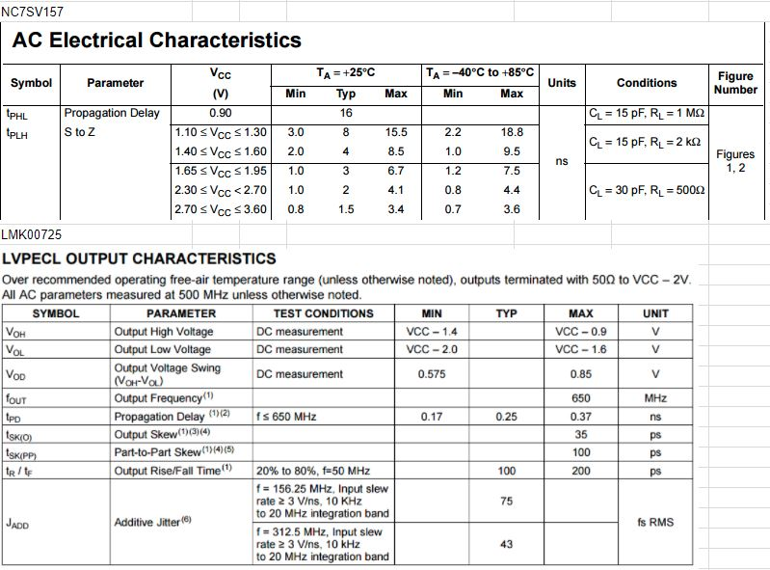
setup (fast capture clock, slow data)
Data Path (max/slow) | incr | path | comment
PPS setup before RefClk RE | -5.000 | -5.000
cable delay | 1.464 | -3.536
input to buffer | 0.062 | -3.474
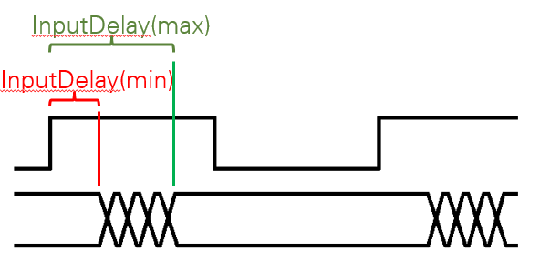
buffer delay | 3.600 | 0.126 | NC7SV157 @ 3.3V, 30 pF Capacitive load
buffer to fpga | 0.703 | 0.829
Arrival Time |  | 0.829

Destination Clock Path (min/fst) | incr | path | comment
RefClk RE | 0.000 | 0.000
cable delay | 1.464 | 1.464
input to buffer | 0.203 | 1.667
buffer delay | 0.170 | 1.837 | LMK00725 t_PD
buffer to fpga | 0.427 | 2.264
clock uncertainty | -0.200 | 2.064
Required Time |  | 2.064
Setup Slack |  | 1.235 | Required - Arrival Time

hold (slow capture clock, fast data)
Data Path (min) | incr | path | comment
PPS hold after RefClk RE | 5.000 | 5.000
cable delay | 1.464 | 6.464
input to buffer | 0.059 | 6.523
buffer delay | 0.700 | 7.223 | NC7SV157 @ 3.3V, 30 pF Capacitive load
buffer to fpga | 0.662 | 7.884
Arrival Time |  | 7.884

Destination Clock Path (max) | incr | path | comment
RefClk RE | 0.000 | 0.000
cable delay | 1.464 | 1.464
input to buffer | 0.216 | 1.680
buffer delay | 0.370 | 2.050 | LMK00725 t_PD
buffer to fpga | 0.454 | 2.503
clock uncertainty | 0.200 | 2.703
Required Time |  | 2.703
Hold Slack |  | 5.181 | Arrival - Required

