Document
 |  |  |  |  | DOCUMENT

 | NAME: |  | BALA VIDULA B
 | ROLL NO: |  | 2034011
 | DEPARTMENT |  | Msc Artificial Intelligence and Machine Learning

1) | How many people accepted offers in each department in 2018 and what was the offer acceptance rate?

 | LOGIC:
 | Combine Offer Status Data and Recruiting Activity Data table, and set filter for 2018.

 | PROCEDURE:
A) | Load the given excel file
B) | Offer Decision is present in Offer Status Data and Year is present in Recruiting Activity Data.
 | So,
 | > Matching coloumn in both tables is Candidate ID Number
 | > Use POWER QUERY to merge both the tables with necessary columns.
 | > Create a new column Year and apply filter for YEAR = 2018
 |  | "=YEAR([@[Offer Date]])"

 | > Create a PIVOT TABLE with columns Candidate ID, Offer Date, Offer Decision, Department, Year to summarize the datas

 |  | FILTER: |  | Year
 |  | COLOUMN: |  | Offer Decision
 |  | ROW: |  | Department
 |  | VALUES: |  | Count of Offer Decision
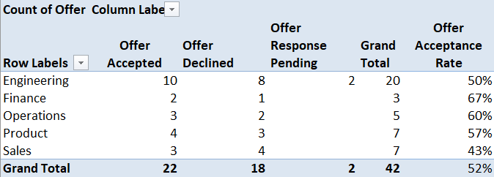

C) | > Offer Acceptance Rate Formula:
 |  | "=GETPIVOTDATA("Offer Decision",$A$3,"Offer Decision","Offer Accepted","Department","Engineering")/ GETPIVOTDATA("Offer Decision",$A$3,"Department","Engineering")"

 |  | Divide the number of people who accept an offer by the total number of offers extended to candidates. Then multiply that number by 100 to get your percentage.

 | > In 2018,
 |  | Department |  | Accepted |  | Offer Acceptance Rate
 |  | Engineering |  | 10 |  | (10/20)*100 | 50%
 |  | Finance |  | 2 |  | (2/3)*100 | 67%
 |  | Operations |  | 3 |  | (3/5)*100 | 60%
 |  | Product |  | 4 |  | (4/7)*100 | 57%
 |  | Sales |  | 3 |  | (3/7)*100 | 43%
 |  | TOTAL |  | 22 |  | (22/42)*100 | 52%

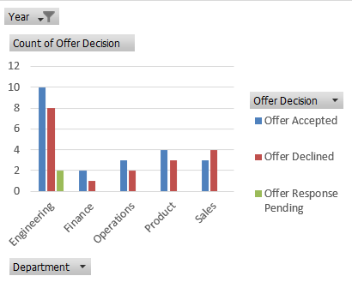
D) | > Create a Column Pivot Chart

2) | How are campus candidates progressing through the recruiting process?
 | Are there any notable differences across certain types of candidates over the past few years?

 | LOGIC:
 | Combine Offer Status Data and Recruiting Activity Data table, and compare Campus and Experienced types with Highest Degree

 | PROCEDURE:
A) | Offer Decision and other columns are present in different files.
B) | So, use POWER QUERY to merge both the columns.
 | > Combine Position Title, Department, Furthest Recruiting Stage Reached, Highest Degree, Candidate Type from table Recruiting Activity Data with Offer Decision in Offer Status Data table.

 | > Keep filter as Offer Sent to view all the people who have been selected

C) | Create a PIVOT TABLE with columns Offer Decision, Highest Degree and Candidate Type to summarize the datas

 |  | COLOUMN: |  | Offer Decision
 |  | ROW: |  | Candidate Type
 |  |  |  | Highest Degree
 |  | VALUES: |  | Count of Offer Decision

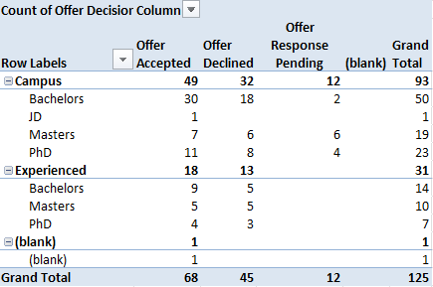

D) | OUTPUT:
 |  |  |  |  | ACCEPTED | DECLINED | PENDING
 |  |  |  | CAMPUS | 52% | 33% | 12%
 |  |  |  | EXPERIENCED | 58% | 41% | 0%

 | There's just a small difference between both types and Experienced candidates have a higher percentage of acceptance

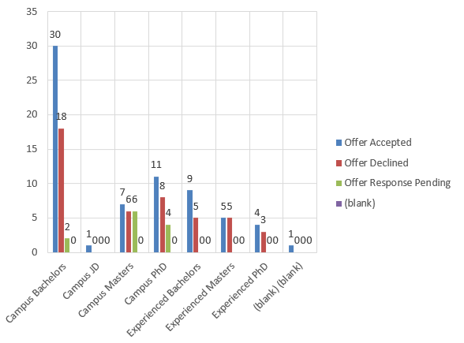
E) | PIVOT CHART:

3) | Given the firm's goal of further developing our cloud-based software suite, what changes or potential areas of focus do you recommend for recruiting in the upcoming campus season?

 | LOGIC:
 | For Cloud Based Suite, the department of study essential are ENGINEERING and PRODUCT.

 | RECOMMEND:
 | > Compare the count of OFFERS SENT and HIGHEST DEGREE with respect to both the departments.
 | > See how many people have received an offer in Engineering and Product
 | > With respect to Highest Degree, the percentage of each person's completed degree, we can know the greater percentage of category who have been accepted.

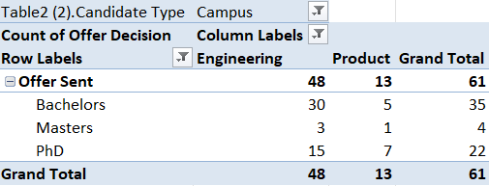

 | > This idea gives the acceptance percentage as:

 |  |  | Engineering | Product
 |  | Bachelors | 62% | 38%
 |  | Masters | 6% | 7%
 |  | PhD | 31% | 53%

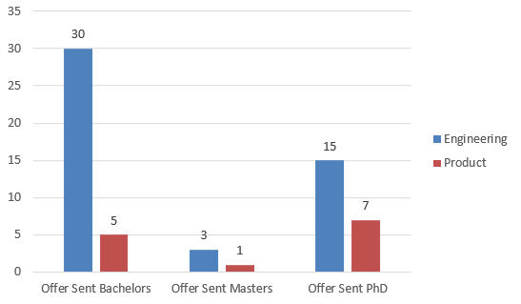
 | > Pivot chart

4) | Other relevant findings:

 | LOGIC:
 | Plot the time-series chart for the count of candidates being accepted each year into Cameron.

 | RECOMMEND:
A) | Load the given excel file
B) | Offer Decision is present in Offer Status Data and Year is present in Recruiting Activity Data.
 | So,
 | > Matching coloumn in both tables is Candidate ID Number
 | > Use POWER QUERY to merge both the tables with necessary columns.

C) | Use Pivot Table on the merged datas to easily summarize the datas.
D) | Create a Pivot Chart .

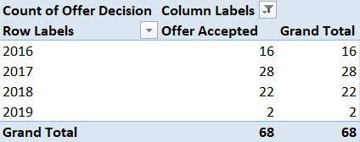

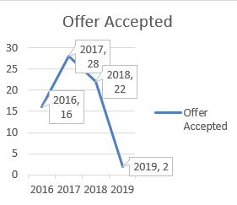

E) | Insights:

 |  | 2016 | 16 | 23%
 |  | 2017 | 28 | 41%
 |  | 2018 | 22 | 32%
 |  | 2019 | 2 | 2%

 |  | 1 | Highest Accepted Year |  | 2017
 |  | 2 | Loweat Accepted Year |  | 2019

