Methods
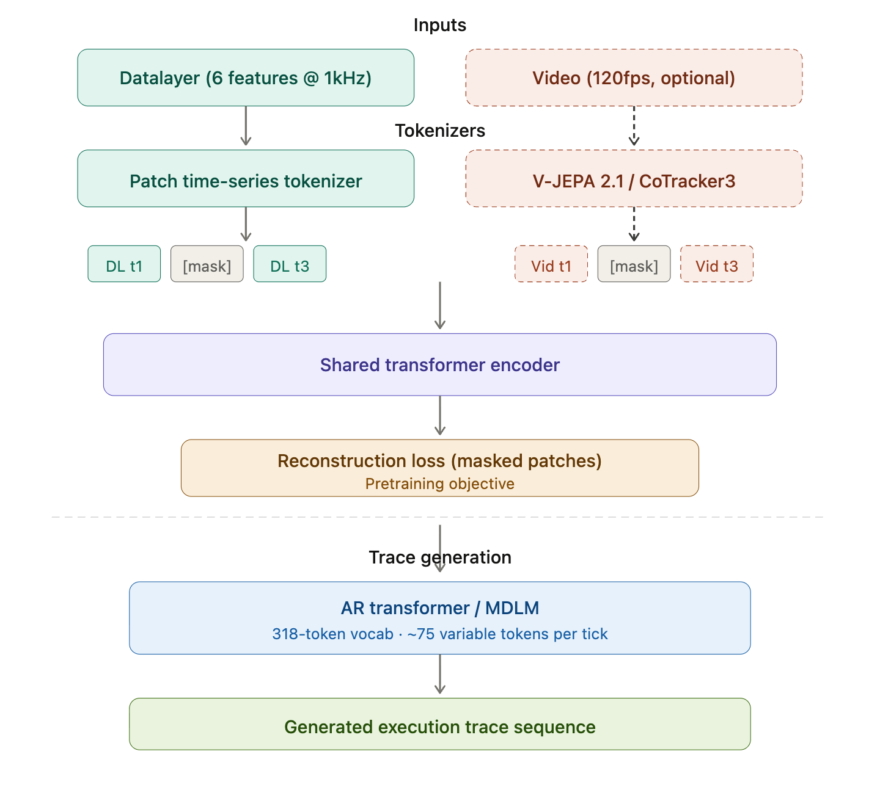
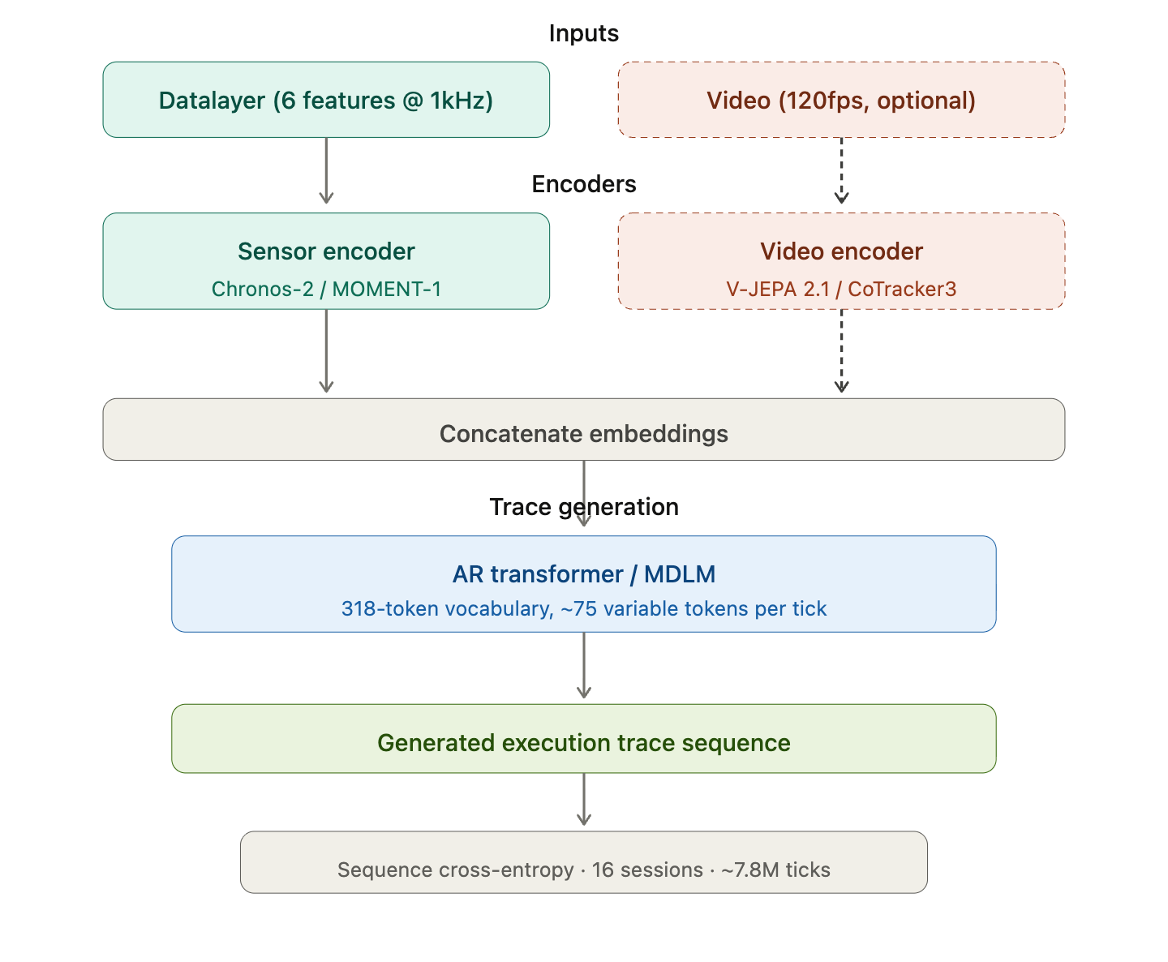
ID | Sensor Encoder | Video Encoder | Fusion | Trace Generator | Normalized Edit Distance (median [min-max]) | Exact Match (%) | Vendi Ratio (ideal=1) | Inference Time (ms/tick) (99th percentile, H100) | Notes / Comments | lambda is eigenvalue of normalized similarity matrix among sequences of generated or ground truth set. Vendi ratio measures how diverse generated sequences are compared to the diverisity of ground truth sequences.
BL1 | Chronos-2 | None | Concat | MDLM | 0.400 [0.393-0.455] | 0 [0-0.1] | 16.17 [15.17-19.34] | 5.029 | Sensors only, SOTA diffusion baseline
BL2 | Chronos-2 | None | Concat | AR | 0.081 [0.070-0.089] | 8.1 [5.5-10.4] | 1.13 [1.08-1.14] | 0.906 | Sensors only, AR baseline
BL3 | Chronos-2 | CoTracker3 (Cropped) | Concat | Winner of R1/R2 |  |  |  |  | Video features
BL4 | Chronos-2 | V-JEPA 2.1 (Cropped per CoTracker3) (LoRA) | Concat | Winner of R1/R2 |  |  |  |  | Richer information from video
BL5 | Chronos-2 | V-JEPA 2.1+CoTracker3 | Concat | Winner of R1/R2 | N/A | N/A | N/A | N/A | Only if BL3 and BL4 show improvement
BL6 | MOMENT-1 | Winner of R1-R5 | Concat | Winner of R1/R2 |  |  |  |  | Alternative sensor encoder
FM1 | Tokenizer | Winner of R1-R5 | Masked reconstruction transformer | Winner of R1/R2 |  |  |  |  | FM candidate 1

