Front Page
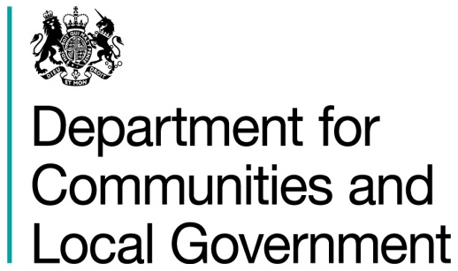
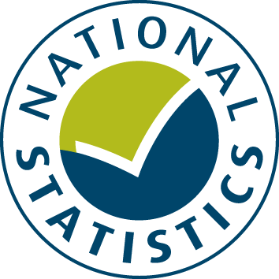

General Fund Revenue Account Outturn
RSX - SERVICE EXPENDITURE SUMMARY 2016-17

This table provides a detail on local authority Service Expenditure. This comprises 12 distinct service areas (such as Education, Adult Social care and Public health) and ‘Other services’ to include spend authorities are unable to allocate to these specific areas.

Data from this workbook have been used to compile the National Statistics release "Local Authority Revenue Expenditure and Financing: 2016-17 Final Outturn, England" which was published on 16 November 2017. This is found at:

https://www.gov.uk/government/collections/local-authority-revenue-expenditure-and-financing

The workbook contains revenue outturn data of local authority revenue expenditure and financing for the financial year April 2016 to March 2017. These estimates are on a non-International Accounting Standard 19 (IAS19) and PFI “Off Balance Sheet” basis except where stated otherwise.

Relevant information to revenue data for 2016-17

Please note: The data is based on complete returns from 444 of the 446 local authorities in England. We did not receive a return from Isles of Scilly or Dorset Police. They have been imputed for and included in the England total but not identified seperately.

This is an interactive spreadsheet where by using the drop-down button in the 'LA drop-down' sheet you can produce the summary page by England, classification and individual local authority level.

The spreadsheet has been compiled by the Data, Analytics and Statistics division of the Department for Communities and Local Government.

We welcome comments and suggestions for further improvement or about your experiences with this product. This may include comments on data quality, timing and the format of the statistics. Please contact us at:

lgf1.revenue@communities.gsi.gov.uk

LA drop-down
Revenue Outturn (RO) 2016-17: Service Expenditure Summary (RSX) data for ENGLAND

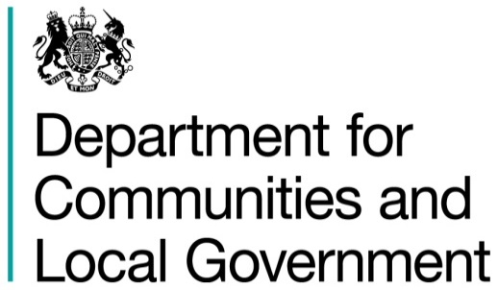

 | Select local authority by clicking on the box below and using the drop-down button:
 | ENGLAND |  |  |  |  |  |  |  | £ thousand

 |  |  | Employees | Running Expenses | Total Expenditure | Sales, Fees and Charges | Other Income | Total Income | Net Current Expenditure
 |  |  | (C1) | (C2) | (C3 = C1 + C2) | (C4) | (C5) | (C6 = C4 + C5) | (C7 = C6 - C3)
 |  |  | 1 | 2 | 3 | 4 | 5 | 6 | 7
 | 190 | Education services | 21,936,698 | 15,305,889 | 37,242,587 | 1,589,246 | 2,271,106 | 3,860,352 | 33,382,235
 | 290 | Highways and transport services | 1,201,183 | 6,128,929 | 7,330,111 | 2,146,553 | 1,170,733 | 3,317,286 | 4,012,825
 | 330 | Children Social Care | 3,335,086 | 5,819,806 | 9,154,893 | 153,812 | 525,042 | 678,854 | 8,476,039
 | 360 | Adult Social Care | 3,306,258 | 17,580,411 | 20,886,669 | 2,743,776 | 3,228,625 | 5,972,401 | 14,914,268
 | 390 | Public Health | 353,127 | 3,317,430 | 3,670,557 | 18,019 | 172,531 | 190,550 | 3,480,008
 | 490 | Housing services (GFRA only) | 598,850 | 2,284,123 | 2,882,973 | 818,992 | 555,999 | 1,374,992 | 1,507,982
 | 509 | Cultural and related services | 1,258,744 | 2,327,111 | 3,585,855 | 783,884 | 456,434 | 1,240,317 | 2,345,538
 | 590 | Environmental and regulatory services | 1,558,248 | 5,300,988 | 6,859,236 | 1,221,696 | 714,213 | 1,935,909 | 4,923,327
 | 599 | Planning and development services | 1,037,477 | 1,441,803 | 2,479,281 | 856,237 | 447,120 | 1,303,356 | 1,175,924
 | 601 | Police services | 9,603,574 | 2,540,147 | 12,143,721 | 476,711 | 617,408 | 1,094,119 | 11,049,603
 | 602 | Fire and rescue services | 1,568,068 | 502,524 | 2,070,593 | 40,329 | 69,115 | 109,444 | 1,961,149
 | 690 | Central services | 5,702,821 | 6,029,193 | 11,732,014 | 1,200,883 | 7,372,084 | 8,572,968 | 3,159,046
 | 698 | Other services | 120,143 | 277,264 | 397,407 | 52,563 | 289,286 | 341,849 | 55,558
 | 699 | TOTAL SERVICE EXPENDITURE | 51,580,280 | 68,855,619 | 120,435,898 | 12,102,700 | 17,889,696 | 29,992,395 | 90,443,503

 | Source: Department for Communities and Local Government Revenue Account Budget (RO) returns 2016-17 - RSX data

 | 1. Produced on a non-IAS19 and PFI "Off Balance Sheet" basis unless stated otherwise |  |  |  |  |  |  |  | Last Updated: 16 November 2017

